Diff_Pair_General
C S T V I A W I Z A R D
v3.0(July 2015)
Help

General
Stackup
Padstack
Vias
Traces
Generate
Load Configuration
Combine Configs

General
Settings
Value
X
Y
(xmin, ymin)
(xmax, ymin)
(xmin, ymax)
(xmax, ymax)
X min | 0
X max | 400
Y min | 0
Y max | 300
Port Type | waveguide
Port Clearance | 6
Z Add Top | 50
Z Add Bottom | 50

Package

Diff_Pair_Stackup
C S T V I A W I Z A R D
Help

General
Stackup
Padstack
Vias
Traces
Generate
Load Configuration
Combine Configs

Material-
name
Signal/ GND
Layer
Thickness
Dk
Loss tan
Conductivity
Metal Etch Factor
 | D9 | D10 | D11 | D12 | D13 | D14 | D15 | D16 | D17 | D18 | D19 | D20
 |  | 5 | 1.3 | 2.3 | 1.3 | 7 | 1.3 | 7 | 1.3 | 12 | 1.3 | 3.5
Preview
Air |  | Dielectric | 5 | 1 | 0
sig1 | S | 1 | 1.3 | 1 | 0 | 58000000 | 0
FR4 |  | Dielectric | 3.5 | 4.2 | 0.02
GND1 | G | 2 | 1.3 | 4.2 | 0.02 | 58000000 | 0
FR4 |  | Dielectric | 12 | 4.2 | 0.02
sig2 | G | 3 | 1.3 | 4.2 | 0.02 | 58000000 | 0
FR4 |  | Dielectric | 7 | 4.2 | 0.02
GND2 | S | 4 | 1.3 | 4.2 | 0.02 | 58000000 | 0
FR4 |  | Dielectric | 7 | 4.2 | 0.02
sig3 | G | 5 | 1.3 | 4.2 | 0.02 | 58000000 | 0
FR4 |  | Dielectric | 2.3 | 4.2 | 0.02
sig4 | S | 6 | 1.3 | 1 | 0 | 58000000 | 0
AirBot |  | Dielectric | 5 | 1 | 0

Diff_Pair_Padstack
C S T V I A W I Z A R D
Help

General
Stackup
Padstack
Vias
Traces
Generate
Load Configuration
Combine Configs

Number
Layer
Pad
Radius
Antipad
Radius
Pad
Type
Antipad Type
Offset
x
Offset
y
Padstack Manager
1 | 1 | 5 | 0 | Circular | Circular | 0 | 0
1 | 2 | 5 | 0 | Circular | Circular | 0 | 0
1 | 3 | 5 | 0 | Circular | Circular | 0 | 0
1 | 4 | 5 | 0 | Circular | Circular | 0 | 0
1 | 5 | 5 | 0 | Circular | Circular | 0 | 0
1 | 6 | 5 | 0 | Circular | Circular | 0 | 0
2 | 1 | 10 | 15 | Circular | Circular | 0 | 0
2 | 2 | 10 | 15 | Circular | Circular | 0 | 0
2 | 3 | 10 | 15 | Circular | Circular | 0 | 0
2 | 4 | 10 | 15 | Circular | Circular | 0 | 0
2 | 5 | 10 | 15 | Circular | Circular | 0 | 0
2 | 6 | 10 | 15 | Circular | Circular | 0 | 0
3 | 1 | 0 | 0 | Circular | Circular | 0 | 0
4 | 4 | 0 | 0 | Circular | Circular | 0 | 0

Diff_Pair_Vias
C S T V I A W I Z A R D
Help

General
Stackup
Padstack
Vias
Traces
Generate
Load Configuration
Combine Configs

Number
Via
Radius
x
Differential via Pair #
y
Remove non func.
Padstack#
Backdrill Top
Backdrill Bottom
Plating Thickness
Preview
Via Array
1 | 5 | 135 | 150 | yes | 1 | 0 | 0 | 0
2 | 5 | 245 | 150 | yes | 1 | 0 | 0 | 0
3 | 5 | 165 | 150 | yes | 2 | 0 | 0 | 0
4 | 5 | 215 | 150 | yes | 2 | 0 | 0 | 0
5 | 2.5 | 215 | 50 | no | 3 | 0 | 0 | 0
6 | 2.5 | 265 | 50 | no | 3 | 0 | 0 | 0
7 | 2.5 | 165 | 100 | no | 3 | 0 | 0 | 0
8 | 2.5 | 215 | 100 | no | 3 | 0 | 0 | 0
9 | 2.5 | 165 | 200 | no | 4 | 0 | 0 | 0
10 | 2.5 | 215 | 250 | no | 4 | 0 | 0 | 0
11 | 2.5 | 215 | 200 | no | 4 | 0 | 0 | 0
12 | 2.5 | 265 | 250 | no | 4 | 0 | 0 | 0

Diff_Pair_Traces
C S T V I A W I Z A R D
Help
Back to Package

General
Stackup
Padstack
Vias
Traces
Generate
Load Configuration
Combine Configs

Layer
From (Via)
To (Via/Port)
Trace width
Type
Preview
 | 1 |  | 2 |  | 3 |  | 4 |  | 5 |  | 6 |  | 7 |  | 8 |  | 9 |  | 10 |  | 11 |  | 12
135 | 150 | 245 | 150 | 165 | 150 | 215 | 150 | 215 | 50 | 265 | 50 | 165 | 100 | 215 | 100 | 165 | 200 | 215 | 250 | 215 | 200 | 265 | 250
1 | 5 | ymin | 5
1 | 6 | ymin | 5
4 | 10 | ymax | 5
4 | 12 | ymax | 5
1 | 7 | 3 | 5
1 | 8 | 4 | 5
1 | 5 | 7 | 5
1 | 6 | 8 | 5
4 | 3 | 9 | 5
4 | 4 | 11 | 5
4 | 9 | 10 | 5
4 | 11 | 12 | 5

Help
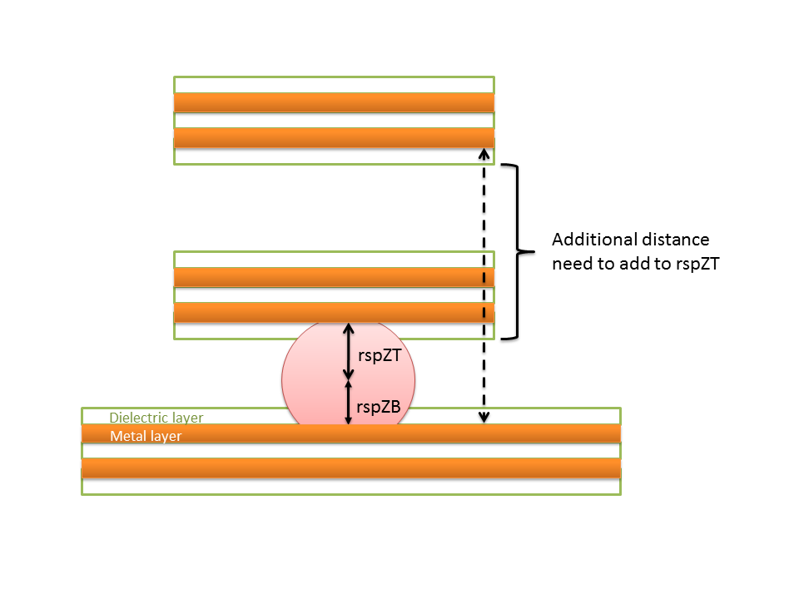
C S T V I A W I Z A R D

Back to Configurations

Stackup
Padstack
Traces
General
Vias
Combine Configs
Generate Multiples
Connectivity
Introduction
This document serves as a source for additional information regarding the use of CST Via Wizard. The Wizard helps to construct typical via transition structures for PCBs, IC Packages and Flex circuits. The procedure starts with the General tab, where the total layout outline (x-y) dimensions are specified for the Stackup tab which defines the layer stack-up in the z-dimension. Then all the Padstacks in the outline area are defined in the Padstack tab using either the provided Padstack Manager or manual data entry. The vias are then specified in the Vias tab, each assigned to a specific padstack. In the Traces tab, any connecting traces to these vias are specified. These can be either internal connections from via to via, which allows basic routing capabilities or the traces connect a via to a boundary as a lead out. These lead outs would automatically result in a pin for the corresponding port definition if so selected from the General Tab. Alternatively, the Combine Configs button allows for multiple design configurations to be combined (e.g. package on board) by specifying their respective locations and orientations. The Connectivity button provides the option to define the connections between the various configurations. Please note that most of the settings in the wizard are available once the model is constructed via either the Generate or Generate Multiples buttons as a parameter. Due to the complexity of diff

Load Configuration

When clicking on this button, the exisitng configurations can be loaded for viewing and editing by clicking on the Load button. Creating customized new configurations is supported by clicking on the New button. Unwanted configurations can be deleted using the Delete button.

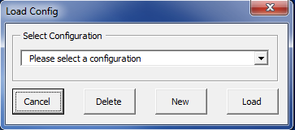 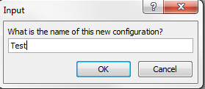

General

General Settings
The settings in the general tab specify the total size of the considered stackup in x,y dimension and z dimension. The x and y dimensions need to include all the defined vias. The port clearance will be used to extend the discrete ports, which cannot be less than the trace width and/or larger than the trace length.

X
Y
(xmin, ymin)
(xmax, ymin)
(xmin, ymax)
(xmax, ymax)
xmin: Minimum bounding box coordinate in x
xmax: Maximum bounding box coordinate in x
ymin: Minimum bounding box coordinate in y
ymax: Maximum bounding box coordinate in y
Port Type: options for none/different ports
Port Clearance: Space between port and trace (used in discrete ports)
Z Add Top: Space for waveguide port definition at z top
Z Add Bot: Space for waveguide port definiton at z bottom

Stackup
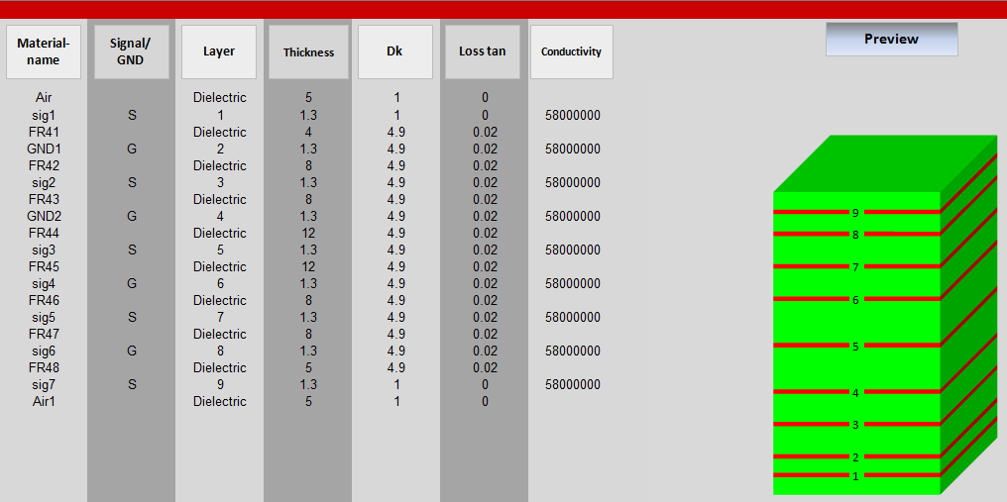

Material Name

The Material Name column specifies the material name for each metal or dielectric layer in the stackup. For each entry in this column, a material definition is created in the CST MICROWAVE STUDIO model. Note that the material name for each layer must be specified. The same material name can be used for multiple layers, however, if different material properties are defined (Dk and Loss tan), the last (from top to bottom) definition is used. The top and bottom layers are always dielectrics (solder mask).

Signal/GND

The Signal/GND column specifies whether metal layers are signals (S) or planes (G).

Layer

The Layer column specifies numbers for metal layers (to be used in the definition of Vias) or it indicates that the layer is a dielectric. It is recommended to number layers sequencially from top to bottom.

Thickness
The Thickness column specifies the layer thickness in absolute value. Please note the the actual units must be specified in thethe CST MICROWAVE STUDIO model.

Dk

The Dk column specifies the relative permittivity of layers. In the case of metal layers, this column specifies the permittivity of the dielectric material used to fill voids such as cut-outs, antipads, etc.

Loss tan

The Loss tan column specifies the loss tangent of layers. In the case of metal layers, this column specifies the loss tangent of the dielectric material used to fill voids such as cut-outs, antipads, etc.

Conductivity

The Conductivity column specifies the electrical conductivity of metal layers.

Metal Etch Factor

The Metal Etch Factor column specifies the etch factor of metal layers. 0 is the default value, and should be used when an infinite etch factor is desired. Negative values should be entered when an inverted etch is desired.
W1
Trace Width
W1=Trace Width - Thickness/Etch Factor
Thickness

Preview

The Preview column provides a 3D stacked column view of the stackup, with green denoting dielectric and red denoting metal layers. Metal layers are numbered correspondingly.

Padstack

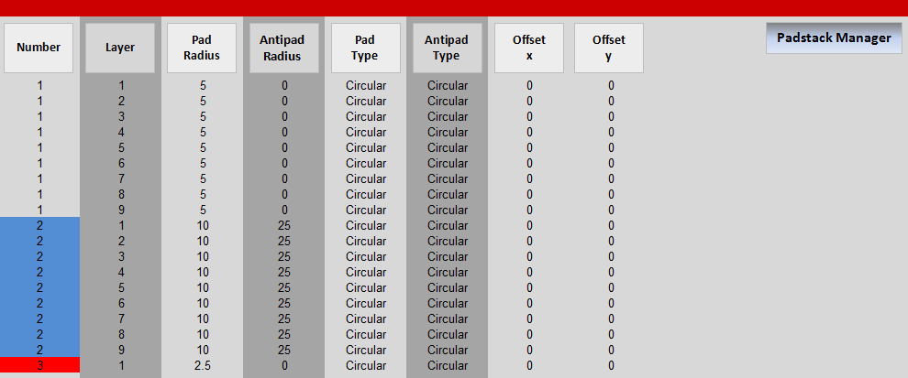

Number

The Number column specifices a number for each padstack.

Layer

The Layer column specifices the metal layers included in each padstack.

Pad Radius

This column specifies the pad radius of each layer in each padstack.

Antipad Radius

This column specifies the antipad radius of each layer in each padstack.

Pad Type

This column specifies the Pad Type of each layer in each padstack.

Antipad Type

This column indicates the antipads are circular

Offset x

This column specifies the x offset of the vias in each padstack. (Note, each padstack should have the same offset in the corresponding rows)

Offset y

This column specifies the y offset of the vias in each padstack. (Note, each padstack should have the same offset in the corresponding rows)
Padstack Manager

The Padstack Manager allows the modification and addition of individual padstacks in a user-friendly form.
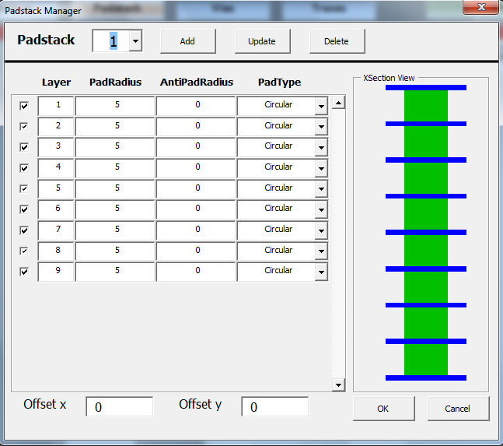
Add

Adds a new padstack into the sheet: Enter next consecutive padstack number, check desired layers, specify fields, and press the add button.

Update

Updates an existing padstack: Enter number of existing padstack, check desired layers, specify fields, and press the update button.

Delete

Deletes an existing padstack: Enter number of existing padstack and press the delete button.
Vias

The Vias tab helps defines and position the various vias in the layout.
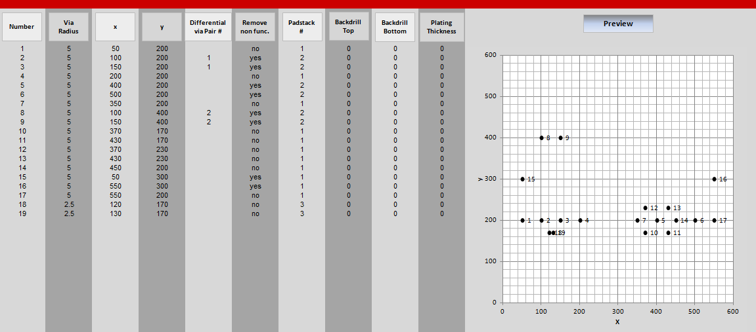

Number

The Number column specifies a number for each via. It is recommended to number vias sequencially from top to bottom.

Via Radius

This column specifies the via radius.

x/y

These columns specify the x and y position of the vias.

Differential Via Pair #

This column specifies the vias comprising differential pairs.

Remove non func.

This column indicates if non-functional pads are to be removed from the vias.

Padstack #

This column specifices the padstack corresponding to the vias.

Backdrill Top

This column specifies the backdrilling depth from the top of the via.

Backdrill Bot

This column specifies the backdrilling depth from the bottom of the via.

Plating Thickness

This column specifies the thickness of the plating on the vias. A value of 0 should be used when a solid via is desired.

Preview

This column provides a 2D Grid view of the vias, with each point and its corresponding label denoting the via position in the layout.

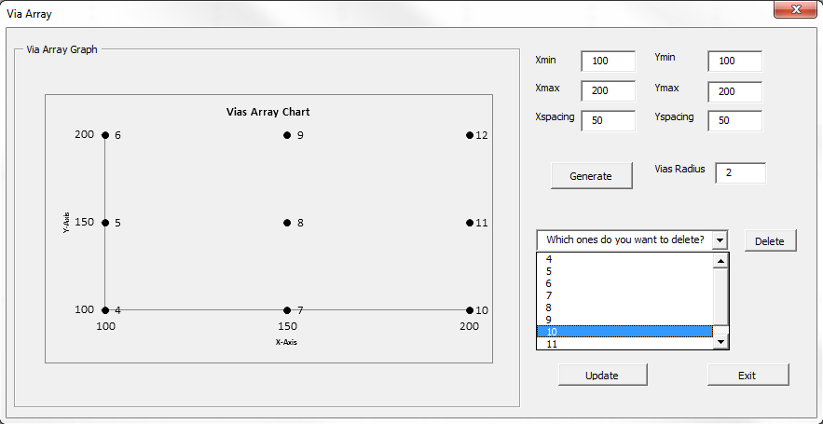

Generate: A graph of the Via array will show up. All vias are generated after the existing vias that are already defined on the sheet.
Delete: If there are any Vias that are not in at the desired location or if extra vias are generated, users can select the via number from the drop down list, then click the "Delete" button to delete a selected via. Then hit "UPDATE", a new graph will be shown and the via numbers and coordinates will be automatically updated.
Update: After deletion of any via generated through the Via Array, a new graph, via numbers and via locations will be automatically updated.
Exit: To leave/close this userform window.

The Traces tab allows the definition of signaling traces between via pads on the same metal layer.
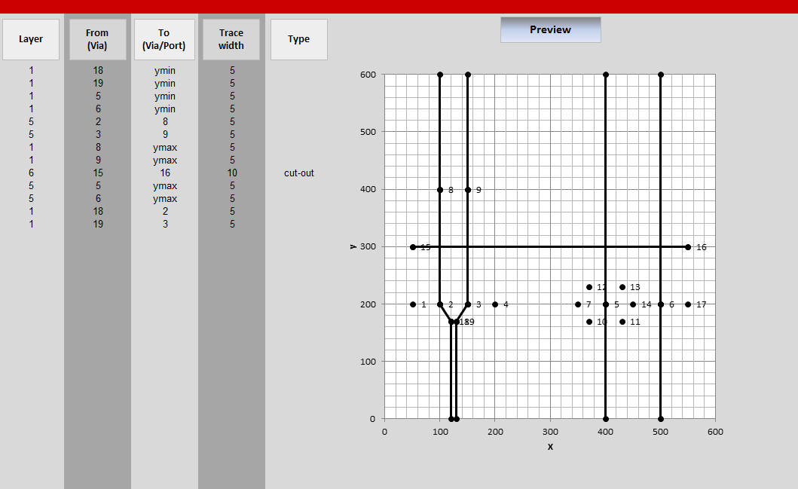

Layer

This column specifies the number of the metal layer where the trace is to be created. This number must be within the range defined on the "Layer" column of the Stackup tab.

From (Via)

The From (Via) column specifies the number of the starting via where the trace will be attached. This number must be within the range defined on the "Number" column of the Vias tab.

To (Via)

The To (Via) column specifies either the number of the ending via where the trace will be attached or one of the sides of the structure (xmin, xmax, ymin, ymax) where a port is placed. In the former case, the via number must be within the range defined in the "Number" column of the Vias tab. In the latter case, ports are added automatically.

Trace Width

This column specifies the BOTTOM width of the trace to be created in all cases.

Type

The via wizard incorporates the capability of creating cut-outs on solid GND planes. Only cut-outs between vias are supported. This column indicates if the row definition is for a trace or a cut-out.

Preview

This column provides a 2D Grid view of the vias, with each point and its corresponding label denoting the via position in the layout.

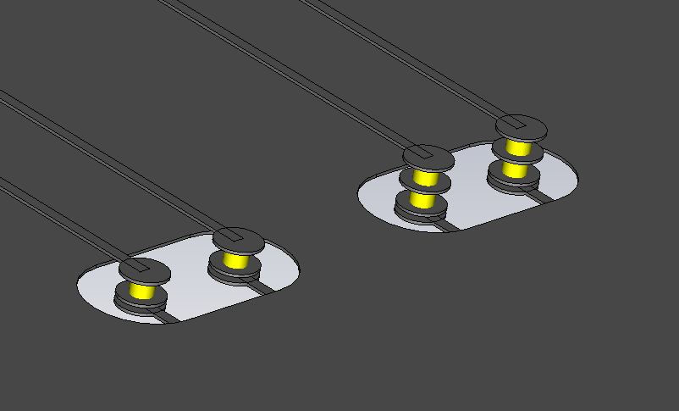
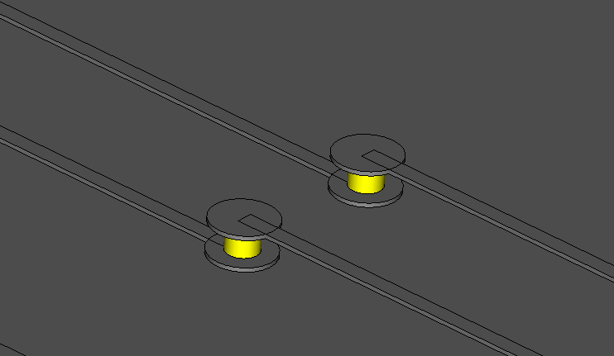
Examples
Staggered Vias Differential Vias Buried Via
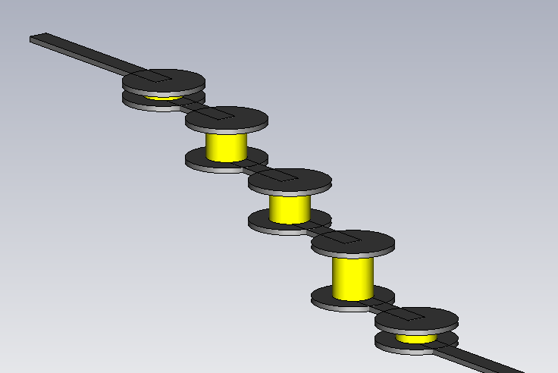

Combine Configs

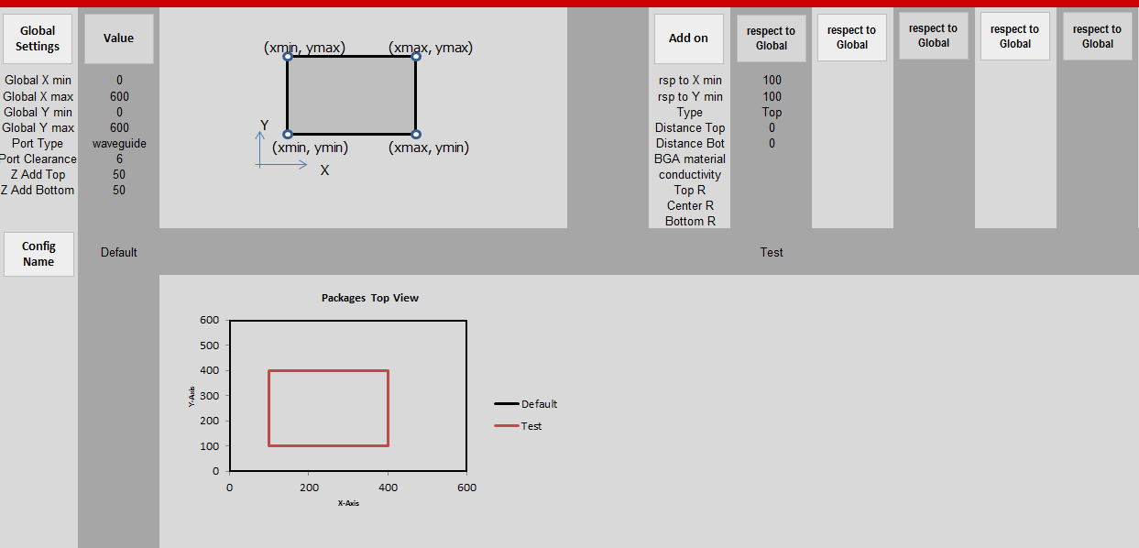
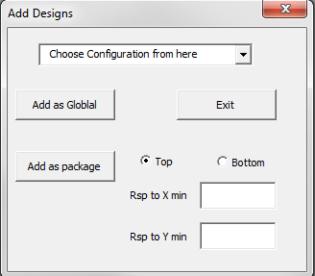

Add as Global

Choose an existing configuration as PCB (global reference). The general information of the PCB will be copied into this new sheet in the left 2 columns.

Add as Package

Allows the user to add packages on the top or bottom of the PCB. The relative location of the Xmin and Ymin of the package need to be indicated with respect to the global PCB Xmin and Ymin. (The PCB needs to be added before the packages) Then a top down projection view provides a preview of the locations of the packages on the PCB.
If a package is located on the bottom of the PCB, the package will be flipped upside down. The parameter are indicated as below:

Please NOTE: Ports deinfition is currently only available for the global PCB and not for packages. Please manually define ports for packages in the CST MICROWAVE STUDIO model.

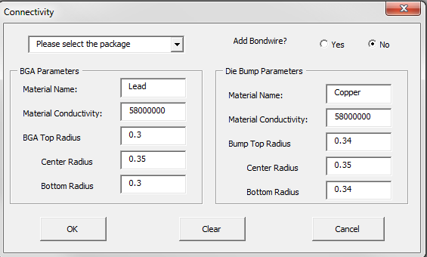
Connectivity

After adding the packages, the package name can be selected from the drop down list. Then enter the BGA and Die Bump parameters.

Bondwire:

If the Bondwire option selected as "YES", a new sheet is loaded to input the Bondwire parameters.

Bondwire Number

This colunm specifies a number for every bondwire. It is recommended to number the bondwires sequentially from top to bottow row.

From (Pack_#)

This column specifies the package number that the bondwire is connected from. The numbering is from 1 upto the number of packages added in the Combine Configs sheet. Note: This feature only supports packages located on the top of PCB.

From (Via #)

This column specifies the number of the starting via where the bondwire is connected from. This number must be within the range of the defined package vias. And the number needs to be consistent in order for the bondwire to connect to the correct vias.

To PCB (Via #)

This column specifies the number of the ending via where the bondwire connects to. This number must be within the range of the defined PCB vias. And the number needs to be consistent in order for the bondwire to connect to the correct vias.

Type

There are 3 different types of bondwires supported in CST STUDIO SUITE (Spline, JEDEC4 and JEDEC5).
For JEDEC5, users can edit the alpha and beta angle parameters in the CST MICROWAVE STUDIO model.

Radius

This colunm specifies the bondwire radius.

Height

This column specifies the bondwire height.

Specials
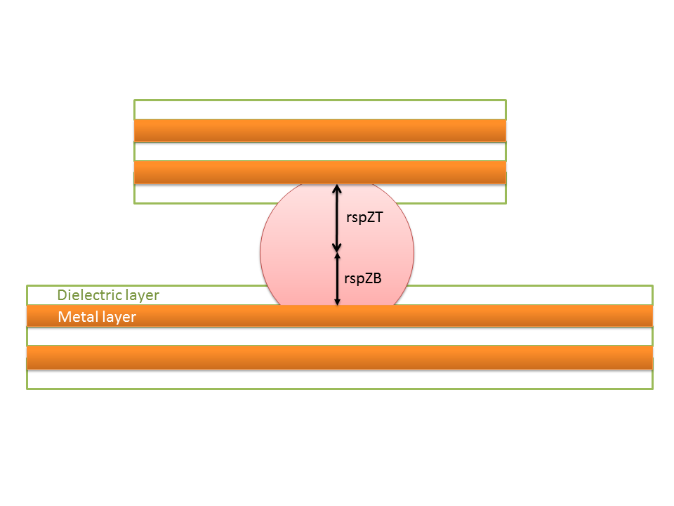

The rspZT and rspZB parameters are automatcically calculated based on the specified radius value.

Pack
C S T V I A W I Z A R D
v3.0(July 2015)
Help

Load Configuration
Combine Configs
Connectivity
Generate Multiples

Global
Settings
Value
X
Y
(xmin, ymin)
(xmax, ymin)
(xmin, ymax)
(xmax, ymax)
Add on
respect to Global
respect to Global
respect to Global
respect to Global
respect to Global
Global X min | 0 | rsp to X min | 50 | 50
Global X max | 600 | rsp to Y min | 50 | 50
Global Y min | 0 | Type | Top | Bottom
Global Y max | 600 | Distance Top | 0 | 0
Port Type | waveguide | Distance Bot | 0 | 0
Port Clearance | 6 | BGA material
Z Add Top | 50 | conductivity
Z Add Bottom | 50 | Top R
 |  | Center R
 |  | Bottom R
Config
Name
 | Default |  | Test | Test

Packages Top View
 | Default |  | Test |  | Test
0 | 0 | 50 | 50 | 50 | -250
0 | 600 | 50 | 350 | 50 | 50
600 | 600 | 350 | 350 | 350 | 50
600 | 0 | 350 | 50 | 350 | -250
0 | 0 | 50 | 50 | 50 | -250

Default_General
C S T V I A W I Z A R D
v3.0(July 2015)
Help

General
Stackup
Padstack
Vias
Traces
Generate
Load Configuration
Combine Configs

General
Settings
Value
X
Y
(xmin, ymin)
(xmax, ymin)
(xmin, ymax)
(xmax, ymax)
X min | 0
X max | 600
Y min | 0
Y max | 600
Port Type | waveguide
Port Clearance | 6
Z Add Top | 50
Z Add Bottom | 50

Default_Stackup
C S T V I A W I Z A R D
Help

General
Stackup
Padstack
Vias
Traces
Generate
Load Configuration
Combine Configs

Material-
name
Signal/ GND
Layer
Thickness
Dk
Loss tan
Conductivity
Metal Etch Factor
 | D9 | D10 | D11 | D12 | D13 | D14 | D15 | D16 | D17 | D18 | D19 | D20
 |  | 5 | 1.3 | 5 | 1.3 | 8 | 1.3 | 8 | 1.3 | 12 | 1.3 | 12
Preview
Air |  | Dielectric | 5 | 1 | 0
sig1 | S | 1 | 1.3 | 1 | 0 | 58000000 | 0
FR41 |  | Dielectric | 4 | 4.9 | 0.02
GND1 | G | 2 | 1.3 | 4.9 | 0.02 | 58000000 | 0
FR42 |  | Dielectric | 8 | 4.9 | 0.02
sig2 | S | 3 | 1.3 | 4.9 | 0.02 | 58000000 | 0
FR43 |  | Dielectric | 8 | 4.9 | 0.02
GND2 | G | 4 | 1.3 | 4.9 | 0.02 | 58000000 | 0
FR44 |  | Dielectric | 12 | 4.9 | 0.02
sig3 | S | 5 | 1.3 | 4.9 | 0.02 | 58000000 | 0
FR45 |  | Dielectric | 12 | 4.9 | 0.02
sig4 | G | 6 | 1.3 | 4.9 | 0.02 | 58000000 | 0
FR46 |  | Dielectric | 8 | 4.9 | 0.02
sig5 | S | 7 | 1.3 | 4.9 | 0.02 | 58000000 | 0
FR47 |  | Dielectric | 8 | 4.9 | 0.02
sig6 | G | 8 | 1.3 | 4.9 | 0.02 | 58000000 | 0
FR48 |  | Dielectric | 5 | 4.9 | 0.02
sig7 | S | 9 | 1.3 | 1 | 0 | 58000000 | 0
Air1 |  | Dielectric | 5 | 1 | 0

Default_Padstack
C S T V I A W I Z A R D
Help

General
Stackup
Padstack
Vias
Traces
Generate
Load Configuration
Combine Configs

Number
Layer
Pad
Radius
Antipad
Radius
Pad
Type
Antipad Type
Offset
x
Offset
y
Padstack Manager
1 | 1 | 5 | 0 | Circular | Circular | 0 | 0
1 | 2 | 5 | 0 | Circular | Circular | 0 | 0
1 | 3 | 5 | 0 | Circular | Circular | 0 | 0
1 | 4 | 5 | 0 | Circular | Circular | 0 | 0
1 | 5 | 5 | 0 | Circular | Circular | 0 | 0
1 | 6 | 5 | 0 | Circular | Circular | 0 | 0
1 | 7 | 5 | 0 | Circular | Circular | 0 | 0
1 | 8 | 5 | 0 | Circular | Circular | 0 | 0
1 | 9 | 5 | 0 | Circular | Circular | 0 | 0
2 | 1 | 10 | 25 | Circular | Circular | 0 | 0
2 | 2 | 10 | 25 | Circular | Circular | 0 | 0
2 | 3 | 10 | 25 | Circular | Circular | 0 | 0
2 | 4 | 10 | 25 | Circular | Circular | 0 | 0
2 | 5 | 10 | 25 | Circular | Circular | 0 | 0
2 | 6 | 10 | 25 | Circular | Circular | 0 | 0
2 | 7 | 10 | 25 | Circular | Circular | 0 | 0
2 | 8 | 10 | 25 | Circular | Circular | 0 | 0
2 | 9 | 10 | 25 | Circular | Circular | 0 | 0
3 | 1 | 2.5 | 0 | Circular | Circular | 0 | 0

Default_Vias
C S T V I A W I Z A R D
Help

General
Stackup
Padstack
Vias
Traces
Generate
Load Configuration
Combine Configs

Number
Via
Radius
x
Differential via Pair #
y
Remove non func.
Padstack#
Backdrill Top
Backdrill Bottom
Plating Thickness
Preview
Via Array
1 | 5 | 50 | 200 |  | no | 1 | 0 | 0 | 0
2 | 5 | 100 | 200 | 1 | yes | 2 | 0 | 0 | 0
3 | 5 | 150 | 200 | 1 | yes | 2 | 0 | 0 | 0
4 | 5 | 200 | 200 |  | no | 1 | 0 | 0 | 0
5 | 5 | 400 | 200 |  | yes | 2 | 0 | 0 | 0
6 | 5 | 500 | 200 |  | yes | 2 | 0 | 0 | 0
7 | 5 | 350 | 200 |  | no | 1 | 0 | 0 | 0
8 | 5 | 100 | 400 | 2 | yes | 2 | 0 | 0 | 0
9 | 5 | 150 | 400 | 2 | yes | 2 | 0 | 0 | 0
10 | 5 | 370 | 170 |  | no | 1 | 0 | 0 | 0
11 | 5 | 430 | 170 |  | no | 1 | 0 | 0 | 0
12 | 5 | 370 | 230 |  | no | 1 | 0 | 0 | 0
13 | 5 | 430 | 230 |  | no | 1 | 0 | 0 | 0
14 | 5 | 450 | 200 |  | no | 1 | 0 | 0 | 0
15 | 5 | 50 | 300 |  | yes | 1 | 0 | 0 | 0
16 | 5 | 550 | 300 |  | yes | 1 | 0 | 0 | 0
17 | 5 | 550 | 200 |  | no | 1 | 0 | 0 | 0
18 | 2.5 | 120 | 170 |  | no | 3 | 0 | 0 | 0
19 | 2.5 | 130 | 170 |  | no | 3 | 0 | 0 | 0

Default_Traces
C S T V I A W I Z A R D
Help
Back to Package

General
Stackup
Padstack
Vias
Traces
Generate
Load Configuration
Combine Configs

Layer
From (Via)
To (Via/Port)
Trace width
Type
Preview
 | 1 |  | 2 |  | 3 |  | 4 |  | 5 |  | 6 |  | 7 |  | 8 |  | 9 |  | 10 |  | 11 |  | 12
50 | 200 | 100 | 200 | 150 | 200 | 200 | 200 | 400 | 200 | 500 | 200 | 350 | 200 | 100 | 400 | 150 | 400 | 370 | 170 | 430 | 170 | 370 | 230
1 | 18 | ymin | 5
1 | 19 | ymin | 5
1 | 5 | ymin | 5
1 | 6 | ymin | 5
5 | 2 | 8 | 5
5 | 3 | 9 | 5
1 | 8 | ymax | 5
1 | 9 | ymax | 5
6 | 15 | 16 | 10 | cut-out
5 | 5 | ymax | 5
5 | 6 | ymax | 5
1 | 18 | 2 | 5
1 | 19 | 3 | 5

Default_G
C S T V I A W I Z A R D
v3.0(July 2015)
Help

General
Stackup
Padstack
Vias
Traces
Generate
Load Configuration
Combine Configs

General
Settings
Value
X
Y
(xmin, ymin)
(xmax, ymin)
(xmin, ymax)
(xmax, ymax)
X min | 0
X max | 300
Y min | 0
Y max | 300
Port Type | waveguide
Port Clearance | 6
Z Add Top | 50
Z Add Bottom | 50

Default_S
C S T V I A W I Z A R D
Help

General
Stackup
Padstack
Vias
Traces
Generate
Load Configuration
Combine Configs

Material-
name
Signal/ GND
Layer
Thickness
Dk
Loss tan
Conductivity
Metal Etch Factor
Preview
Air |  | Dielectric | 5 | 1 | 0
sig1 | S | 1 | 1.3 | 1 | 0 | 58000000 | 0
FR41 |  | Dielectric | 4 | 4.9 | 0.02
GND1 | G | 2 | 1.3 | 4.9 | 0.02 | 58000000 | 0
FR42 |  | Dielectric | 8 | 4.9 | 0.02
sig2 | S | 3 | 1.3 | 4.9 | 0.02 | 58000000 | 0
Air |  | Dielectric | 5 | 1 | 0

Default_P
C S T V I A W I Z A R D
Help

General
Stackup
Padstack
Vias
Traces
Generate
Load Configuration
Combine Configs

Number
Layer
Pad
Radius
Antipad
Radius
Pad
Type
Antipad Type
Offset
x
Offset
y
Padstack Manager
1 | 1 | 5 | 0 | Circular | Circular | 0 | 0
1 | 2 | 5 | 0 | Circular | Circular | 0 | 0
1 | 3 | 5 | 0 | Circular | Circular | 0 | 0
2 | 1 | 10 | 25 | Circular | Circular | 0 | 0
2 | 2 | 10 | 25 | Circular | Circular | 0 | 0

Default_V
C S T V I A W I Z A R D
Help

General
Stackup
Padstack
Vias
Traces
Generate
Load Configuration
Combine Configs

Number
Via
Radius
x
Differential via Pair #
y
Remove non func.
Padstack#
Backdrill Top
Backdrill Bottom
Plating Thickness
Preview
Via Array
 | 1 |  | 2 |  | 3 |  | 4
50 | 200 | 100 | 200 | 150 | 200
1 | 5 | 50 | 200 |  | no | 1 | 0 | 0 | 0
2 | 5 | 100 | 200 | 1 | yes | 2 | 0 | 0 | 0
3 | 5 | 150 | 200 | 1 | yes | 2 | 0 | 0 | 0

Default_T
C S T V I A W I Z A R D
Help
Back to Package

General
Stackup
Padstack
Vias
Traces
Generate
Load Configuration
Combine Configs

Layer
From (Via)
To (Via/Port)
Trace width
Type
Preview
 | 1 |  | 2 |  | 3 |  | 4
50 | 200 | 100 | 200 | 150 | 200 | 200 | 200
1 | 1 | ymin | 5
1 | 1 | 2 | 5
1 | 2 | 3 | 10 | cut-out
1 | 3 | ymax | 5

Bondwire
C S T V I A W I Z A R D
Help

Load Configuration
Back to Package

Bondwire Number
From (Pack_#)
From (Via)
To PCB (Via)
Type
Radius
Height

Default_Bondwire
C S T V I A W I Z A R D
Help

Load Configuration
Back to Package

Bondwire Number
From (Pack_#)
From (Via)
To PCB (Via)
Type
Radius
Height

DefaultPack
C S T V I A W I Z A R D
v3.0(July 2015)
Help

Load Configuration
Combine Configs
Connectivity
Generate Multiples

Global
Settings
Value
X
Y
(xmin, ymin)
(xmax, ymin)
(xmin, ymax)
(xmax, ymax)
Add on
respect to Global
respect to Global
respect to Global
respect to Global
respect to Global
Global X min | rsp to X min
Global X max | rsp to Y min
Global Y min | Type
Global Y max | Distance Top
Port Type | Distance Bot
Port Clearance | BGA material
Z Add Top | conductivity
Z Add Bottom | Top R
 | Center R
 | Bottom R
Config
Name

Packages Top View

