Microplate End point
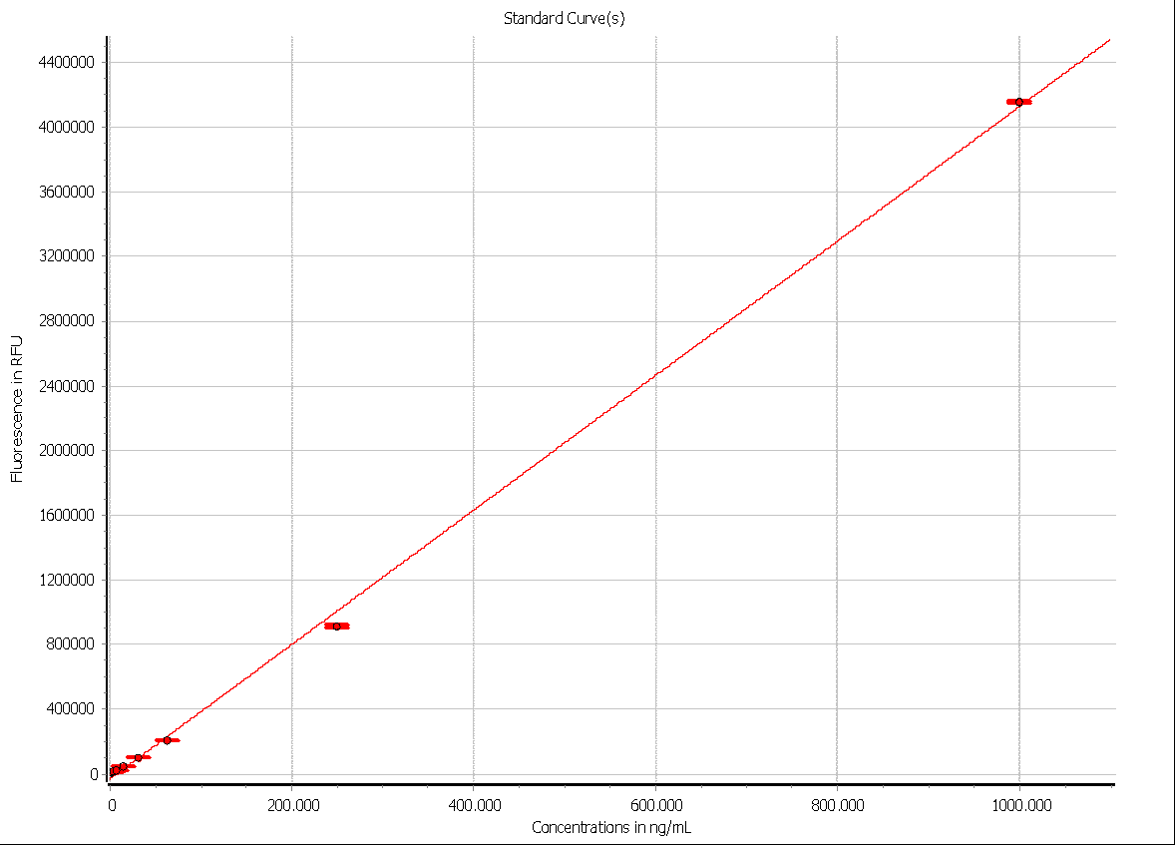
User: user
Path: C:\Program Files (x86)\BMG\SMART Control\user\Data
Test ID: 9
Test Name: Quant-iT_96 Pico/RiboGreen
Date: 11/6/2024
Time: 12:40:59 PM
ID1: RiboGreen NB-user-5097655-0067
ID2: 11/6/2024,12:40:58 PM
ID3: Plate 3
Fluorescence (FI)

 | 1. Layout
 | 1 | 2 | 3 | 4 | 5 | 6 | 7 | 8 | 9 | 10 | 11 | 12 | Plate: NUNC 96
A | S1 | S1 | S1 | X1 | X1 | X1 | X9 | X9 | X9
B | S2 | S2 | S2 | X2 | X2 | X2 | X10 | X10 | X10
C | S3 | S3 | S3 | X3 | X3 | X3 | X11 | X11 | X11
D | S4 | S4 | S4 | X4 | X4 | X4 | X12 | X12 | X12
E | S5 | S5 | S5 | X5 | X5 | X5 | X13 | X13 | X13
F | S6 | S6 | S6 | X6 | X6 | X6 | X14 | X14 | X14
G | S7 | S7 | S7 | X7 | X7 | X7 | X15 | X15 | X15
H | S8 | S8 | S8 | X8 | X8 | X8 | X16 | X16 | X16 | B | B | B

 | 2. Standard Concentrations in ng/mL
 | 1 | 2 | 3 | 4 | 5 | 6 | 7 | 8 | 9 | 10 | 11 | 12 | Plate: NUNC 96
A | 1000 | 1000 | 1000
B | 250 | 250 | 250
C | 62.5 | 62.5 | 62.5
D | 31.3 | 31.3 | 31.3
E | 15.6 | 15.6 | 15.6
F | 7.81 | 7.81 | 7.81
G | 3.91 | 3.91 | 3.91
H | 1.95 | 1.95 | 1.95

 | 3. Dilutions
 | 1 | 2 | 3 | 4 | 5 | 6 | 7 | 8 | 9 | 10 | 11 | 12 | Plate: NUNC 96
A | 1 | 1 | 1 | 500 | 500 | 500 | 500 | 500 | 500
B | 1 | 1 | 1 | 1000 | 1000 | 1000 | 1000 | 1000 | 1000
C | 1 | 1 | 1 | 500 | 500 | 500 | 500 | 500 | 500
D | 1 | 1 | 1 | 1000 | 1000 | 1000 | 1000 | 1000 | 1000
E | 1 | 1 | 1 | 500 | 500 | 500 | 500 | 500 | 500
F | 1 | 1 | 1 | 1000 | 1000 | 1000 | 1000 | 1000 | 1000
G | 1 | 1 | 1 | 500 | 500 | 500 | 500 | 500 | 500
H | 1 | 1 | 1 | 1000 | 1000 | 1000 | 1000 | 1000 | 1000 | 1 | 1 | 1

 | 4. Raw Data (480-14/520-30)
 | 1 | 2 | 3 | 4 | 5 | 6 | 7 | 8 | 9 | 10 | 11 | 12
A | 4180171 | 4192572 | 4175643 | 141150 | 140118 | 143423 | 137265 | 139562 | 141466
B | 936573 | 948872 | 949879 | 139209 | 138340 | 141608 | 124794 | 120938 | 127622
C | 245118 | 240450 | 240701 | 133411 | 131535 | 133959 | 120802 | 122105 | 122885
D | 129834 | 128890 | 128195 | 111199 | 110793 | 114035 | 100602 | 100254 | 101906
E | 78921 | 78180 | 77794 | 112599 | 111393 | 112301 | 110545 | 112584 | 115467
F | 52612 | 52609 | 52434 | 113039 | 111491 | 113683 | 110460 | 111989 | 114746
G | 43280 | 42331 | 42187 | 112467 | 108916 | 111612 | 126789 | 128907 | 128631
H | 39170 | 37170 | 36681 | 113589 | 112104 | 114436 | 124840 | 123179 | 125179 | 33324 | 32795 | 32522

 | 5. Blank corrected based on Raw Data (480-14/520-30)
 | 1 | 2 | 3 | 4 | 5 | 6 | 7 | 8 | 9 | 10 | 11 | 12 | Average of all blanks used | 32880
A | 4147291 | 4159692 | 4142763 | 108270 | 107238 | 110543 | 104385 | 106682 | 108586
B | 903693 | 915992 | 916999 | 106329 | 105460 | 108728 | 91914 | 88058 | 94742 |  |  |  | Used correction value(s):
C | 212238 | 207570 | 207821 | 100531 | 98655 | 101079 | 87922 | 89225 | 90005 |  |  |  | Blank 32880.333333333
D | 96954 | 96010 | 95315 | 78319 | 77913 | 81155 | 67722 | 67374 | 69026
E | 46041 | 45300 | 44914 | 79719 | 78513 | 79421 | 77665 | 79704 | 82587
F | 19732 | 19729 | 19554 | 80159 | 78611 | 80803 | 77580 | 79109 | 81866
G | 10400 | 9451 | 9307 | 79587 | 76036 | 78732 | 93909 | 96027 | 95751
H | 6290 | 4290 | 3801 | 80709 | 79224 | 81556 | 91960 | 90299 | 92299

Table End point

User: user
Path: C:\Program Files (x86)\BMG\SMART Control\user\Data
Test ID: 9
Test Name: Quant-iT_96 Pico/RiboGreen
Date: 11/6/2024
Time: 12:40:59 PM
ID1: RiboGreen NB-user-5097655-0067
ID2: 11/6/2024,12:40:58 PM
ID3: Plate 3
Fluorescence (FI)

Well | A01 | A02 | A03 | A04 | A05 | A06 | A07 | A08 | A09 | B01 | B02 | B03 | B04 | B05 | B06 | B07 | B08 | B09 | C01 | C02 | C03 | C04 | C05 | C06 | C07 | C08 | C09 | D01 | D02 | D03 | D04 | D05 | D06 | D07 | D08 | D09 | E01 | E02 | E03 | E04 | E05 | E06 | E07 | E08 | E09 | F01 | F02 | F03 | F04 | F05 | F06 | F07 | F08 | F09 | G01 | G02 | G03 | G04 | G05 | G06 | G07 | G08 | G09 | H01 | H02 | H03 | H04 | H05 | H06 | H07 | H08 | H09 | H10 | H11 | H12
Content | Standard S1 | Standard S1 | Standard S1 | Sample X1 | Sample X1 | Sample X1 | Sample X9 | Sample X9 | Sample X9 | Standard S2 | Standard S2 | Standard S2 | Sample X2 | Sample X2 | Sample X2 | Sample X10 | Sample X10 | Sample X10 | Standard S3 | Standard S3 | Standard S3 | Sample X3 | Sample X3 | Sample X3 | Sample X11 | Sample X11 | Sample X11 | Standard S4 | Standard S4 | Standard S4 | Sample X4 | Sample X4 | Sample X4 | Sample X12 | Sample X12 | Sample X12 | Standard S5 | Standard S5 | Standard S5 | Sample X5 | Sample X5 | Sample X5 | Sample X13 | Sample X13 | Sample X13 | Standard S6 | Standard S6 | Standard S6 | Sample X6 | Sample X6 | Sample X6 | Sample X14 | Sample X14 | Sample X14 | Standard S7 | Standard S7 | Standard S7 | Sample X7 | Sample X7 | Sample X7 | Sample X15 | Sample X15 | Sample X15 | Standard S8 | Standard S8 | Standard S8 | Sample X8 | Sample X8 | Sample X8 | Sample X16 | Sample X16 | Sample X16 | Blank B | Blank B | Blank B
Standard Concentrations [ng/mL] | 1000 | 1000 | 1000 |  |  |  |  |  |  | 250 | 250 | 250 |  |  |  |  |  |  | 62.5 | 62.5 | 62.5 |  |  |  |  |  |  | 31.3 | 31.3 | 31.3 |  |  |  |  |  |  | 15.6 | 15.6 | 15.6 |  |  |  |  |  |  | 7.81 | 7.81 | 7.81 |  |  |  |  |  |  | 3.91 | 3.91 | 3.91 |  |  |  |  |  |  | 1.95 | 1.95 | 1.95
Dilutions | 1 | 1 | 1 | 500 | 500 | 500 | 500 | 500 | 500 | 1 | 1 | 1 | 1000 | 1000 | 1000 | 1000 | 1000 | 1000 | 1 | 1 | 1 | 500 | 500 | 500 | 500 | 500 | 500 | 1 | 1 | 1 | 1000 | 1000 | 1000 | 1000 | 1000 | 1000 | 1 | 1 | 1 | 500 | 500 | 500 | 500 | 500 | 500 | 1 | 1 | 1 | 1000 | 1000 | 1000 | 1000 | 1000 | 1000 | 1 | 1 | 1 | 500 | 500 | 500 | 500 | 500 | 500 | 1 | 1 | 1 | 1000 | 1000 | 1000 | 1000 | 1000 | 1000 | 1 | 1 | 1
Raw Data (480-14/520-30) | 4180171 | 4192572 | 4175643 | 141150 | 140118 | 143423 | 137265 | 139562 | 141466 | 936573 | 948872 | 949879 | 139209 | 138340 | 141608 | 124794 | 120938 | 127622 | 245118 | 240450 | 240701 | 133411 | 131535 | 133959 | 120802 | 122105 | 122885 | 129834 | 128890 | 128195 | 111199 | 110793 | 114035 | 100602 | 100254 | 101906 | 78921 | 78180 | 77794 | 112599 | 111393 | 112301 | 110545 | 112584 | 115467 | 52612 | 52609 | 52434 | 113039 | 111491 | 113683 | 110460 | 111989 | 114746 | 43280 | 42331 | 42187 | 112467 | 108916 | 111612 | 126789 | 128907 | 128631 | 39170 | 37170 | 36681 | 113589 | 112104 | 114436 | 124840 | 123179 | 125179 | 33324 | 32795 | 32522
Blank corrected based on Raw Data (480-14/520-30) | 4147291 | 4159692 | 4142763 | 108270 | 107238 | 110543 | 104385 | 106682 | 108586 | 903693 | 915992 | 916999 | 106329 | 105460 | 108728 | 91914 | 88058 | 94742 | 212238 | 207570 | 207821 | 100531 | 98655 | 101079 | 87922 | 89225 | 90005 | 96954 | 96010 | 95315 | 78319 | 77913 | 81155 | 67722 | 67374 | 69026 | 46041 | 45300 | 44914 | 79719 | 78513 | 79421 | 77665 | 79704 | 82587 | 19732 | 19729 | 19554 | 80159 | 78611 | 80803 | 77580 | 79109 | 81866 | 10400 | 9451 | 9307 | 79587 | 76036 | 78732 | 93909 | 96027 | 95751 | 6290 | 4290 | 3801 | 80709 | 79224 | 81556 | 91960 | 90299 | 92299

