Report
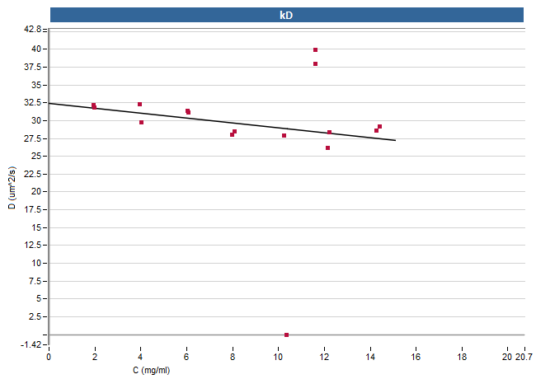
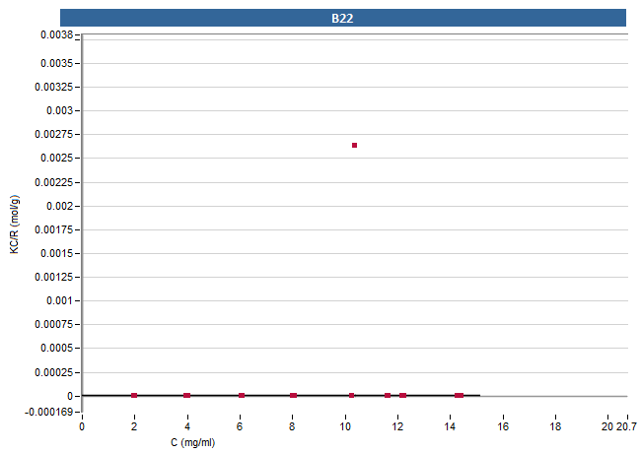
Report

Info
Date | 23/05/2025 11:10:10
Test performed by | admin
Instrument | 1234
Software version | 8.2.0.259
Client version | 8.2.1.278
Experiment name | method
Application | B22 & kD (8.2.0.3)
Blanks | Sample group '0': On Plate/Chip: blank_A3, blank_A4
 | Sample group 'ADC': None (autoblank)
 | Sample group 'error': None (autoblank)
 | Sample group '3': Empty samplegroup
 | Sample group '4': Empty samplegroup
 | Sample group '5': Empty samplegroup
 | Sample group '6': Empty samplegroup
 | Sample group '7': Empty samplegroup
 | Sample group '50mM NaOAc, pH 5.5': On Plate/Chip: blank_G1, blank_G2
 | Sample group 'reference': None (autoblank)
Plate type | Stunner Plate
Nr of Plates | 1
 | - Plate 1

Table
Plate ID | Plate Position | Sample name | Sample group | Pump | Analyte | Buffer | Concentration (mg/ml) | Z Ave. Dia (nm) | PdI | SD Dia (nm) | Diffusion coefficient (um^2/s) | Peak of Interest Mean Dia (nm) | Peak of Interest Mode Dia (nm) | Peak of Interest Est. MW (kDa) | Peak of Interest Intensity (%) | Peak of Interest Mass (%) | Peak of Interest Diffusion coefficient (um^2/s) | Peak 1 Mean Dia (nm) | Peak 1 Mode Dia (nm) | Peak 1 Est. MW (kDa) | Peak 1 Intensity (%) | Peak 1 Mass (%) | Peak 2 Mean Dia (nm) | Peak 2 Mode Dia (nm) | Peak 2 Est. MW (kDa) | Peak 2 Intensity (%) | Peak 2 Mass (%) | Derived intensity (cps) | Rayleigh ratio R (cm^-1) | Optical contrast constant K (m^2 mol kg^-2) | kD (ml/g) | B22 (ml.mol/g^2) | Diameter @ C=0 (nm) | Molecular weight (kDa) | kD linear fit | kD goodness of fit | B22 linear fit | B22 goodness of fit | Temperature (°C) | Viscosity at T (cP) | RI at T | Viscosity at 20°C (cP) | RI at 20°C | E1% | A280 | Background (A280) | Acquisition time (s) | Number of acquisitions | Number of acquisitions used | Acquisition filtering | KC/R (mol/g) | Plate type
Plate 1 | G1 | blank_G1 | 50mM NaOAc, pH 5.5 | 0 | N/A | PBS | N/A | N/A | N/A | N/A | N/A | 0 | 0 | 0 | 0 | 0 | 0 | N/A | N/A | N/A | N/A | N/A | N/A | N/A | N/A | N/A | N/A | 45890 | 0.000000288 | 0.00002104 | N/A | N/A | N/A | N/A | y = NaNx + NaN | N/A | y = NaNx + NaN | N/A | 27.4 | 0.839 | 1.334 | 1.002 | 1.334 | N/A | 0 | 0 | 5 | 4 | 3 | automatic | N/A | Stunner Plate
Plate 1 | H1 | reference_H1 | reference | 0 | 1 | PBS | 11.62 | 15.4 | 0.12 | 5.41 | 27.82 | 11.31 | 11.23 | 173 | 78.3 | 100 | 37.9 | 11.31 | 11.23 | 173 | 78.3 | 100 | 721.08 | 724.71 | 4620000 | 21.7 | 0.00104 | 10175210 | 0.0002869 | 0.00002104 | N/A | N/A | N/A | N/A | y = NaNx + NaN | N/A | y = NaNx + NaN | N/A | 27.39 | 0.839 | 1.334 | 1.002 | 1.334 | 13.7 | 15.92 | 0 | 5 | 4 | 2 | automatic | 0.000008525 | Stunner Plate
Plate 1 | G2 | blank_G2 | 50mM NaOAc, pH 5.5 | 0 | N/A | PBS | N/A | N/A | N/A | N/A | N/A | 0 | 0 | 0 | 0 | 0 | 0 | N/A | N/A | N/A | N/A | N/A | N/A | N/A | N/A | N/A | N/A | 25460 | 0 | 0.00002104 | N/A | N/A | N/A | N/A | y = NaNx + NaN | N/A | y = NaNx + NaN | N/A | 27.4 | 0.839 | 1.334 | 1.002 | 1.334 | N/A | -0.01 | 0.02 | 5 | 4 | 1 | automatic | N/A | Stunner Plate
Plate 1 | H2 | reference_H2 | reference | 0 | 1 | PBS | 11.6 | 21.88 | 0.09 | 6.48 | 19.59 | 10.72 | 10.66 | 149 | 74.3 | 100 | 39.97 | 10.72 | 10.66 | 149 | 74.3 | 100 | 481.85 | 483.5 | 1710000 | 25.7 | 0.00301 | 10403799 | 0.0002933 | 0.00002104 | N/A | N/A | N/A | N/A | y = NaNx + NaN | N/A | y = NaNx + NaN | N/A | 27.39 | 0.839 | 1.334 | 1.002 | 1.334 | 13.7 | 15.89 | 0.21 | 5 | 4 | 1 | automatic | 0.000008321 | Stunner Plate
Plate 1 | A3 | blank_A3 | 0 | 0 | N/A | PBS | N/A | N/A | N/A | N/A | N/A | 0 | 0 | 0 | 0 | 0 | 0 | N/A | N/A | N/A | N/A | N/A | N/A | N/A | N/A | N/A | N/A | 24920 | 0 | 0.00002104 | N/A | N/A | N/A | N/A | y = NaNx + NaN | N/A | y = NaNx + NaN | N/A | 27.37 | 0.839 | 1.334 | 1.002 | 1.334 | N/A | 0 | 0.02 | 5 | 4 | 2 | automatic | N/A | Stunner Plate
Plate 1 | B3 | sample_B3 | ADC | 0 | 1 | PBS | 1.94 | 27.19 | 0.14 | 10.17 | 15.76 | 13.3 | 13.23 | 254 | 67.8 | 100 | 32.23 | 13.3 | 13.23 | 254 | 67.8 | 100 | 462.71 | 460.88 | 1540000 | 32.2 | 0.00782 | 2058481 | 0.00005803 | 0.00002104 | -10.5 | 0.0000528 | 13.24 | 129 | y = -0.3398x + 32.37 | 0.9604 | y = 1.056E-7x + 7.767E-6 | 0.934 | 27.37 | 0.839 | 1.334 | 1.002 | 1.334 | 13.7 | 2.66 | 1.63 | 5 | 4 | 3 | automatic | 0.000007036 | Stunner Plate
Plate 1 | C3 | sample_C3 | ADC | 0 | 1 | PBS | 3.95 | 32.39 | 0.08 | 9.29 | 13.23 | 13.28 | 13.25 | 254 | 74.2 | 100 | 32.28 | 13.28 | 13.25 | 254 | 74.2 | 100 | 625.2 | 624.69 | 3240000 | 25.8 | 0.00272 | 3958616 | 0.0001116 | 0.00002104 | -10.5 | 0.0000528 | 13.24 | 129 | y = -0.3398x + 32.37 | 0.9604 | y = 1.056E-7x + 7.767E-6 | 0.934 | 27.39 | 0.839 | 1.334 | 1.002 | 1.334 | 13.7 | 5.41 | 3.37 | 5 | 4 | 2 | automatic | 0.000007451 | Stunner Plate
Plate 1 | D3 | sample_D3 | ADC | 0 | 1 | PBS | 6.03 | 13.97 | 0.1 | 4.37 | 30.67 | 13.65 | 13.14 | 255 | 91.4 | 99.9 | 31.4 | 13.65 | 13.14 | 255 | 91.4 | 99.9 | 79.75 | 79.69 | 20500 | 8.64 | 0.118 | 5272974.5 | 0.0001487 | 0.00002104 | -10.5 | 0.0000528 | 13.24 | 129 | y = -0.3398x + 32.37 | 0.9604 | y = 1.056E-7x + 7.767E-6 | 0.934 | 27.36 | 0.84 | 1.334 | 1.002 | 1.334 | 13.7 | 8.26 | 6.07 | 5 | 4 | 3 | automatic | 0.000008531 | Stunner Plate
Plate 1 | E3 | sample_E3 | ADC | 0 | 1 | PBS | 7.99 | 14.28 | 0.05 | 3.32 | 30 | 15.28 | 14.83 | 295 | 100 | 100 | 28.06 | 15.28 | 14.83 | 295 | 100 | 100 | N/A | N/A | N/A | N/A | N/A | 7120151.5 | 0.0002007 | 0.00002104 | -10.5 | 0.0000528 | 13.24 | 129 | y = -0.3398x + 32.37 | 0.9604 | y = 1.056E-7x + 7.767E-6 | 0.934 | 27.36 | 0.84 | 1.334 | 1.002 | 1.334 | 13.7 | 10.95 | 8.08 | 5 | 4 | 4 | automatic | 0.000008376 | Stunner Plate
Plate 1 | F3 | sample_F3 | ADC | 0 | 1 | PBS | 10.23 | 14.21 | 0.06 | 3.34 | 30.17 | 15.37 | 14.05 | 285 | 100 | 100 | 27.89 | 15.37 | 14.05 | 285 | 100 | 100 | N/A | N/A | N/A | N/A | N/A | 9085555 | 0.0002561 | 0.00002104 | -10.5 | 0.0000528 | 13.24 | 129 | y = -0.3398x + 32.37 | 0.9604 | y = 1.056E-7x + 7.767E-6 | 0.934 | 27.37 | 0.839 | 1.334 | 1.002 | 1.334 | 13.7 | 14.02 | 10.42 | 5 | 4 | 3 | automatic | 0.000008407 | Stunner Plate
Plate 1 | G3 | sample_G3 | ADC | 0 | 1 | PBS | 12.13 | 14.94 | 0.09 | 4.52 | 28.69 | 16.4 | 13.87 | 317 | 100 | 100 | 26.13 | 16.4 | 13.87 | 317 | 100 | 100 | N/A | N/A | N/A | N/A | N/A | 9312862 | 0.0002625 | 0.00002104 | -10.5 | 0.0000528 | 13.24 | 129 | y = -0.3398x + 32.37 | 0.9604 | y = 1.056E-7x + 7.767E-6 | 0.934 | 27.38 | 0.839 | 1.334 | 1.002 | 1.334 | 13.7 | 16.62 | 12.62 | 5 | 4 | 4 | automatic | 0.000009725 | Stunner Plate
Plate 1 | H3 | sample_H3 | ADC | 0 | 1 | PBS | 14.27 | 15.05 | 0.09 | 4.61 | 28.48 | 14.96 | 14.57 | 309 | 93.8 | 100 | 28.64 | 14.96 | 14.57 | 309 | 93.8 | 100 | 1486.98 | 1481.1 | 26400000 | 6.19 | 0.0000774 | 10699420 | 0.0003016 | 0.00002104 | -10.5 | 0.0000528 | 13.24 | 129 | y = -0.3398x + 32.37 | 0.9604 | y = 1.056E-7x + 7.767E-6 | 0.934 | 27.38 | 0.839 | 1.334 | 1.002 | 1.334 | 13.7 | 19.55 | 14.54 | 5 | 4 | 1 | automatic | 0.000009954 | Stunner Plate
Plate 1 | A4 | blank_A4 | 0 | 0 | N/A | PBS | N/A | N/A | N/A | N/A | N/A | 0 | 0 | 0 | 0 | 0 | 0 | N/A | N/A | N/A | N/A | N/A | N/A | N/A | N/A | N/A | N/A | 29710 | 6.758E-08 | 0.00002104 | N/A | N/A | N/A | N/A | y = NaNx + NaN | N/A | y = NaNx + NaN | N/A | 27.38 | 0.839 | 1.334 | 1.002 | 1.334 | N/A | -0.01 | 0 | 5 | 4 | 1 | automatic | N/A | Stunner Plate
Plate 1 | B4 | sample_B4 | ADC | 0 | 1 | PBS | 1.97 | 13.59 | 0.1 | 4.29 | 31.55 | 13.46 | 13.32 | 251 | 93.8 | 100 | 31.83 | 13.46 | 13.32 | 251 | 93.8 | 100 | 1168.56 | 1164.32 | 14900000 | 6.19 | 0.000111 | 1649768 | 0.00004651 | 0.00002104 | -10.5 | 0.0000528 | 13.24 | 129 | y = -0.3398x + 32.37 | 0.9604 | y = 1.056E-7x + 7.767E-6 | 0.934 | 27.36 | 0.84 | 1.334 | 1.002 | 1.334 | 13.7 | 2.7 | 1.67 | 5 | 4 | 3 | automatic | 0.000008927 | Stunner Plate
Plate 1 | C4 | sample_C4 | ADC | 0 | 1 | PBS | 4.02 | 13.43 | 0.07 | 3.51 | 31.92 | 14.39 | 14.3 | 265 | 100 | 100 | 29.78 | 14.39 | 14.3 | 265 | 100 | 100 | N/A | N/A | N/A | N/A | N/A | 3384549.75 | 0.00009542 | 0.00002104 | -10.5 | 0.0000528 | 13.24 | 129 | y = -0.3398x + 32.37 | 0.9604 | y = 1.056E-7x + 7.767E-6 | 0.934 | 27.36 | 0.84 | 1.334 | 1.002 | 1.334 | 13.7 | 5.5 | 3.39 | 5 | 4 | 4 | automatic | 0.000008858 | Stunner Plate
Plate 1 | D4 | sample_D4 | ADC | 0 | 1 | PBS | 6.08 | 13.87 | 0.08 | 3.89 | 30.9 | 13.76 | 13.58 | 265 | 94.7 | 100 | 31.16 | 13.76 | 13.58 | 265 | 94.7 | 100 | 498.08 | 496.4 | 1840000 | 5.31 | 0.000808 | 5180092.5 | 0.000146 | 0.00002104 | -10.5 | 0.0000528 | 13.24 | 129 | y = -0.3398x + 32.37 | 0.9604 | y = 1.056E-7x + 7.767E-6 | 0.934 | 27.37 | 0.839 | 1.334 | 1.002 | 1.334 | 13.7 | 8.33 | 6.07 | 5 | 4 | 3 | automatic | 0.000008764 | Stunner Plate
Plate 1 | E4 | sample_E4 | ADC | 0 | 1 | PBS | 8.08 | 13.94 | 0.07 | 3.68 | 30.75 | 15.07 | 13.52 | 266 | 100 | 100 | 28.44 | 15.07 | 13.52 | 266 | 100 | 100 | N/A | N/A | N/A | N/A | N/A | 7097528 | 0.0002001 | 0.00002104 | -10.5 | 0.0000528 | 13.24 | 129 | y = -0.3398x + 32.37 | 0.9604 | y = 1.056E-7x + 7.767E-6 | 0.934 | 27.37 | 0.839 | 1.334 | 1.002 | 1.334 | 13.7 | 11.06 | 8.13 | 5 | 4 | 3 | automatic | 0.000008492 | Stunner Plate
Plate 1 | F4 | sample_F4 | error | 1 | 1 | PBS | 10.36 | 143572.81 | 0.01 | 14355.76 | 0.002985 | 0 | 0 | 0 | 0 | 0 | 0 | N/A | N/A | N/A | N/A | N/A | N/A | N/A | N/A | N/A | N/A | 29280.25 | 8.255E-07 | 0.00002104 | N/A | N/A | N/A | N/A | y = NaNx + NaN | N/A | y = NaNx + NaN | N/A | 27.36 | 0.84 | 1.334 | 1.002 | 1.334 | 13.7 | 14.2 | 10.3 | 5 | 4 | 4 | automatic | 0.002642 | Stunner Plate
Plate 1 | G4 | sample_G4 | ADC | 0 | 1 | PBS | 12.23 | 14.12 | 0.06 | 3.41 | 30.36 | 15.11 | 14.95 | 289 | 100 | 100 | 28.37 | 15.11 | 14.95 | 289 | 100 | 100 | N/A | N/A | N/A | N/A | N/A | 10578216 | 0.0002982 | 0.00002104 | -10.5 | 0.0000528 | 13.24 | 129 | y = -0.3398x + 32.37 | 0.9604 | y = 1.056E-7x + 7.767E-6 | 0.934 | 27.36 | 0.84 | 1.334 | 1.002 | 1.334 | 13.7 | 16.76 | 12.32 | 5 | 4 | 4 | automatic | 0.000008632 | Stunner Plate
Plate 1 | H4 | sample_H4 | ADC | 0 | 1 | PBS | 14.42 | 14.21 | 0.05 | 3.16 | 30.17 | 14.68 | 14.16 | 291 | 100 | 100 | 29.2 | 14.68 | 14.16 | 291 | 100 | 100 | N/A | N/A | N/A | N/A | N/A | 12218994 | 0.0003445 | 0.00002104 | -10.5 | 0.0000528 | 13.24 | 129 | y = -0.3398x + 32.37 | 0.9604 | y = 1.056E-7x + 7.767E-6 | 0.934 | 27.38 | 0.839 | 1.334 | 1.002 | 1.334 | 13.7 | 19.75 | 14.5 | 5 | 4 | 3 | automatic | 0.000008807 | Stunner Plate

