Abs Resp - Baseline vs Cycle FC
Abs Resp - Baseline vs Cycle FC1

Data grouping | Flow cell

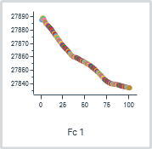

 |  |  |  | Analyte 1 | Capture baseline all
Cycle | Flow cell | Sensorgram type | Analysis step purpose | Solution | Absolute (RU)
1 | 1 | Reference | Startup | Buffer | 27887.7
2 | 1 | Reference | Analysis | Analyte A | 27889.1
3 | 1 | Reference | Analysis | Analyte A | 27888.9
4 | 1 | Reference | Analysis | Analyte A | 27887.6
5 | 1 | Reference | Analysis | Analyte A | 27886.0
6 | 1 | Reference | Analysis | Analyte A | 27884.7
7 | 1 | Reference | Analysis | Analyte A | 27884.1
8 | 1 | Reference | Analysis | Analyte A | 27883.5
9 | 1 | Reference | Analysis | Analyte A | 27882.8
10 | 1 | Reference | Analysis | Analyte A | 27882.2

Blank subtraction | No

Molecular weight adjustment | No

Capture/ligand adjustment | No

Adjustment for controls | No

Curve analysis | No

Abs Resp - Stability vs Cycle F
Abs Resp - Stability vs Cycle FC1

Data grouping | Flow cell

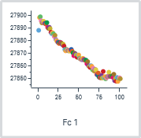

 |  |  |  | Analyte 1 | Analyte stability early_1
Cycle | Flow cell | Sensorgram type | Analysis step purpose | Solution | Absolute (RU)
1 | 1 | Reference | Startup | Buffer | 27888.2
2 | 1 | Reference | Analysis | Analyte A | 27898.3
3 | 1 | Reference | Analysis | Analyte A | 27898.9
4 | 1 | Reference | Analysis | Analyte A | 27895.8
5 | 1 | Reference | Analysis | Analyte A | 27894.0
6 | 1 | Reference | Analysis | Analyte A | 27894.9
7 | 1 | Reference | Analysis | Analyte A | 27895.4
8 | 1 | Reference | Analysis | Analyte A | 27893.8
9 | 1 | Reference | Analysis | Analyte A | 27893.6
10 | 1 | Reference | Analysis | Analyte A | 27893.0

Blank subtraction | No

Molecular weight adjustment | No

Capture/ligand adjustment | No

Adjustment for controls | No

Curve analysis | No

FC2-1
FC2-1

Data grouping | Flow cell

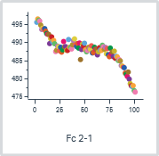

 |  |  |  | Analyte 1 | Analyte 1 | Capture level_1 | Capture 1 | Capture 1
Cycle | Flow cell | Sensorgram type | Analysis step purpose | Solution | Concentration (nM) | Relative (RU) | Contact time (s) | Solution | Capture Change (Calc. unit)
2 | 2-1 | Reference subtracted | Analysis | Analyte A | 0 | 495.6 | 20 | S1 | 4.06E+00
3 | 2-1 | Reference subtracted | Analysis | Analyte A | 39.0625 | 496.5 | 20 | S1 | 4.06E+00
4 | 2-1 | Reference subtracted | Analysis | Analyte A | 78.125 | 496.2 | 20 | S1 | 4.06E+00
5 | 2-1 | Reference subtracted | Analysis | Analyte A | 156.25 | 495.9 | 20 | S1 | 4.06E+00
6 | 2-1 | Reference subtracted | Analysis | Analyte A | 312.5 | 494.8 | 20 | S1 | 4.06E+00
7 | 2-1 | Reference subtracted | Analysis | Analyte A | 625 | 493.6 | 20 | S1 | 4.06E+00
8 | 2-1 | Reference subtracted | Analysis | Analyte A | 1250 | 494.0 | 20 | S1 | 4.06E+00
9 | 2-1 | Reference subtracted | Analysis | Analyte A | 2500 | 493.7 | 20 | S1 | 4.06E+00
10 | 2-1 | Reference subtracted | Analysis | Analyte A | 5000 | 493.8 | 20 | S1 | 4.06E+00

Blank subtraction | No

Molecular weight adjustment | No

Capture/ligand adjustment | No

Adjustment for controls | No

Curve analysis | No

FC3-1
FC3-1

Data grouping | Flow cell

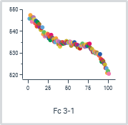

 |  |  |  | Analyte 1 | Analyte 1 | Capture 2 | Capture level_2
Cycle | Flow cell | Sensorgram type | Analysis step purpose | Solution | Concentration (nM) | Solution | Relative (RU) | %Capture Change (Calc. unit)
2 | 3-1 | Reference subtracted | Analysis | Analyte A | 0 | S2 | 545.9 | 4.91E+00
3 | 3-1 | Reference subtracted | Analysis | Analyte A | 39.0625 | S2 | 547.5 | 4.91E+00
4 | 3-1 | Reference subtracted | Analysis | Analyte A | 78.125 | S2 | 545.8 | 4.91E+00
5 | 3-1 | Reference subtracted | Analysis | Analyte A | 156.25 | S2 | 544.5 | 4.91E+00
6 | 3-1 | Reference subtracted | Analysis | Analyte A | 312.5 | S2 | 546.5 | 4.91E+00
7 | 3-1 | Reference subtracted | Analysis | Analyte A | 625 | S2 | 546.5 | 4.91E+00
8 | 3-1 | Reference subtracted | Analysis | Analyte A | 1250 | S2 | 545.5 | 4.91E+00
9 | 3-1 | Reference subtracted | Analysis | Analyte A | 2500 | S2 | 543.7 | 4.91E+00
10 | 3-1 | Reference subtracted | Analysis | Analyte A | 5000 | S2 | 544.9 | 4.91E+00

Blank subtraction | No

Molecular weight adjustment | No

Capture/ligand adjustment | No

Adjustment for controls | No

Curve analysis | No

FC4-1
FC4-1

Data grouping | Flow cell

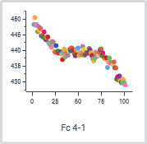

 |  |  | Analyte 1 | Analyte 1 | Capture 3 | Capture level_3
Cycle | Flow cell | Sensorgram type | Solution | Concentration (nM) | Solution | Relative (RU) | %Capture Change (Calc. unit)
2 | 4-1 | Reference subtracted | Analyte A | 0 | S3 | 448.3 | 4.78E+00
3 | 4-1 | Reference subtracted | Analyte A | 39.0625 | S3 | 450.6 | 4.78E+00
4 | 4-1 | Reference subtracted | Analyte A | 78.125 | S3 | 448.2 | 4.78E+00
5 | 4-1 | Reference subtracted | Analyte A | 156.25 | S3 | 448.3 | 4.78E+00
6 | 4-1 | Reference subtracted | Analyte A | 312.5 | S3 | 446.0 | 4.78E+00
7 | 4-1 | Reference subtracted | Analyte A | 625 | S3 | 447.7 | 4.78E+00
8 | 4-1 | Reference subtracted | Analyte A | 1250 | S3 | 446.6 | 4.78E+00
9 | 4-1 | Reference subtracted | Analyte A | 2500 | S3 | 447.1 | 4.78E+00
10 | 4-1 | Reference subtracted | Analyte A | 5000 | S3 | 444.7 | 4.78E+00

Blank subtraction | No

Molecular weight adjustment | No

Capture/ligand adjustment | No

Adjustment for controls | No

Curve analysis | No

FC5-1
FC5-1

Data grouping | Flow cell

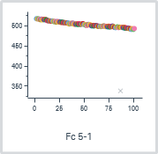

 |  |  | Analyte 1 | Analyte 1 | Capture 4 | Capture level_4
Cycle | Flow cell | Sensorgram type | Solution | Concentration (nM) | Solution | Relative (RU) | Capture Change (%)
2 | 5-1 | Reference subtracted | Analyte A | 0 | S4 | 517.6
3 | 5-1 | Reference subtracted | Analyte A | 39.0625 | S4 | 517.1
4 | 5-1 | Reference subtracted | Analyte A | 78.125 | S4 | 517.5
5 | 5-1 | Reference subtracted | Analyte A | 156.25 | S4 | 516.3
6 | 5-1 | Reference subtracted | Analyte A | 312.5 | S4 | 515.1
7 | 5-1 | Reference subtracted | Analyte A | 625 | S4 | 516.8
8 | 5-1 | Reference subtracted | Analyte A | 1250 | S4 | 514.6
9 | 5-1 | Reference subtracted | Analyte A | 2500 | S4 | 516.2
10 | 5-1 | Reference subtracted | Analyte A | 5000 | S4 | 515.1

Blank subtraction | No

Molecular weight adjustment | No

Capture/ligand adjustment | No

Adjustment for controls | No

Curve analysis | No

FC6-1
FC6-1

Data grouping | Flow cell

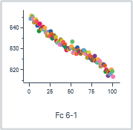

 |  |  | Analyte 1 | Analyte 1 | Capture 5 | Capture level_5
Cycle | Flow cell | Sensorgram type | Solution | Concentration (nM) | Solution | Relative (RU) | Max Capture Change (Calc. unit)
2 | 6-1 | Reference subtracted | Analyte A | 0 | S5 | 544.6 | 5.35E+00
3 | 6-1 | Reference subtracted | Analyte A | 39.0625 | S5 | 545.9 | 5.35E+00
4 | 6-1 | Reference subtracted | Analyte A | 78.125 | S5 | 545.5 | 5.35E+00
5 | 6-1 | Reference subtracted | Analyte A | 156.25 | S5 | 544.6 | 5.35E+00
6 | 6-1 | Reference subtracted | Analyte A | 312.5 | S5 | 542.8 | 5.35E+00
7 | 6-1 | Reference subtracted | Analyte A | 625 | S5 | 543.5 | 5.35E+00
8 | 6-1 | Reference subtracted | Analyte A | 1250 | S5 | 544.3 | 5.35E+00
9 | 6-1 | Reference subtracted | Analyte A | 2500 | S5 | 543.3 | 5.35E+00
10 | 6-1 | Reference subtracted | Analyte A | 5000 | S5 | 541.2 | 5.35E+00

Blank subtraction | No

Molecular weight adjustment | No

Capture/ligand adjustment | No

Adjustment for controls | No

Curve analysis | No

Affinity 1
Affinity 1

Data grouping | Serial

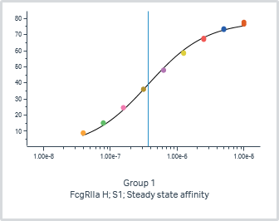
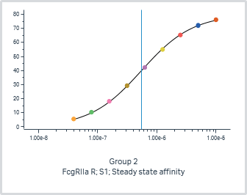
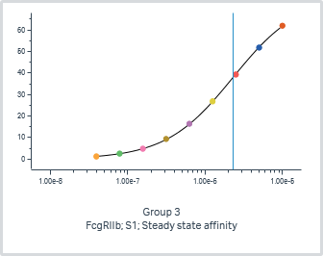
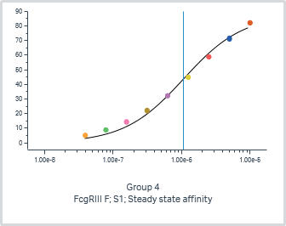
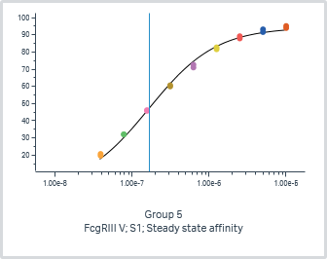
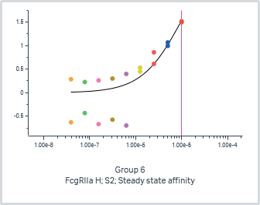
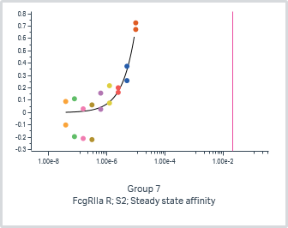
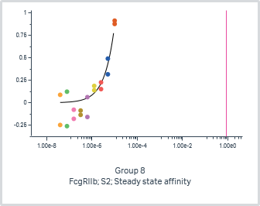
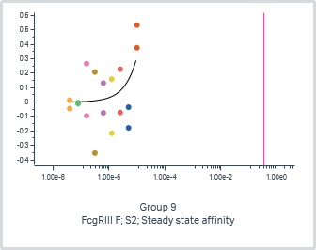
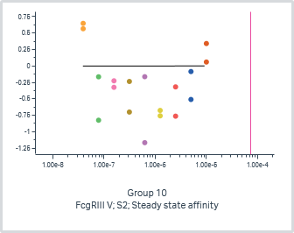
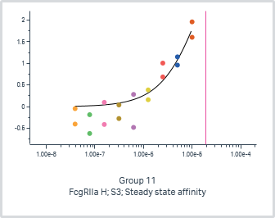
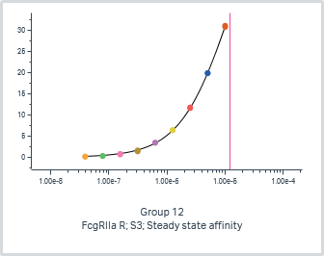
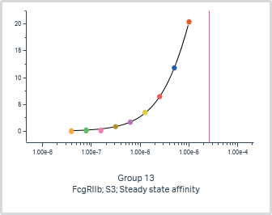
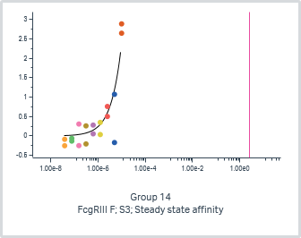
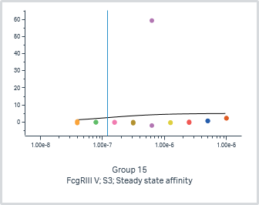
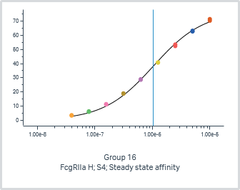
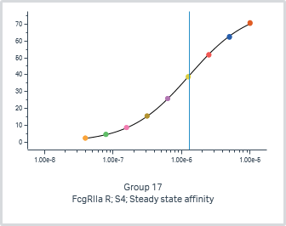
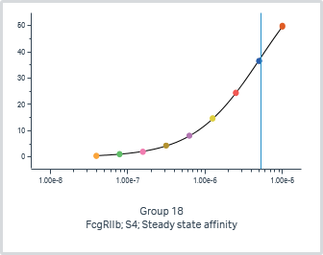
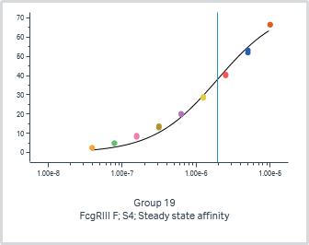
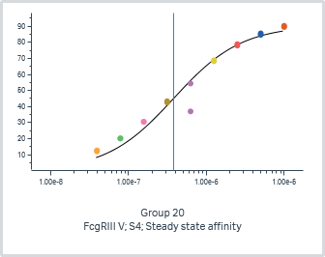
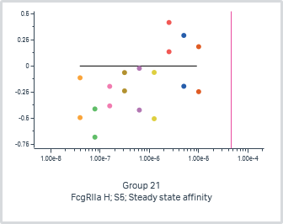
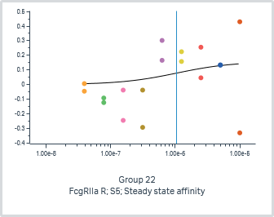
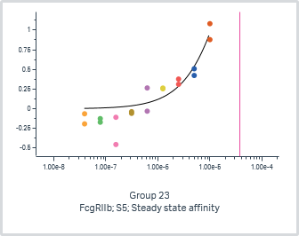
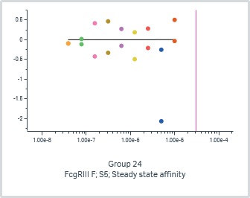
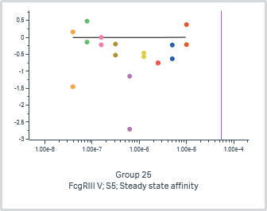
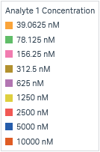

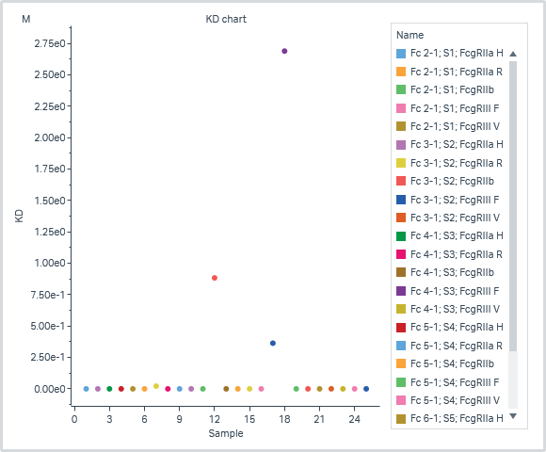

 | General |  |  |  | Quality | Steady state affinity |  |  | Injection variables
Group | Affinity model | Curve markers | Flow cell | Acceptance state | Affinity Chi² (RU²) | KD (M) | Rmax (RU) | offset (RU) | Analyte 1 Solution | Capture 1 Solution | Capture 2 Solution | Capture 3 Solution | Capture 4 Solution | Capture 5 Solution
1 | Steady state affinity |  | 2-1 |  | 1.99E+00 | 3.67E-07 | 78.2 | 0.0 | Analyte A | S1
2 | Steady state affinity |  | 2-1 |  | 1.61E-01 | 5.48E-07 | 80.0 | 0.0 | Analyte B | S1
3 | Steady state affinity |  | 2-1 |  | 4.45E-02 | 2.30E-06 | 76.0 | 0.0 | Analyte C | S1
4 | Steady state affinity |  | 2-1 |  | 6.18E+00 | 1.07E-06 | 87.8 | 0.0 | Analyte D | S1
5 | Steady state affinity |  | 2-1 |  | 3.25E+00 | 1.66E-07 | 94.4 | 0.0 | Analyte E | S1
6 | Steady state affinity |  | 3-1 |  | 1.69E-01 | 1.01E-05 | 3.1 | 0.0 | Analyte A |  | S2
7 | Steady state affinity |  | 3-1 |  | 1.37E-02 | 2.12E-02 | 1471.1 | 0.0 | Analyte B |  | S2
8 | Steady state affinity |  | 3-1 |  | 1.98E-02 | 8.84E-01 | 76749.8 | 0.0 | Analyte C |  | S2
9 | Steady state affinity |  | 3-1 |  | 3.75E-02 | 3.64E-01 | 11385.6 | 0.0 | Analyte D |  | S2
10 | Steady state affinity |  | 3-1 |  | 3.52E-01 | 7.41E-05 | 0.0 | 0.0 | Analyte E |  | S2
11 | Steady state affinity |  | 4-1 |  | 1.05E-01 | 1.93E-05 | 5.3 | 0.0 | Analyte A |  |  | S3
12 | Steady state affinity |  | 4-1 |  | 2.10E-02 | 1.23E-05 | 69.1 | 0.0 | Analyte B |  |  | S3
13 | Steady state affinity |  | 4-1 |  | 1.98E-02 | 2.56E-05 | 72.6 | 0.0 | Analyte C |  |  | S3
14 | Steady state affinity |  | 4-1 |  | 1.69E-01 | 2.69E+00 | 641956.3 | 0.0 | Analyte D |  |  | S3
15 | Steady state affinity |  | 4-1 |  | 2.08E+02 | 1.19E-07 | 5.0 | 0.0 | Analyte E |  |  | S3
16 | Steady state affinity |  | 5-1 |  | 1.22E+00 | 1.05E-06 | 76.8 | 0.0 | Analyte A |  |  |  | S4
17 | Steady state affinity |  | 5-1 |  | 1.13E-01 | 1.30E-06 | 79.2 | 0.0 | Analyte B |  |  |  | S4
18 | Steady state affinity |  | 5-1 |  | 4.72E-02 | 5.26E-06 | 75.8 | 0.0 | Analyte C |  |  |  | S4
19 | Steady state affinity |  | 5-1 |  | 5.69E+00 | 1.93E-06 | 75.9 | 0.0 | Analyte D |  |  |  | S4
20 | Steady state affinity |  | 5-1 |  | 3.22E+01 | 3.81E-07 | 90.4 | 0.0 | Analyte E |  |  |  | S4
21 | Steady state affinity |  | 6-1 |  | 1.24E-01 | 4.54E-05 | 0.0 | 0.0 | Analyte A |  |  |  |  | S5
22 | Steady state affinity |  | 6-1 |  | 4.05E-02 | 1.06E-06 | 0.2 | 0.0 | Analyte B |  |  |  |  | S5
23 | Steady state affinity |  | 6-1 |  | 2.92E-02 | 3.75E-05 | 4.6 | 0.0 | Analyte C |  |  |  |  | S5
24 | Steady state affinity |  | 6-1 |  | 3.64E-01 | 3.07E-05 | 0.0 | 0.0 | Analyte D |  |  |  |  | S5
25 | Steady state affinity |  | 6-1 |  | 8.55E-01 | 5.41E-05 | 0.0 | 0.0 | Analyte E |  |  |  |  | S5

