Quantum Teleportation
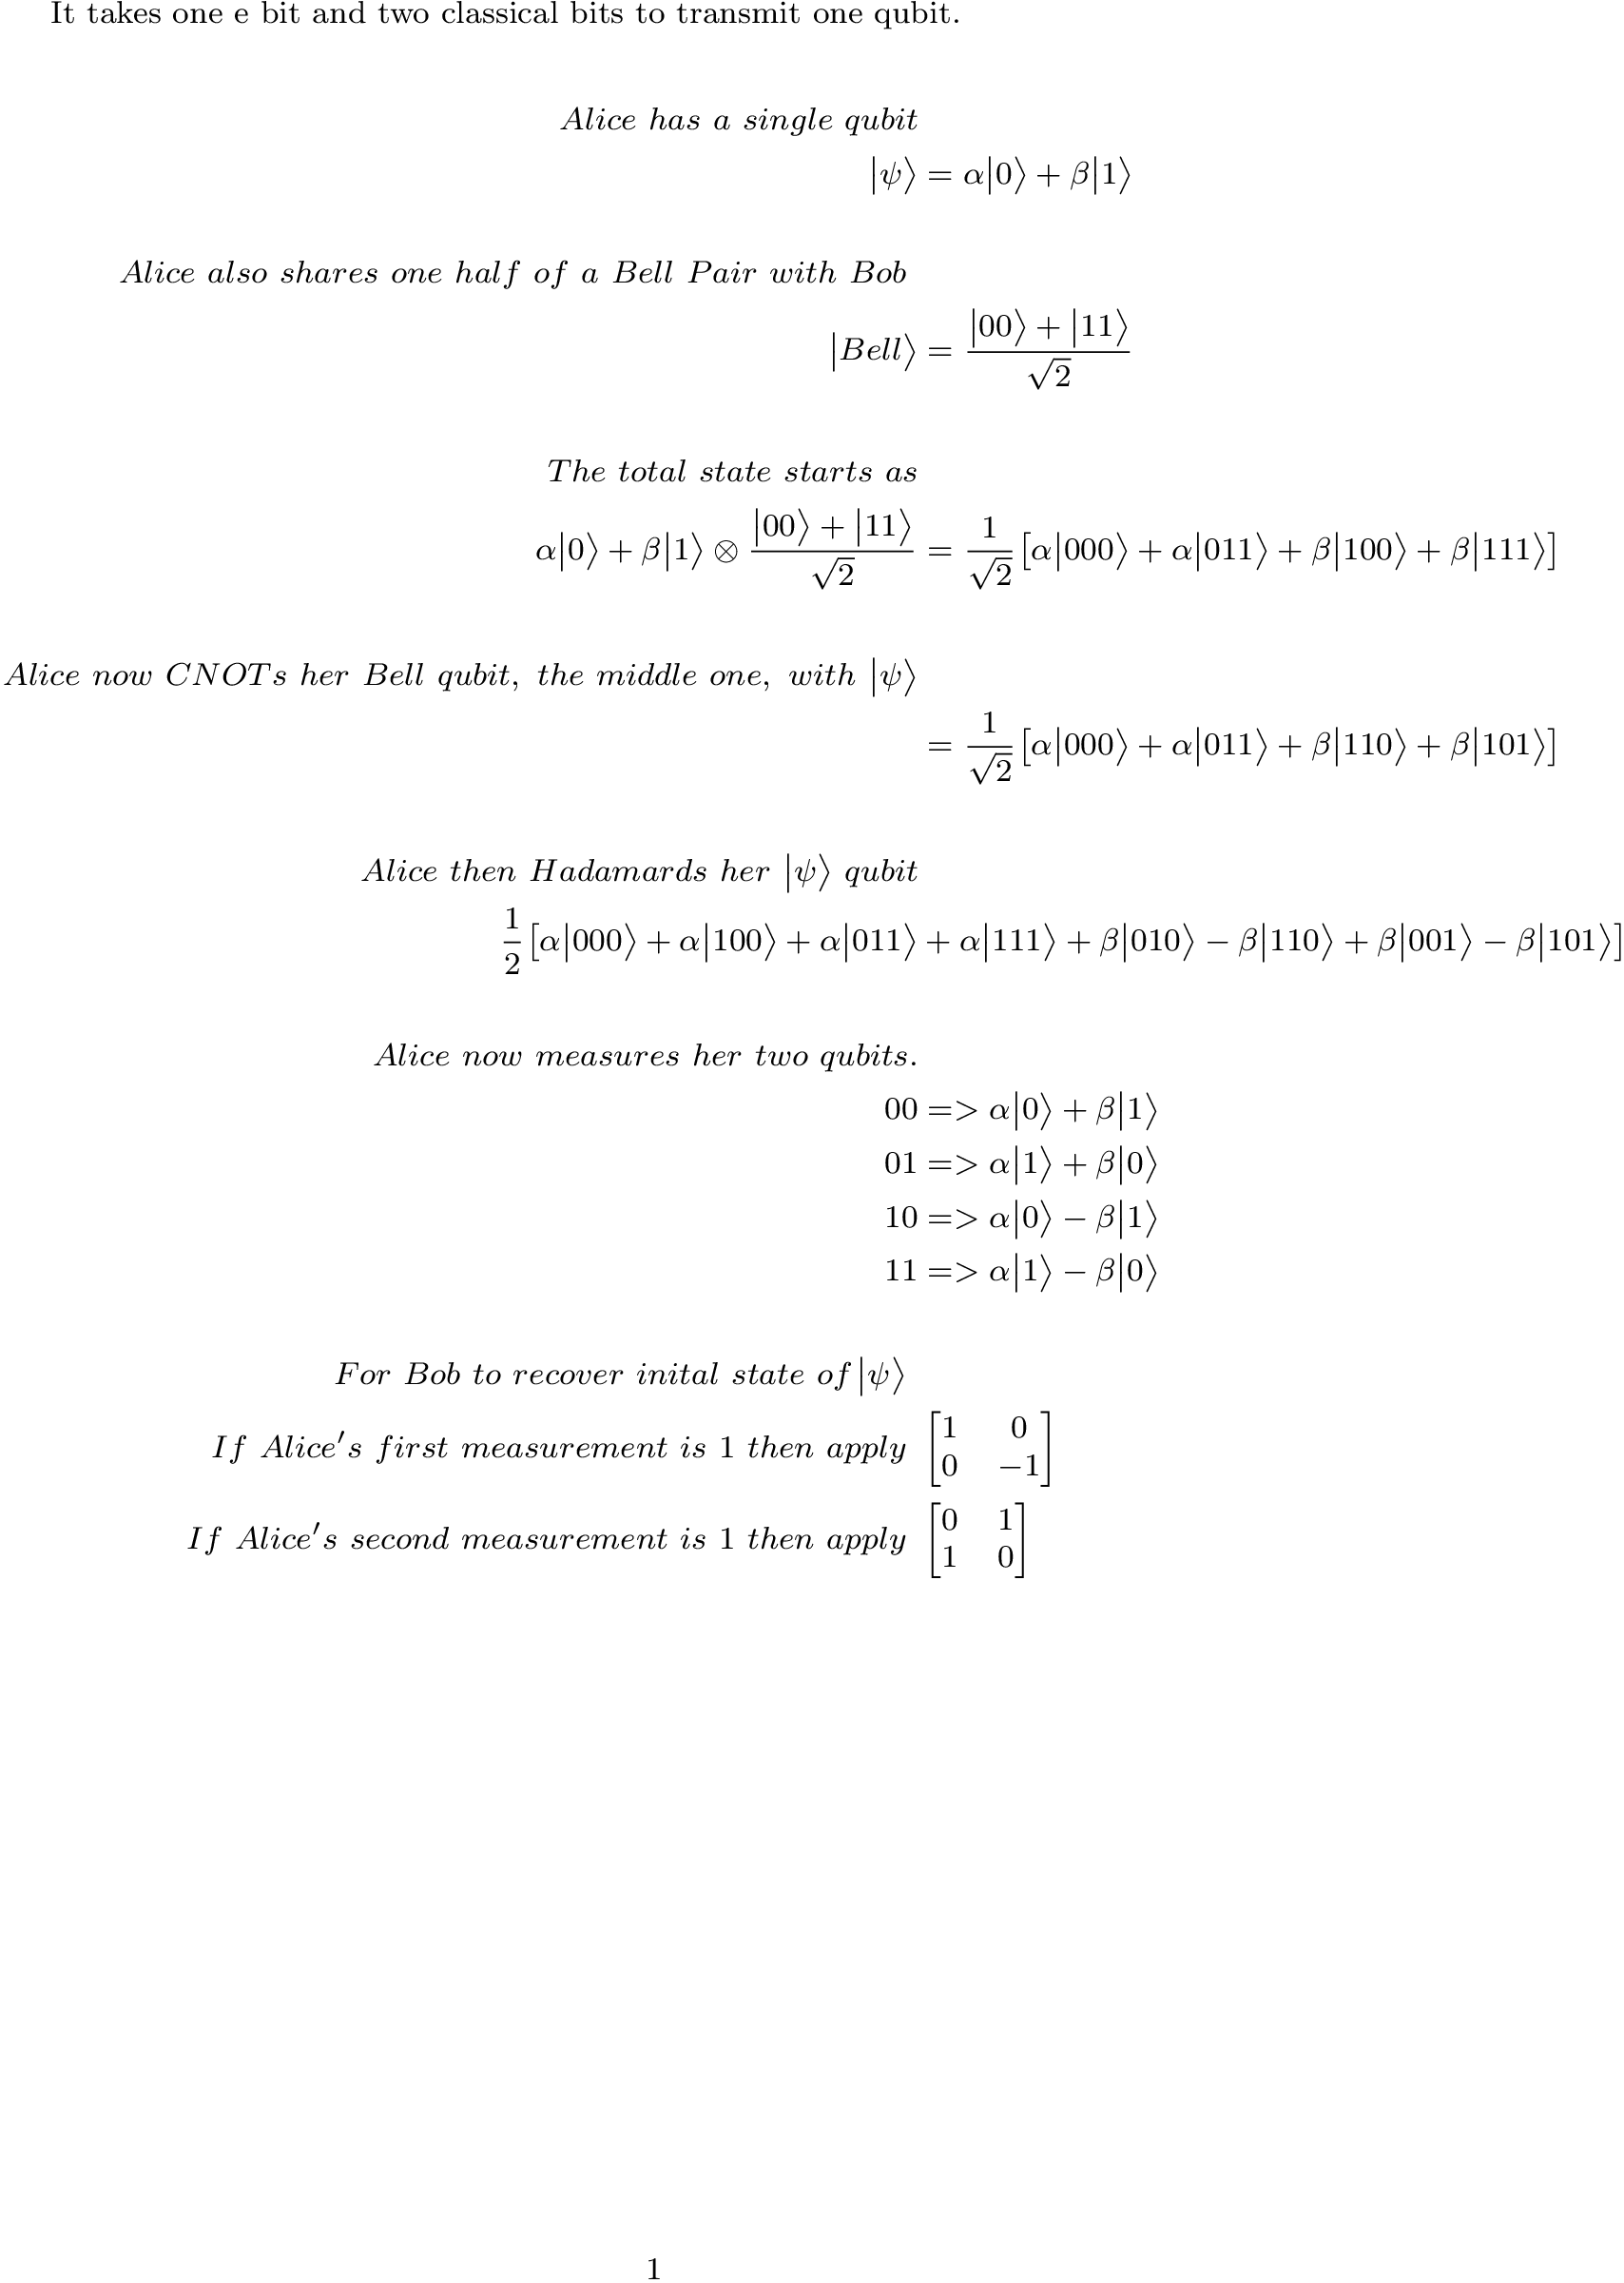

Sheet3
 | 511 |  | Each qubit is in a state.
 |  | 111111111 | So we shall call our column vector the 'PossibleStatesVector', what's not to love.
 | 31
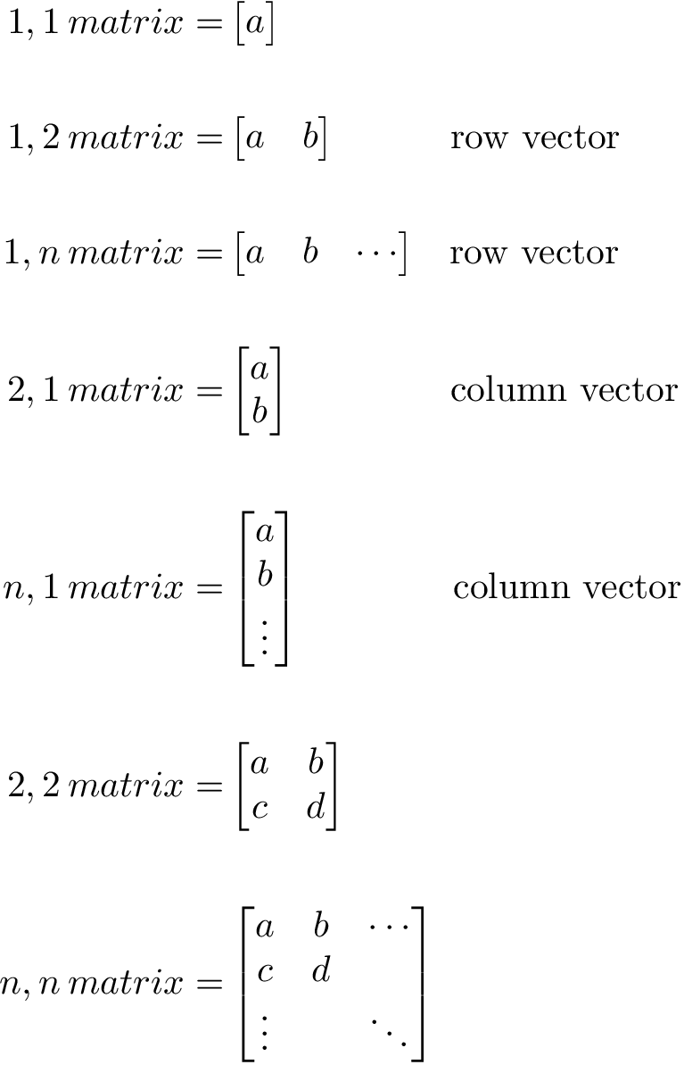
 |  | 00100

0.69845599864
0.15594369477

