WICA
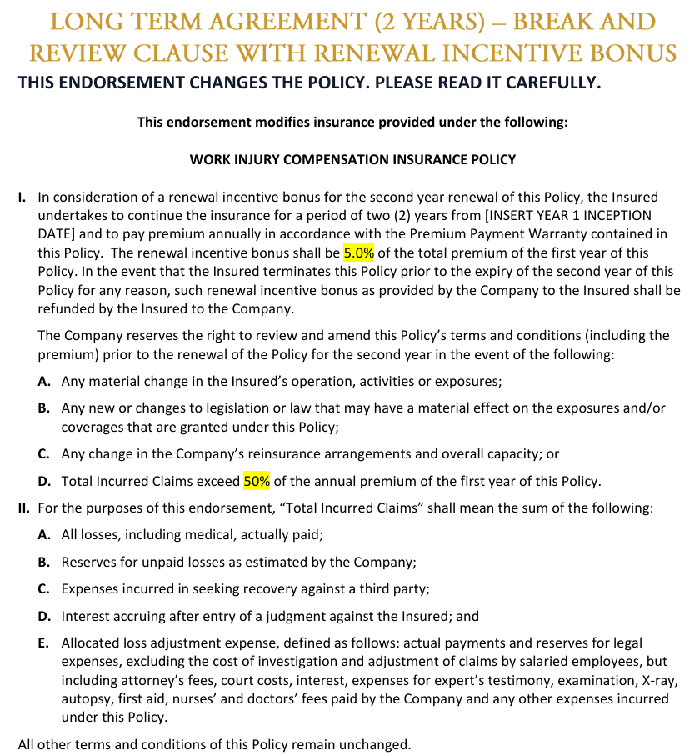
Work Injury Compensation Insurance ( WICA )

Group : |  | NA
Policyholder : |  | Test D Pte Ltd
Insured : |  | 1. Test D Pte Ltd 2. Test D China Ltd 3. Test D Americas LLC
Address : |  | Main Location 1: 4 Test Lane, Singapore 100004 Location 2: 5 Test Industrial Park #01-01, Singapore 100005 Location 3: 6 Test Logistics Hub, Singapore 100006
Business : |  | Test D Pte Ltd: Manufacturing of electronic components
Period of Insurance : |  | 01/01/2026 to 31/12/2026
Insurer : |  | Berkshire Hathaway
Policy No. : |  | TEST/BRK/2026-003

Eligibility : |  | Any person who has a contract of service including part-time &contract staff or apprenticeship upon joining
Eligibility Date : |  | Upon employment
Last Entry Age : |  | NA

Type of Administration : |  | Headcount

Basis of Cover : | Category |  | Participation | *No. of employees | * Estimated annual earnings
 | Test D Pte Ltd ACRA/ UEN: 200612788C | Management / Admin (including marketing & Sales) Non WP/SP | Compulsory | 112 | $9,112,937.70
 |  | Management / Admin (including marketing & Sales) WP/SP |  | 10 | $633,356.51
 |  | Manufacturing Assistants - Non WP/SP |  | 133 | $8,350,515.66
 |  | Manufacturing Assistants WP/SP |  | 229 | $10,905,700.40
 |  | Postees Non WP/SP |  | 2 | $376,287.91
 |  | All Others (engineers, associate engineers, operations managers, quality, warehouse or any other personnel who are required to work at the production site regularly or at times in the course of their work) Non WP/SP |  | 187 | $13,232,803.01
 |  | All Others (engineers, associate engineers, operations managers, quality, warehouse or any other personnel who are required to work at the production site regularly or at times in the course of their work) WP/SP |  | 71 | $3,409,327.58
 |  | Forklift Drivers Non WP/SP |  | 14 | $874,963.84
 |  | Forklift Drivers WP/SP |  | 28 | $1,413,197.26
 |  | Industrial Attachment Students |  | 5 | $9,260.98

Rate : | Category |  | * Estimated annual earnings | Rate | Annual Premium
 | Test D Pte Ltd ACRA/ UEN: 200612788C | Management / Admin (including marketing & Sales) Non WP/SP | $9,112,937.70 | 0.06300% | $5,741.15
 |  | Management / Admin (including marketing & Sales) WP/SP | $633,356.51 | 0.06300% | $399.01
 |  | Manufacturing Assistants - Non WP/SP | $8,350,515.66 | 0.76125% | $63,568.30
 |  | Manufacturing Assistants WP/SP | $10,905,700.40 | 0.76125% | $83,019.64
 |  | Postees Non WP/SP | $376,287.91 | 0.06300% | $237.06
 |  | All Others (engineers, associate engineers, operations managers, quality, warehouse or any other personnel who are required to work at the production site regularly or at times in the course of their work) Non WP/SP | $13,232,803.01 | 0.78750% | $104,208.32
 |  | All Others (engineers, associate engineers, operations managers, quality, warehouse or any other personnel who are required to work at the production site regularly or at times in the course of their work) WP/SP | $3,409,327.58 | 0.78750% | $26,848.45
 |  | Forklift Drivers Non WP/SP | $874,963.84 | 0.78750% | $6,890.34
 |  | Forklift Drivers WP/SP | $1,413,197.26 | 0.78750% | $11,128.93
 |  | Industrial Attachment Students | $9,260.98 | 0.78750% | $72.93

Annual Premium (sbj to GST): |  | $302,114.15

Cover : | Payment according to the Work Injury Compensation Act Schedule for work accident arising out of and in the course of employment
 | during working hours. Amount payable is based on salary, age & seriousness as advised by Ministry of Manpower OR
 | Indemnify against Common Law up to S$20,000,000 per occurrence including all costs and expenses incurred with the insurer's
 | consent in defending any claim for damages.

SCHEDULE OF BENEFITS
Section A - Work Injury Compensation Benefit
1 | Death |  | From S$91,000 to S$269,000

2 | Permanent Total Disablement |  | From S$116,000 to S$346,000

3 | Permanent Partial Disablement |  | % of loss of earning capacity

4 | Temporary Disablement |  | Paid medical leave up to maximum of 1 year Full amount of wages for 60 days of medical leave & 120 days of hospitalisation leave thereafter 2/3 of wages for the remaining period of compensation

5 | Reimbursement of Hospital Fees & Medical arising from work accident ( FOR TREATMENT IN SINGAPORE ONLY ) |  | Within 1 year from date of accident or up to a cap of S$300,000 whichever is reached earlier

Section B - Common Law Liability
1 | Limit of Liability |  | Up to S$20 million any one claim or series of claims arising out of one event

Endorsements:
1 | To include Social & Recreation Activities clause in Singapore and Malaysia. Limitt up to $50,000 per employee and $500,000 aggregate of all employees in the event of any one occurrence
2 | Traveling To/From Work within Singapore and Malaysia (including meal break) up to S$50,000 per injured employee, aggregate S$500,000 per policy year for all types of transport excluding two-wheelers and pillion-riding. Two-wheelers and pillion-riding is up to S$25,000 per injured employee, aggregate S$250,000 per policy year.
3 | 30 days notice of cancellation
4 | Overseas extension
5 | Light Duties covered
6 | Transport Allowance Benefit of S$200 per injured employee, aggregate S$5,000 per policy year
7 | To include vocational training attachments
8 | Repatriation Expense Benefits of S$10,000 per occurrence, aggregate S$50,000 per policy year.
9 | Traditional Chinese Medicine Treatment up to S$1,000 per accident per employee, aggregate of S$10,000, included within the Medical Expenses policy limit.
10 | Business Disruption Assistance Benefits of S$5,000 per injured employee, aggregate S$50,000 per policy year.
11 | Terrorism Extension (up to $10 mill per occurrence and aggregated)(excluding nuclear, biological and chemical weapons/agents)
12 | Overseas medical expenses and medical leave (WW excluding USA/Canada)
13 | Funeral Expenses of S$2,000 per employee.
14 | Non-occupational Accidental Death and Permanent Total Disablement (limit SGD 50,000 per injured employee and SGD 5,000,000 in the annual aggregate)
15 | Extension to cover for employees residing in Johor and commute to Singapore daily.
16 | Extension to cover employees seconded overseas (Postees): 1 - Country B, Salary paid by Test D China Ltd.
17 | Extension to cover employees seconded overseas (Postees): 1 - USA, Salary paid by Test D Americas LLC but it will be cross-charge to Singapore
18 | Extension to cover Company appointed - 16 employee acting as 'Fire Fighters' wef 20 Nov 2009. They a not real firefighters but normal employees task to put out small fire using fire extinguisher.
19 | Extension on cover for employees working at 81 Tuas South Ave 1, AW Distribution Centre, Singapore 637783 (AW Transport & Warehousing Pte Ltd)

Additional Arrangement
1 | To cover 1 management contract working in Singapore but his current contract is with USA office and paid by the USA office
2 | An employee ([Employee A]) was assigned on an overseas work exchange program effective 2 Nov 2023 to 1 May 2024, to Test D affiliate in Country C
3 | Renewal Incentive Bonus for 2026

