Significant
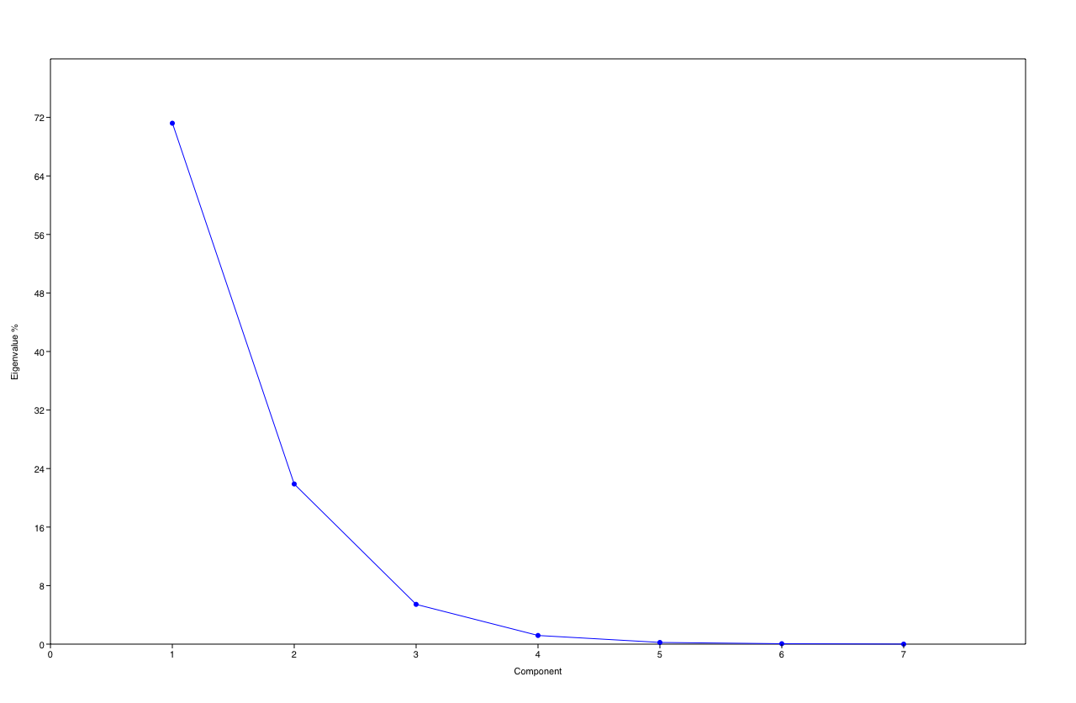
PC | Eigenvalue | % variance
1 | 0.0169629 | 71.202
2 | 0.00521435 | 21.887
3 | 0.00129525 | 5.4368
4 | 0.000282018 | 1.1838
5 | 5.48113E-05 | 0.23007
6 | 1.36008E-05 | 0.05709
7 | 6.69047E-07 | 0.0028083

