Significant
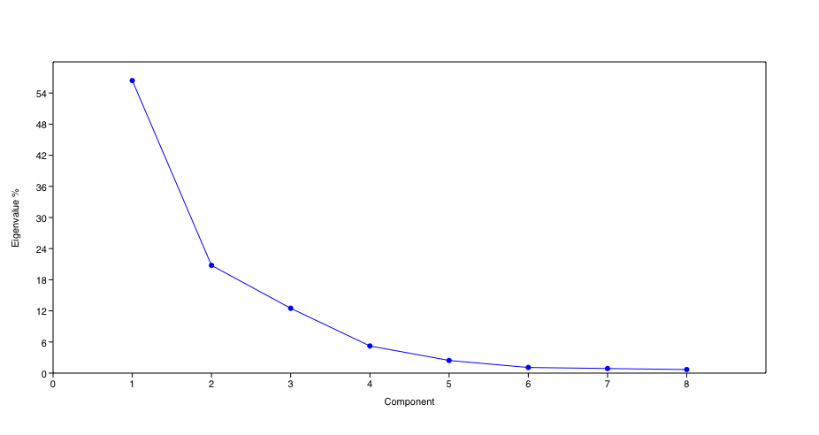
PC | Eigenvalue | % variance
1 | 0.0154987 | 56.393
2 | 0.00570935 | 20.774
3 | 0.00343556 | 12.5
4 | 0.00143846 | 5.2339
5 | 0.000671058 | 2.4417
6 | 0.000298561 | 1.0863
7 | 0.000243091 | 0.88449
8 | 0.000188794 | 0.68693

