BOM and Build
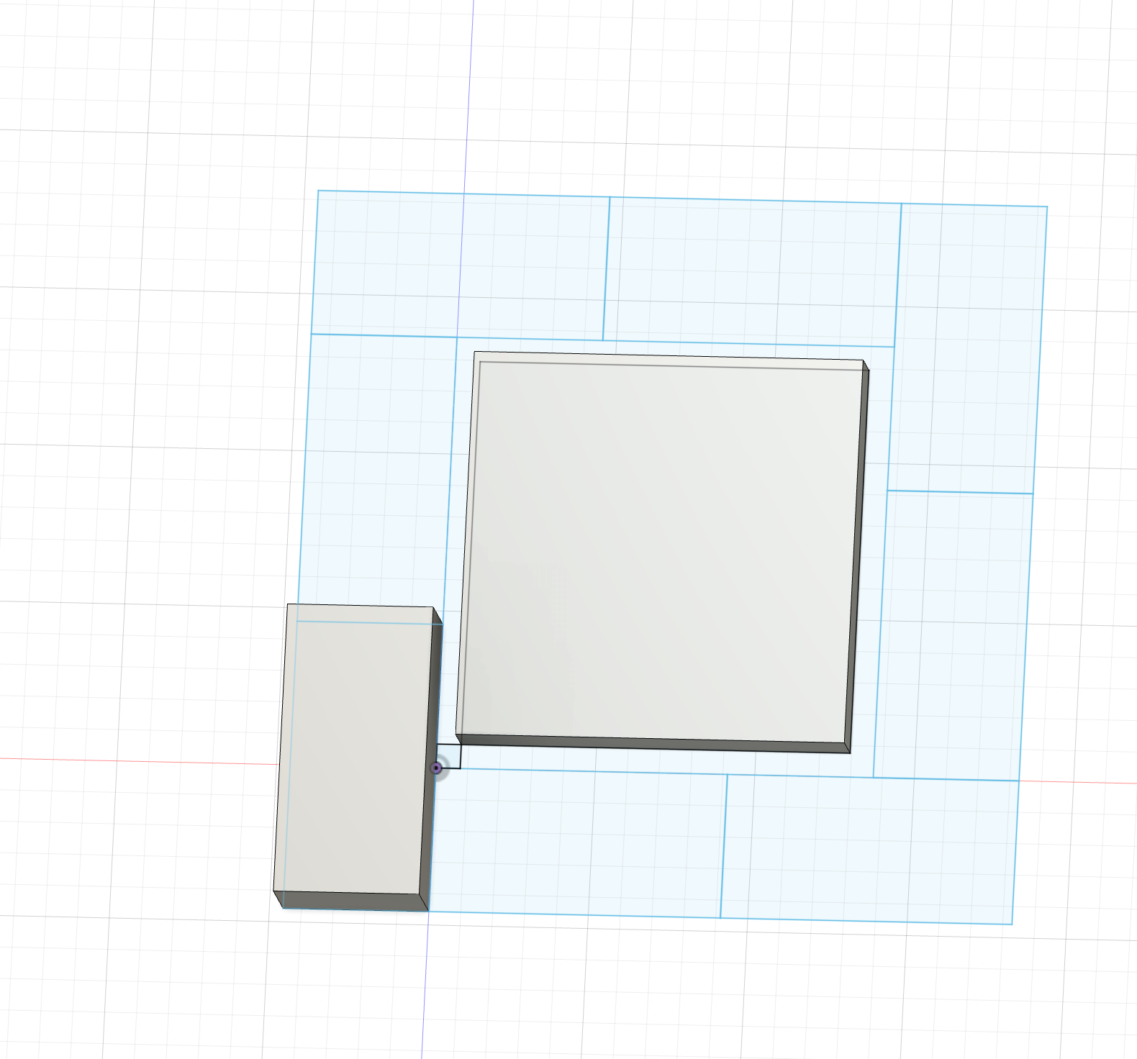
Base Layer bricks | 13 | Qty
Bricks per crucible layer | 8 | Qty
Bricks per working volume layer | 7
Crucible Height | 9.5 | inches
Brick height | 2.5 | inches
Number of crucible layers | 4 | Qty
Working volume Height | 12 | inches
Number of working volume layers | 5 | Qty

Glass Furnace BOM

ITEM | Description | Dimensions | QTY | $/ea | Line Total | Link | Mass ea (lbs)
5692 | 25lbm crucible | 11"D x 8"H | 1 | $159.84 | $159.84 |  | 50
IFB 2300 | Low Temp fire brick | 9" x 4.5" x 2.5" | 94 | $4.90 | $460.60 |  | 3.4
IFB 2800 | High Temp fire brick | 9" x 4.5" x 2.5" | 2 | $6.92 | $13.84 |  | 4
SUPER DUTY TILE |  | 12" x 12" x 1.5" | 1 | $25.14 | $25.14 |  | 18.5
SAIRSET MORTAR | Refractory motor for assembly and coatings | 15lbm | 1 | $25.81 | $25.81 |  | 15
SUPER DUTY SOAP | High temp high abbrasion brick | 9" x 2.5" 9.25" | 1 | $7.16 | $7.16
KAST-O-LITE 22 PLUS | Refractory Casting Compound | 50lbm | 1 | $70.62 | $70.62
Angle Iron | Aluminum | 2.5" x 2.5" x 24" | 8 | $25.35 | $202.80
 |  |  |  |  | $-
Trailer |  |  |  |  | $-
 |  |  |  |  | $-
FREIGHT SHIPPING | Shipping charges for Smith-Sharpe | no | 1 | $250.00 | $250.00
 |  |  |  |  | $-
 |  |  |  |  | $-
Build Total |  |  |  |  | $1,215.81 | Estimated Built Weight | 411.1

Consumables
Fuel Gas | Propane

Cullet | spectrum studio nuggets | 50lbm | 2 | $110.00 | $220.00 | $2.20
Cullet | Bomma Cullet | 55lbm | 2 | 92.95 | $185.90 | 1.69
 |  |  |  |  | $-
 |  |  |  |  | $-
 |  |  |  |  | $-
 |  |  |  |  | $-

 | Vevor ghole option? | https://www.vevor.com/propane-gas-forge-c_11133/vevor-portable-propane-forge-3-burner-farrier-forge-2600-knife-metal-square-p_010926673248
 | vevor furnace | https://www.vevor.com/melting-furnace-c_11137/vevor-12kg-propane-smelting-furnace-kit-melting-furnace-double-burners-2700--p_010583436971
 | Cress kilns | https://products.cressmfg.com/viewitems/ceramic-kilns/manual-3
 | Cress kiln craigslist | https://losangeles.craigslist.org/sgv/art/d/monterey-park-cress-kiln/7785144847.html

