M_Tumbler_Fin_Mold
 | Inputs |  | Inputs |  | Inputs | REF - DO NOT TOUCH
Fins | 6 | Fins | 7 | Fins | 8 | Material | V-plate | 6f-platten | 7f-platten | 8f-platten | Rivet
Material | Stainless | Material | Stainless | Material | Stainless | Stainless | $7.82 | $4.23 | $4.60 | $4.97 | $0.12
Rivets | Stainless | Rivets | Stainless | Rivets | Stainless | Aluminum | $6.44 | $3.52 | $4.07 | $4.61 | $0.04
Item | Cost | Item | Cost | Item | Cost
Platten | $8.46 | Platten | $9.20 | Platten | $9.94
V-plate | $46.92 | V-plate | $54.74 | V-plate | $62.56
Rivet | $2.77 | Rivet | $3.23 | Rivet | $3.69
Total | $58.15 | Total | $67.17 | Total | $76.19 | Referenced object
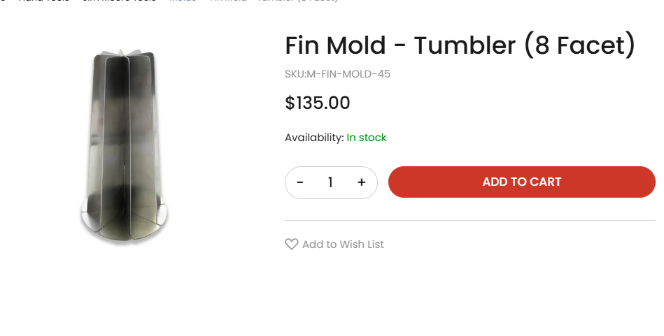
 | Inputs |  | Inputs |  | Inputs
Fins | 6 | Fins | 7 | Fins | 8
Material | Aluminum | Material | Aluminum | Material | Aluminum
Rivets | Aluminum | Rivets | Aluminum | Rivets | Aluminum
Item | Cost | Item | Cost | Item | Cost
Platten | $7.04 | Platten | $8.13 | Platten | $9.22
V-plate | $38.64 | V-plate | $45.08 | V-plate | $51.52
Rivet | $0.98 | Rivet | $1.15 | Rivet | $1.31
Total | $46.66 | Total | $54.36 | Total | $62.05

