Sheet1
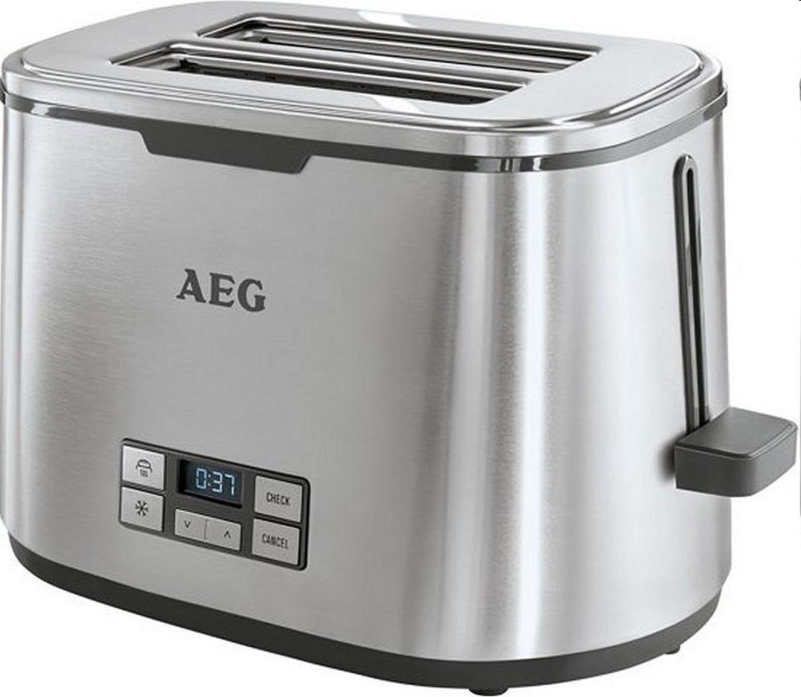
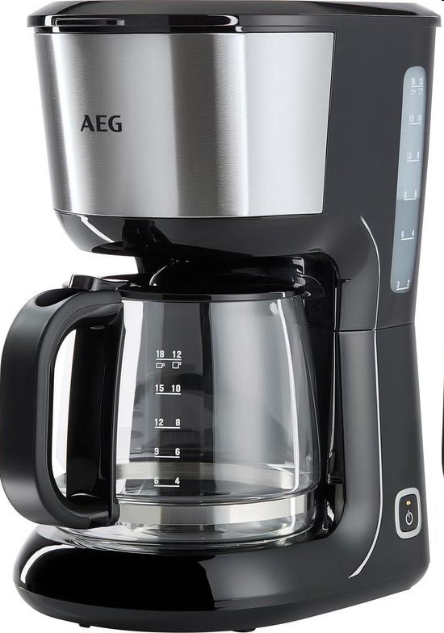
Picture | Item code | Description | Extra information | Restriction | Stock | Sales price EXW | Retail price | Barcode | Quantity PU | Quantity pallet | Pallet | Origin | Customs code | Item weight | Languages on package | Group
 | 22683 | AEG, Toaster | 950073119 | Only Sales In Austria, Es, BE, NL, LUX, UK & MEA | 1835 | 17.9 | 87.5 | 7332543331741 | 2 |  |  |  | 8516792000 | 3320 |  | AEG
 | 22684 | AEG, Coffee Maker | 950074389 | Only Sales In Austria, Es, BE, NL, LUX, UK & MEA | 798 | 17.9 | 89 | 7332543438686 | 4 |  |  |  | 8516792000 | 3440 |  | AEG

