Sheet1
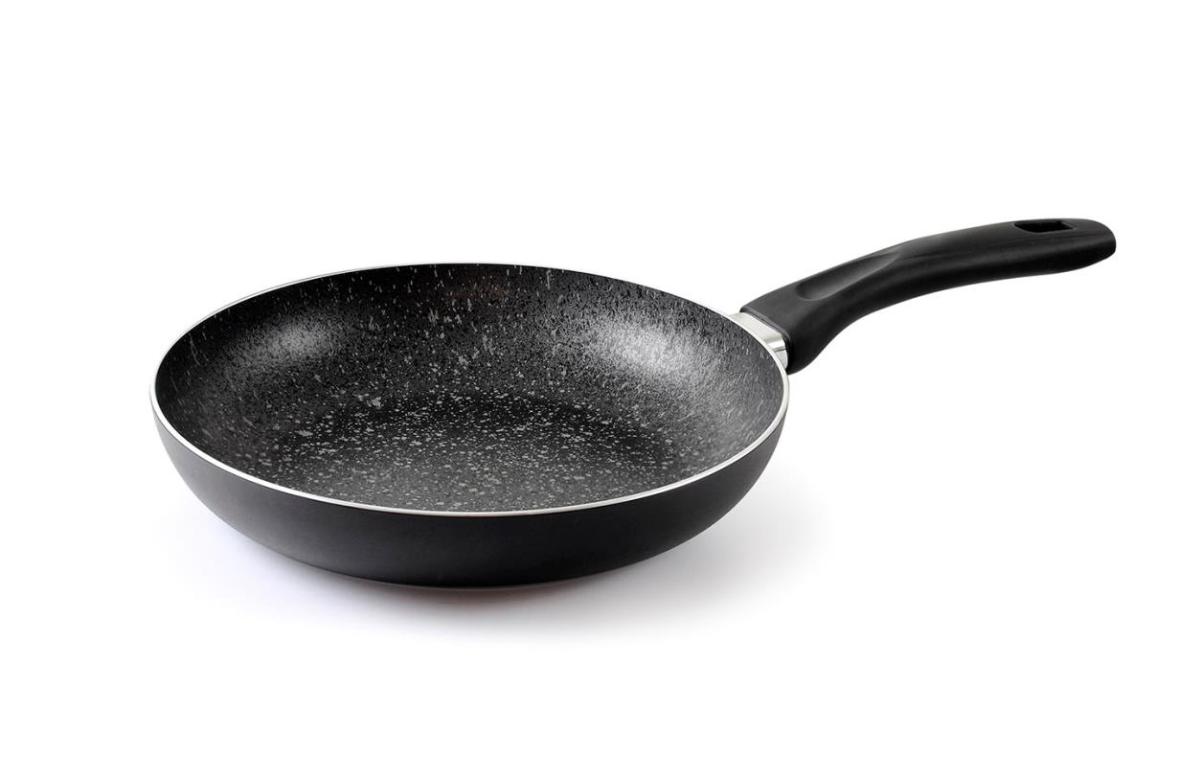
Picture | Item code | Description | Extra information | Restriction | Stock | Sales price EXW | Retail price | Barcode | Quantity PU | Quantity pallet | Pallet | Origin | Customs code | Item weight | Languages on package | Group
 | S-08509 | Abert, frypan 28cm induction (black / marble interior) Unica Stone | V741172SP28 |  | 1904 | 8.9 |  | NO EAN | 6 | 144 |  | CN | 7615108000 | 730 |  | Abert

