Sheet1
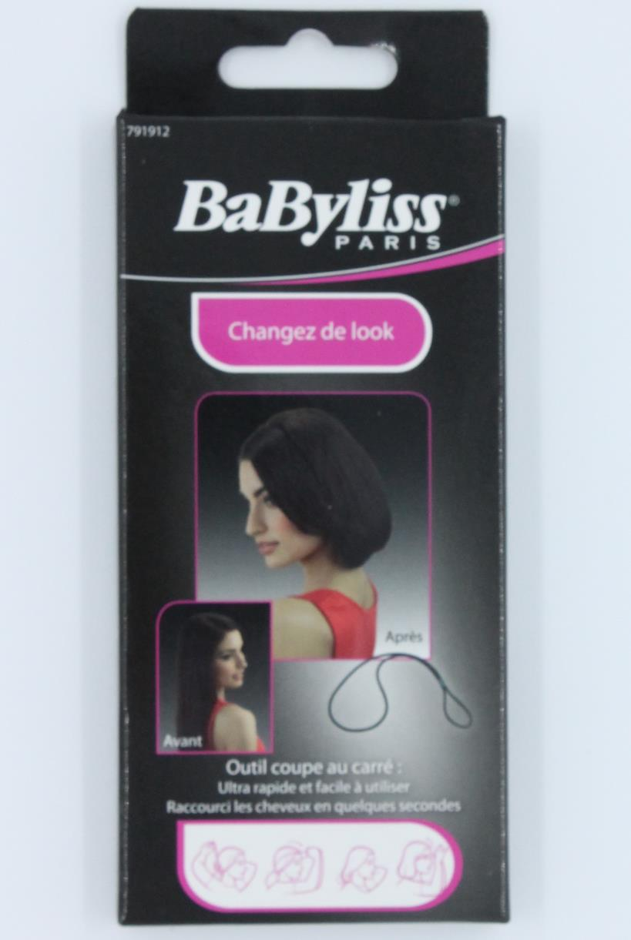
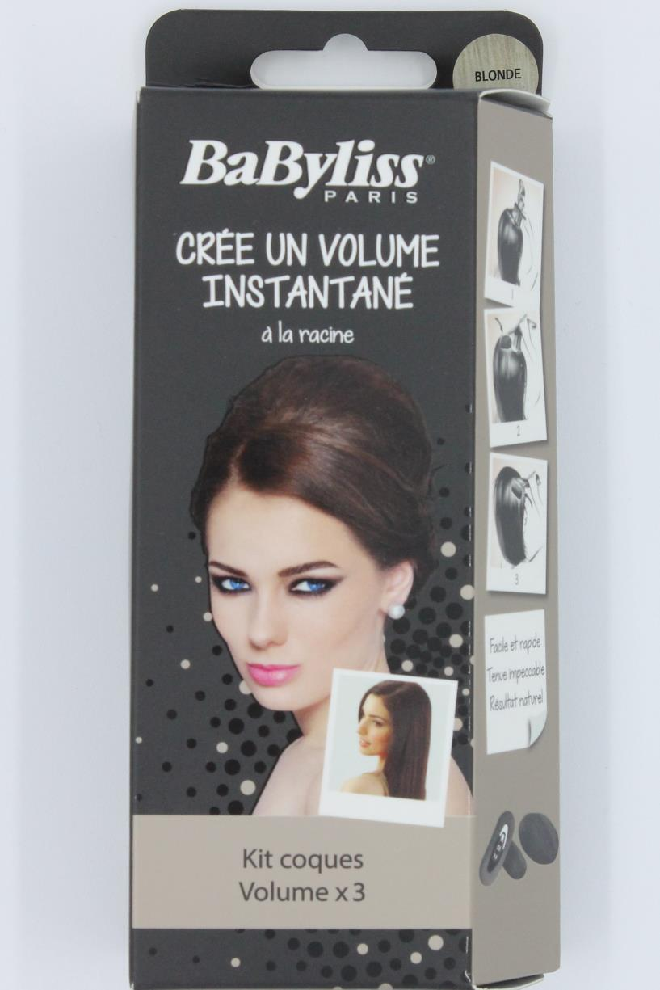
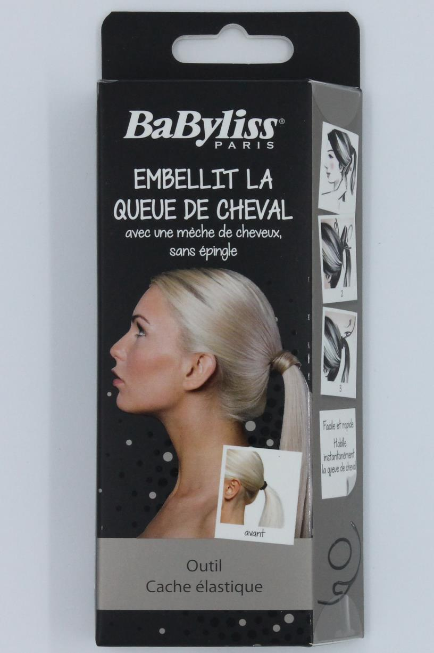
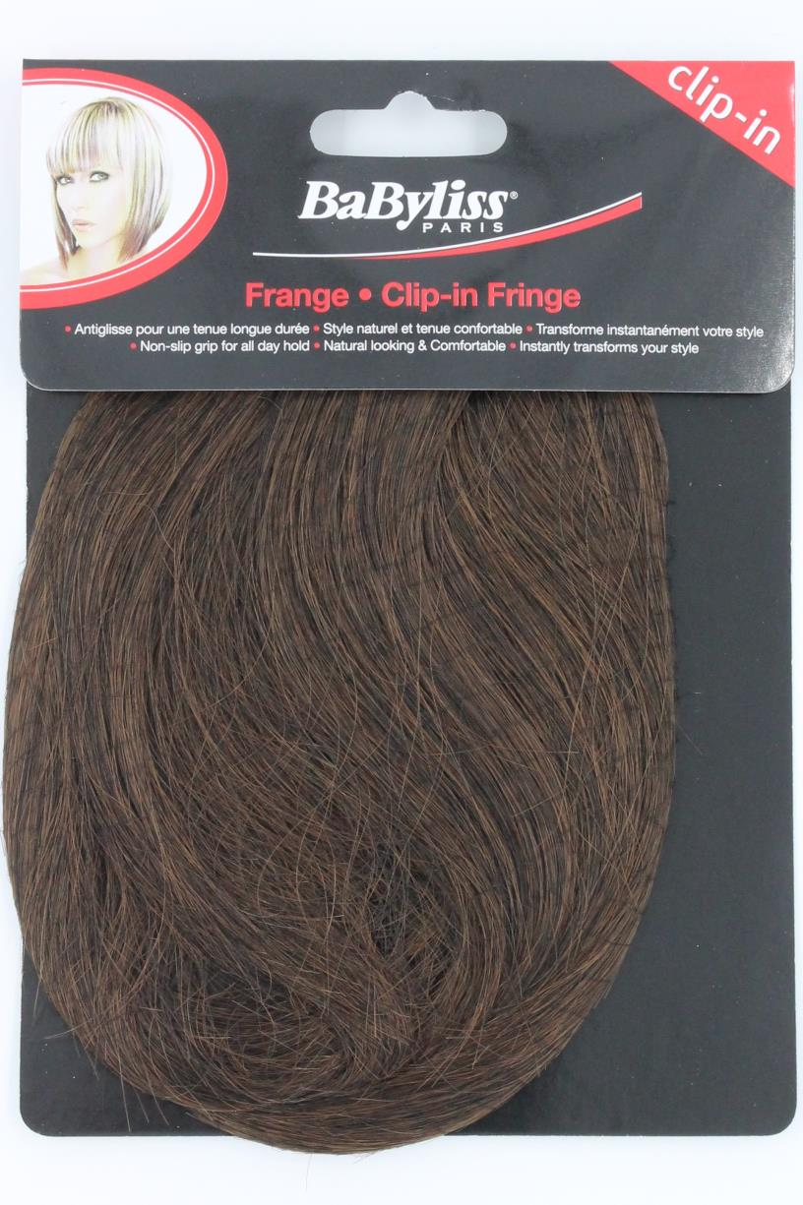
Picture | Item code | Description | Extra information | Restriction | Stock | Sales price EXW | Retail price | Barcode | Quantity PU | Quantity pallet | Pallet | Origin | Customs code | Item weight | Languages on package | Group
 | S-07206 | Babyliss, tools for hair cutting | 791912 |  | 2497 | 0.79 | 3.85 | 3030057919120 | 140 |  |  | T | 6704190000 | 20 |  | Babyliss
 | S-07103 | Babyliss, kit volume | 776151 |  | 2226 | 2.69 |  | 3030057761514 | 60 |  |  | CN | 6704190000 | 35 |  | Babyliss
 | S-07207 | Babyliss, extension | 791949 |  | 1969 | 2.89 | 11.99 | 3030057919496 | 105 |  |  | CN | 6704190000 | 17 |  | Babyliss
 | S-07201 | Babyliss, fringe extension assorti | 791906 |  | 1831 | 1.69 |  | 3030057919069 | 125 |  |  | CN | 6704190000 | 28 |  | Babyliss

