Sheet1
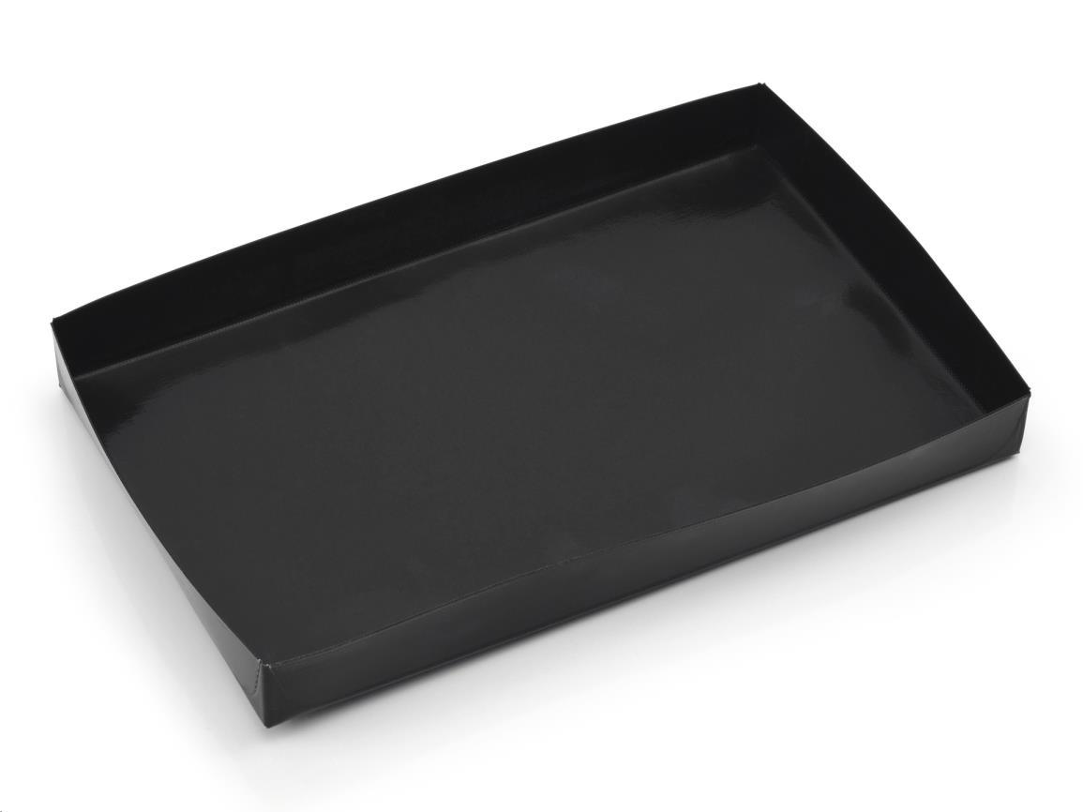
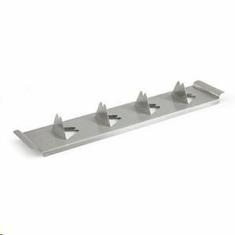
Picture | Item code | Description | Extra information | Restriction | Stock | Sales price EXW | Retail price | Barcode | Quantity PU | Quantity pallet | Pallet | Origin | Customs code | Item weight | Languages on package | Group
 | S-07500 | Barbecook, Barbecue Basket, 100% Non-Stick, 28x18x3cm | 103236 |  | 4195 | 1.99 | 10.95 | 5400269238780 | 6 | 720 |  | CN | 7301100000 | 80 | nl uk fr de | Barbecook
 | S-07490 | Barbecook, Steel Potato Grid, 43x9cm | 103239 |  | 222 | 2.89 | 71 | 5400269238704 | 12 |  |  | CN | 7314490000 | 200 |  | Barbecook

