Sheet1
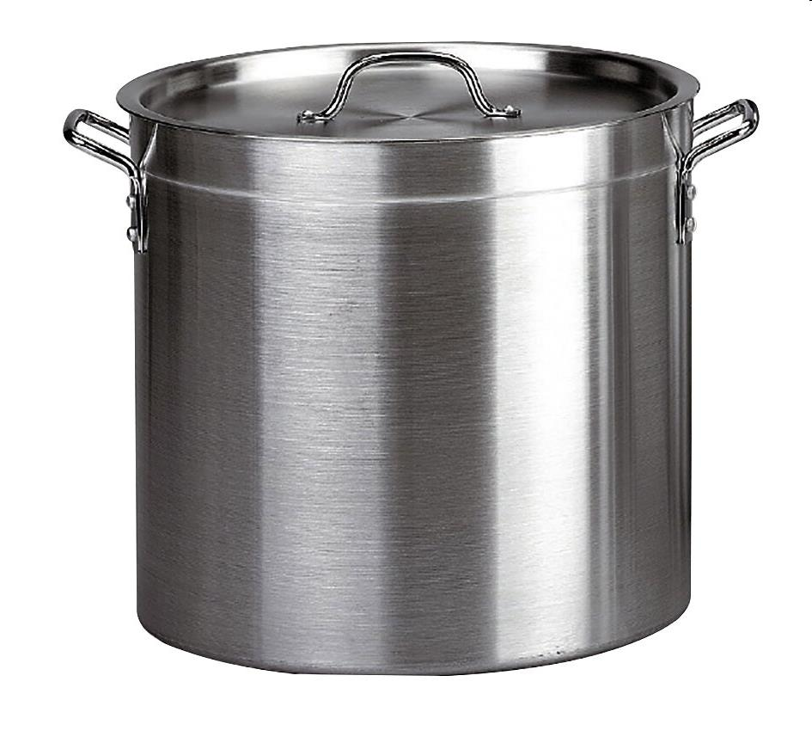
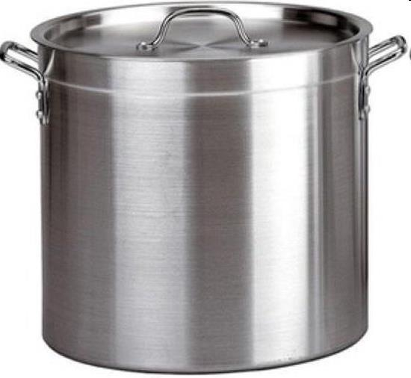
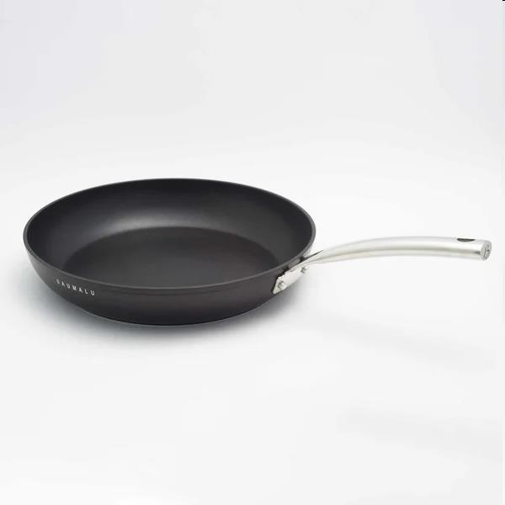
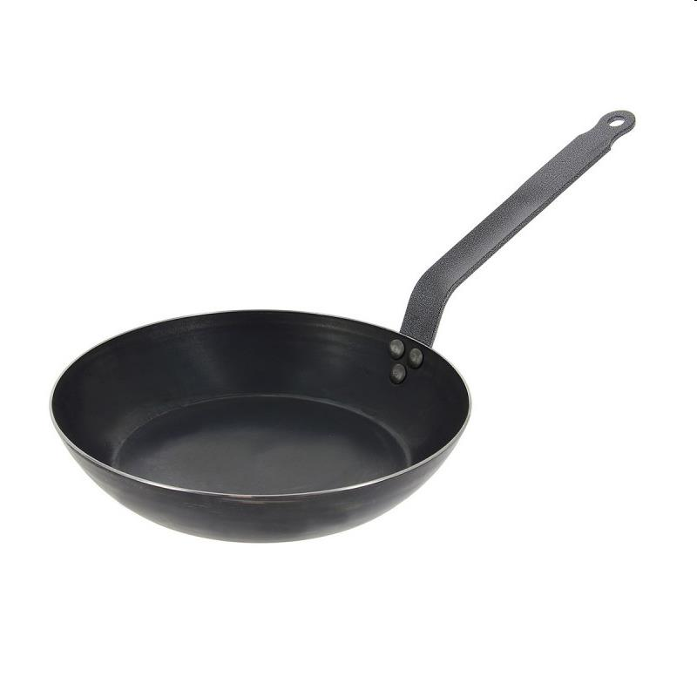
Picture | Item code | Description | Extra information | Restriction | Stock | Sales price EXW | Retail price | Barcode | Quantity PU | Quantity pallet | Pallet | Origin | Customs code | Item weight | Languages on package | Group
 | S-10726 | Baumalu, Aluminium Caterer 32cm - 24L, Professional quality | 331702 |  | 1103 | 21.9 |  | 3216383317025 |  |  |  |  |  |  |  | Baumalu
 | S-10725 | Baumalu, Aluminium Caterer 28cm - 14L, Professional quality | 331701 |  | 858 | 18.9 |  | 3216383317018 |  |  |  |  |  |  |  | Baumalu
 | S-10727 | Baumalu, Tole frying pan 24cm | 860505 |  | 579 | 9.9 |  | 3216388605059 |  |  |  |  |  |  |  | Baumalu
 | S-10730 | Baumalu, Tole frying pan 36cm | 860536 |  | 133 | 15.9 |  | 3216388605363 |  |  |  |  |  |  |  | Baumalu

