Sheet1
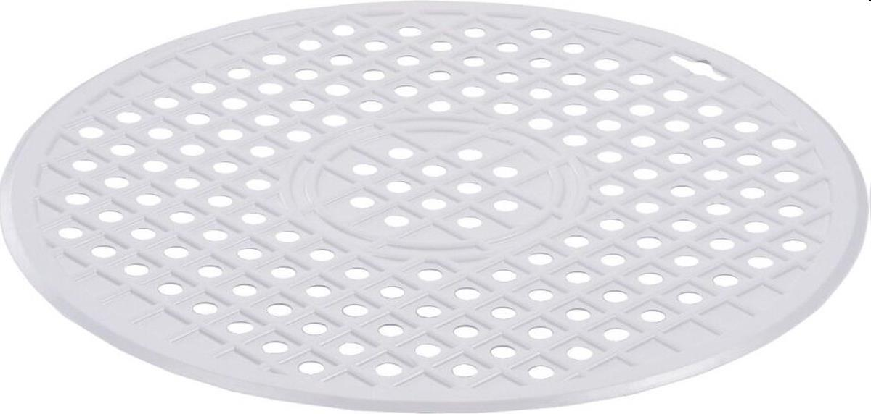
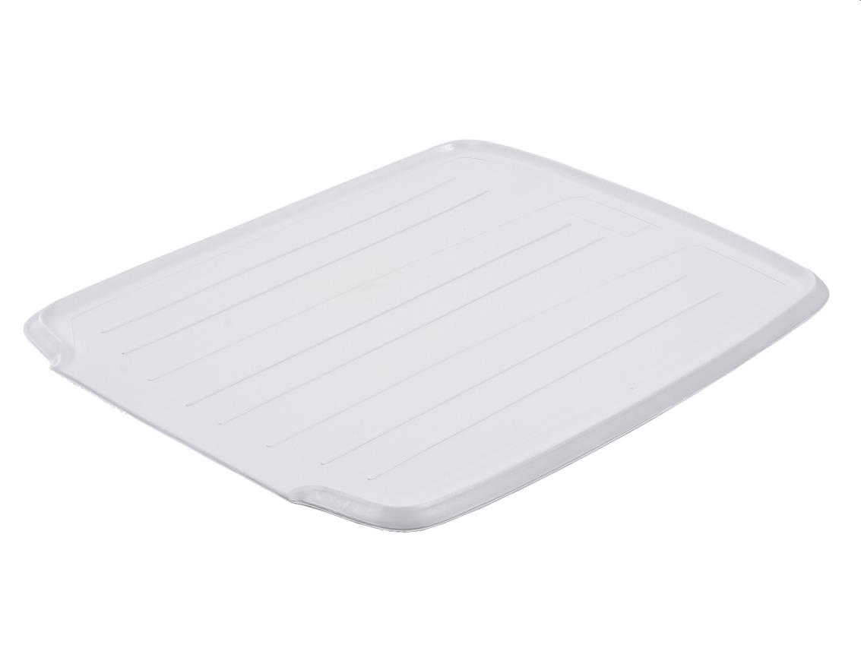
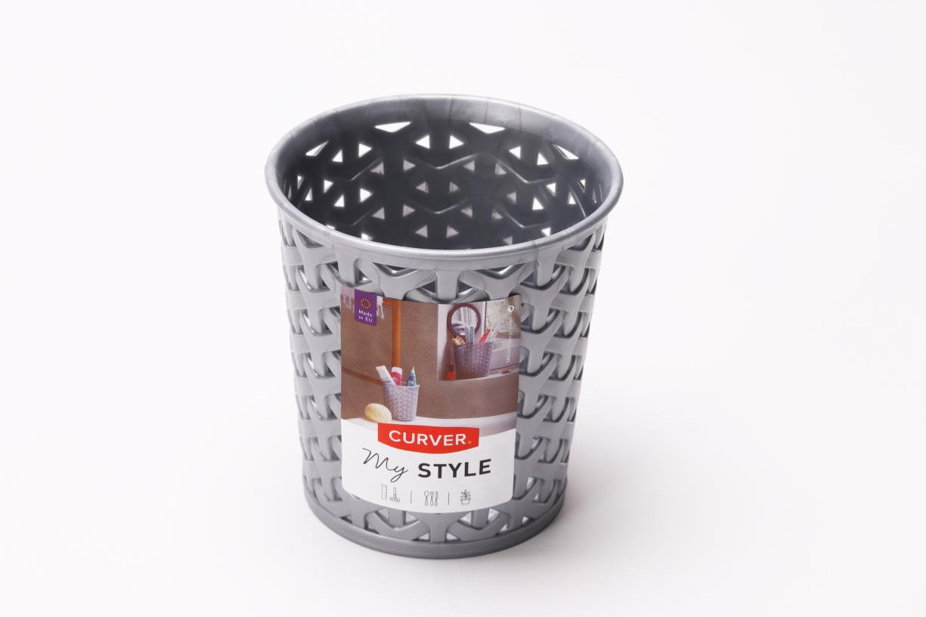
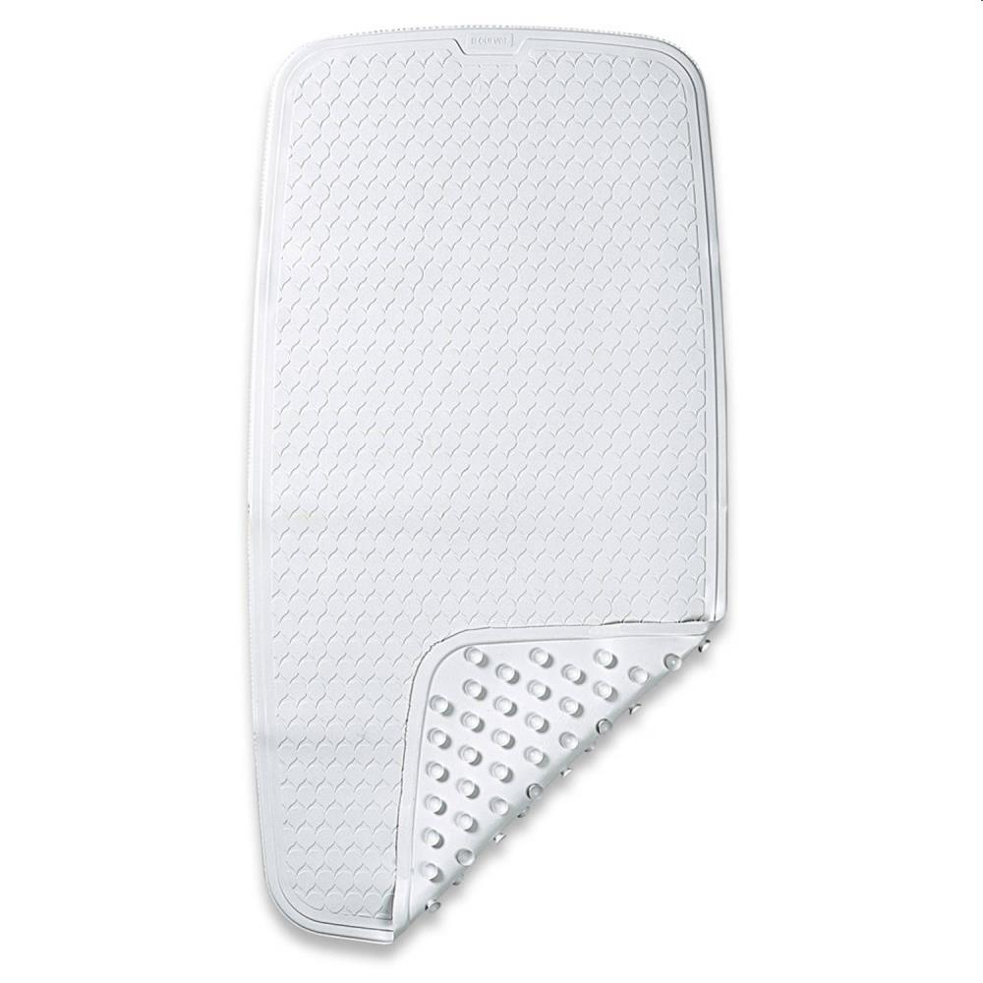
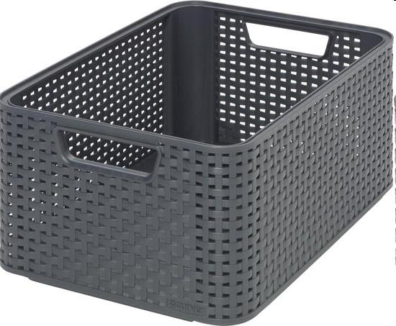
Picture | Item code | Description | Extra information | Restriction | Stock | Sales price EXW | Retail price | Barcode | Quantity PU | Quantity pallet | Pallet | Origin | Customs code | Item weight | Languages on package | Group
 | 21455 | Curver, Circular Sink Mat 33x33cm Rubber, White 812520 | 04532-026-00 | No Sales In Benelux | 8375 | 2.5 | 7.49 | 4008730453215 | 10 | 1200 | Europallet 120x80 |  | 3923501000 | 230 |  | Curver
 | 21453 | Curver, Drip Mat 38x46cm Rubber, White 812526 | 04520-040-98 | No Sales In Benelux | 4235 | 3.5 | 1249 | 4008730452041 | 5 | 500 | Europallet 120x80 | D | 3923501000 | 500 |  | Curver
 | S-08344 | Curver, My Style round storage grey (size S) | 218653 |  | 2081 | 0.69 | 18.93 | 3253920716033 | 8 | 4608 |  | H | 39249000 | 55 |  | Curver
 | 21452 | Curver, Antislip Bath Mat 71x36cm Rubber, White 812407 | 00222-040-98 | No Sales In Benelux | 805 | 6.9 | 19.95 | 3253921922044 | 5 | 450 | Europallet 120x80 | D | 3923501000 | 600 |  | Curver
 | 21456 | Curver, Set of 3 Style Boxes M 39x29x17cmAnthracite 254576 |  | No Sales In Benelux | 666 | 7.9 | 34.99 | 3253924839875 | 1 | 32 | Europallet 120x80 |  | 3923501000 | 3000 | en pl ru | Curver

