Sheet1
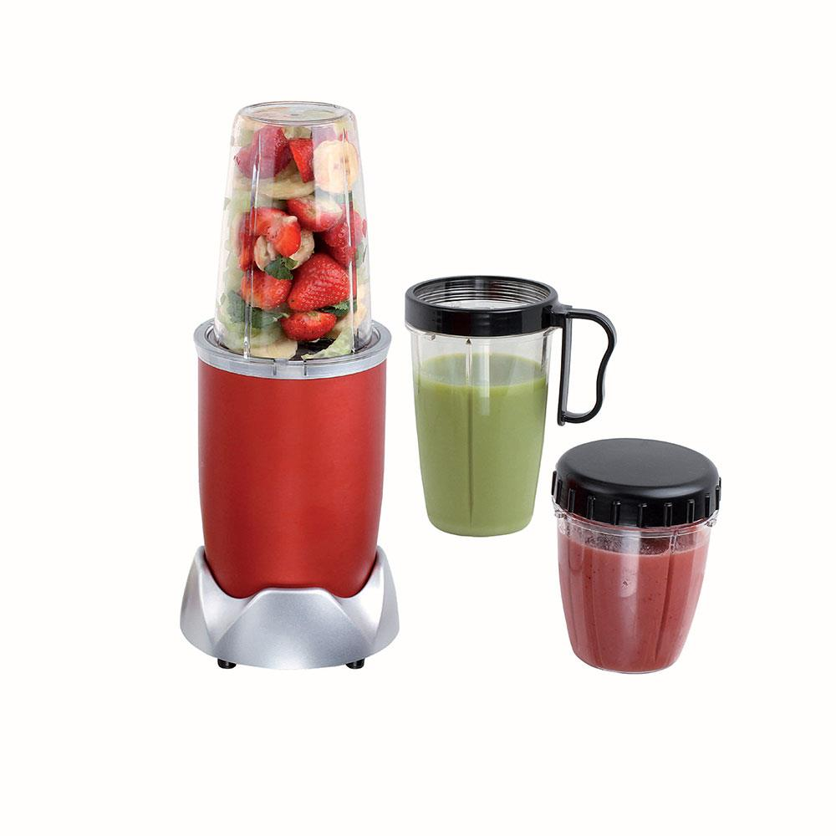
Picture | Item code | Description | Extra information | Restriction | Stock | Sales price EXW | Retail price | Barcode | Quantity PU | Quantity pallet | Pallet | Origin | Customs code | Item weight | Languages on package | Group
 | S-08276 | Domoclip, blender nutrition 9 accessories 1000w | DOP178 |  | 193 | 26.9 | 69.5 | 3523930089770 | 4 | 52 |  | CN | 8509400000 | 0 |  | Domoclip

