Sheet1
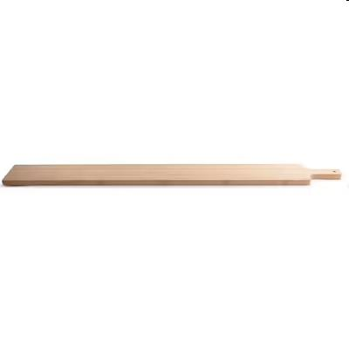
Picture | Item code | Description | Extra information | Restriction | Stock | Sales price EXW | Retail price | Barcode | Quantity PU | Quantity pallet | Pallet | Origin | Customs code | Item weight | Languages on package | Group
 | 21756 | Gusta, Bamboo Serving Board 115x12,5x2cm |  | No Sales in NL, BE, DE | 11538 | 5.5 | 23.41 | 8712628490690 | 8 | 320 | Europallet 120x80 |  | 4419909000 | 1800 | nl en | Gusta

