Sheet1
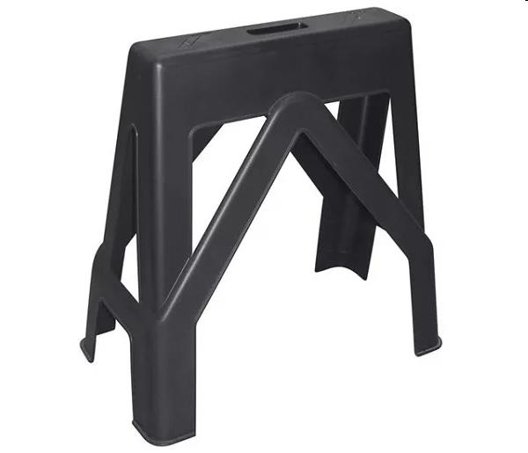
Picture | Item code | Description | Extra information | Restriction | Stock | Sales price EXW | Retail price | Barcode | Quantity PU | Quantity pallet | Pallet | Origin | Customs code | Item weight | Languages on package | Group
 | 21761 | Keter, Donky Trestle Black 73x39x66cm | 243721 |  | 496 |  | 25.5 | 5412006592369 |  | 90 |  |  | 9620009110 | 0 |  | Keter

