Sheet1
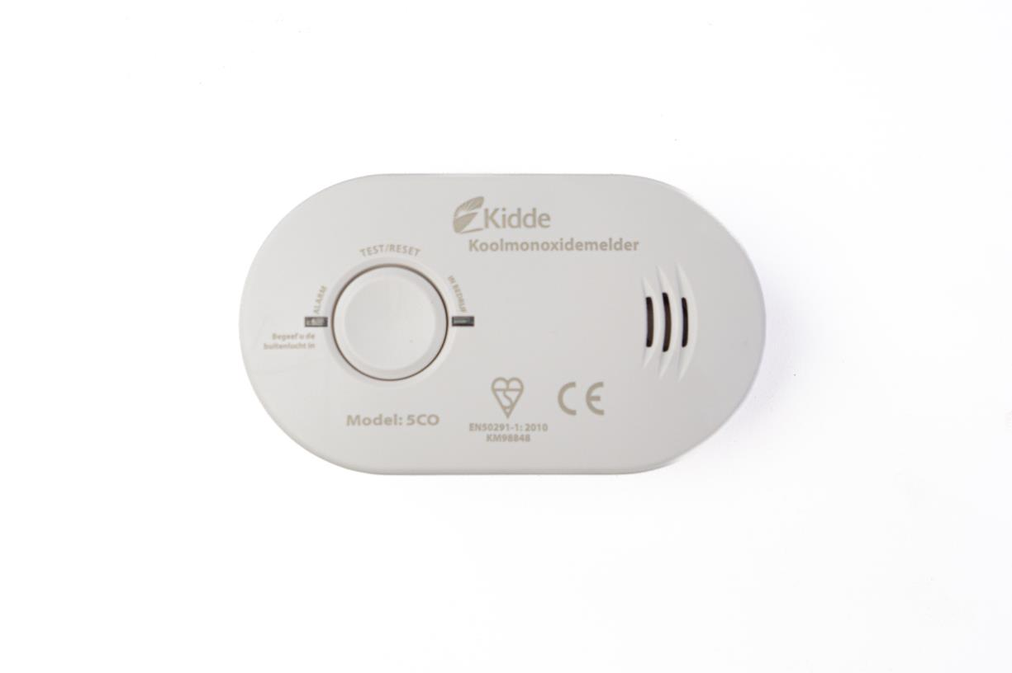
Picture | Item code | Description | Extra information | Restriction | Stock | Sales price EXW | Retail price | Barcode | Quantity PU | Quantity pallet | Pallet | Origin | Customs code | Item weight | Languages on package | Group
 | 21137 | Kidde, Carbon Monoxide Detector 5CO | 21007784 |  | 598 | 8.9 | 39.95 | 047871082445 | 6 | 1404 | Europallet 120x80 | CN | 9031800000 | 200 | nl | Kidde

