Sheet1
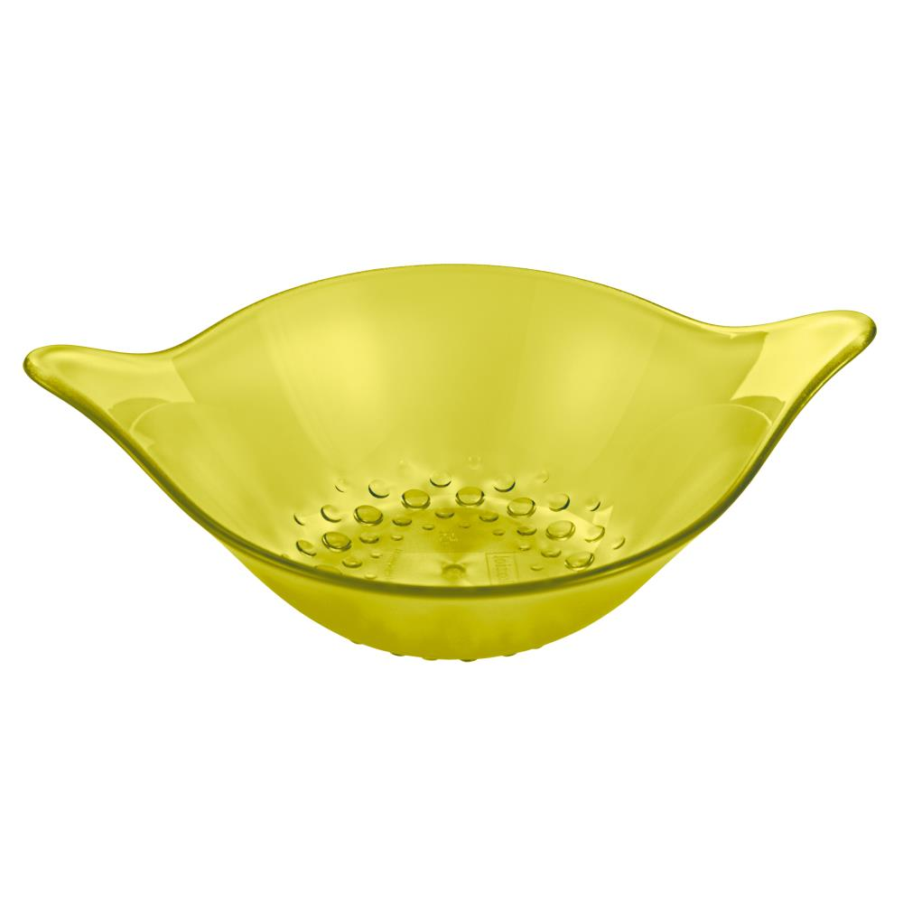
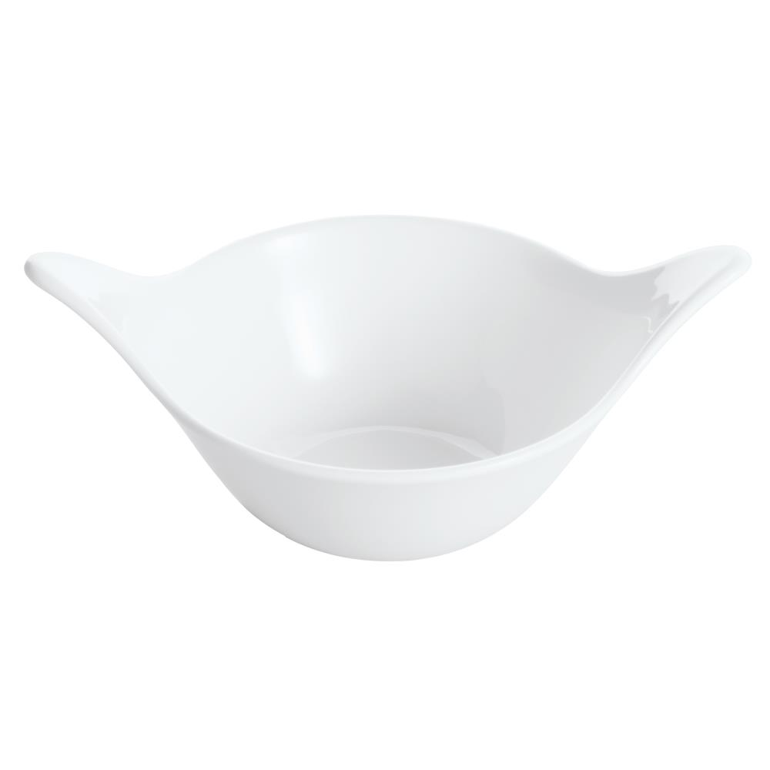
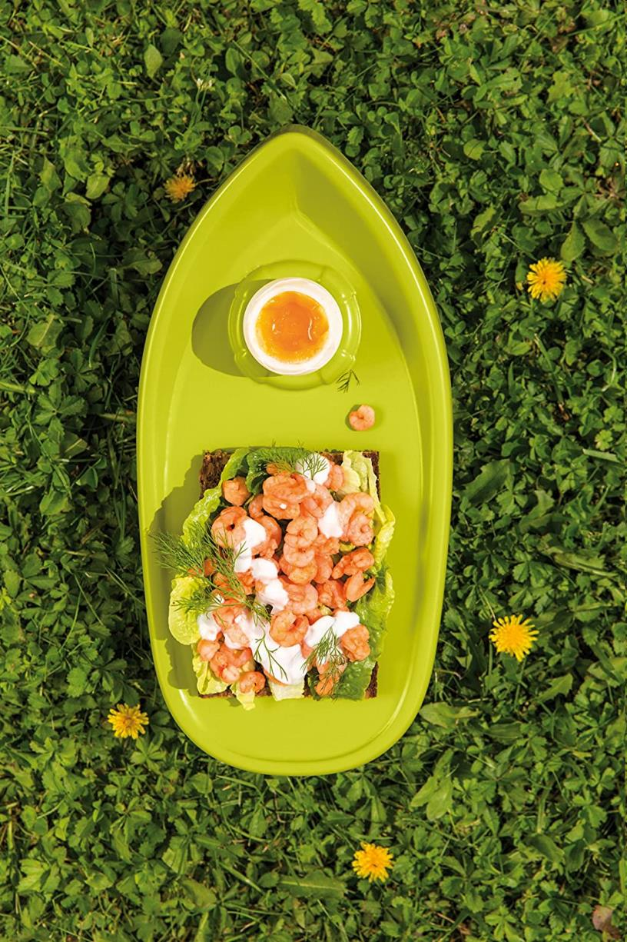
Picture | Item code | Description | Extra information | Restriction | Stock | Sales price EXW | Retail price | Barcode | Quantity PU | Quantity pallet | Pallet | Origin | Customs code | Item weight | Languages on package | Group
 | S-08520 | Koziol, Bento Box 1L (organic grey) | P506409 |  | 11858 | 2.79 | 24.95 | 4002942565339 | 10 | 280 | Europallet 120x80 | D | 39269097 | 190 |  | Koziol
 | S-08514 | Koziol, Bento Box 1L (organic grey) | P506409 | Sales in France/Netherlands/UK and Scandinavia Only | 6115 | 2.79 | 6.99 | 5054903759041 | 10 | 280 |  | D | 39269097 | 190 |  | Koziol
 | S-08465 | Koziol, bowl - set of 3 (600ml) LEAF S (transparent green) | 3652805 |  | 2341 | 3.69 | 8.95 | 4002942290590 | 6 | 288 | Wegwerppallet 120x80 | D | 39241000 | 0 |  | Koziol
 | S-08464 | Koziol, set of 6 bowls 200ml LEAF XS (white) | 3651800 |  | 609 | 3.39 | 8.93 | 4002942329771 | 6 |  |  | D | 39241000 | 0 |  | Koziol
 | S-09452 | Koziol, Snack Board BOUNTY Solid mustard green | 3253800 |  | 283 | 2.49 | 6.5 | 4002942356654 | 6 |  |  | D | 39241000 | 0 |  | Koziol
 | S-08524 | Koziol, Pascal L & Pascal S Lunchbox Set (organic pink) | P506507 |  | 252 | 2.79 | 15.95 | 5054903762966 | 8 | 256 | Europallet 120x80 | D | 39241000 | 273 |  | Koziol

