Sheet1
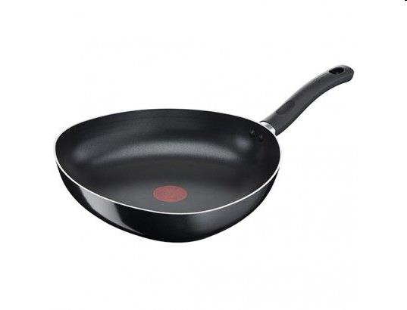
Picture | Item code | Description | Extra information | Restriction | Stock | Sales price EXW | Retail price | Barcode | Quantity PU | Quantity pallet | Pallet | Origin | Customs code | Item weight | Languages on package | Group
 | S-10247 | LAGOSTINA, poêle Pitagora, 31x31x31 | 1630814 |  | 254 | 11.9 | 27 | 8002531991101 | 3 | 105 |  | CN |  |  |  | LAGOSTINA

