Sheet1
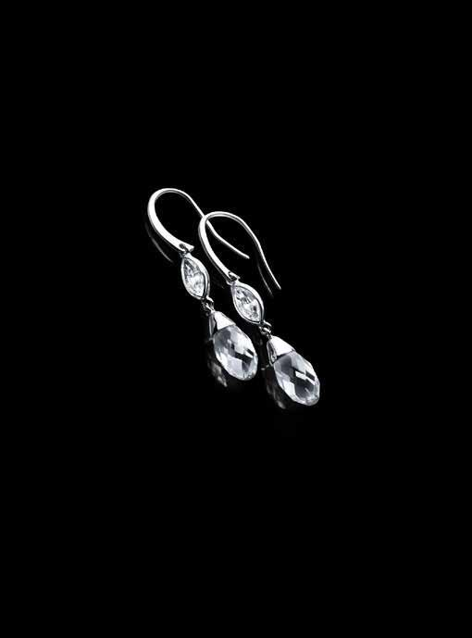
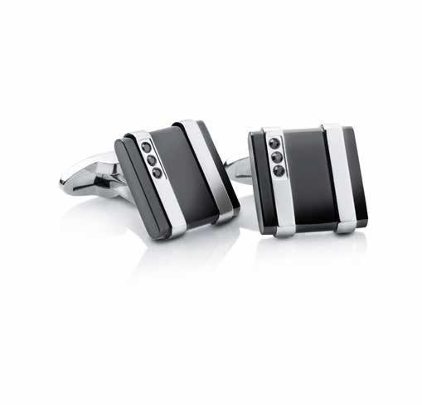
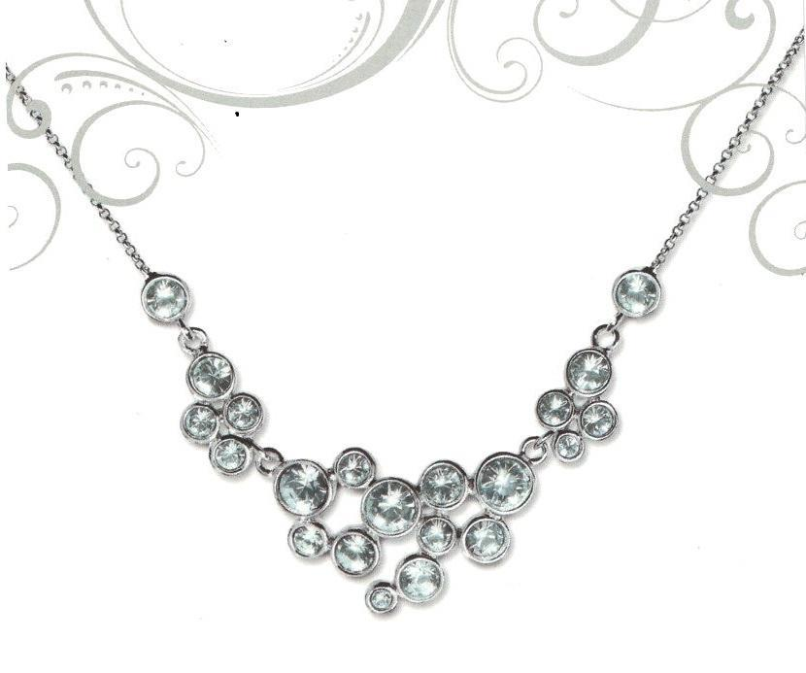
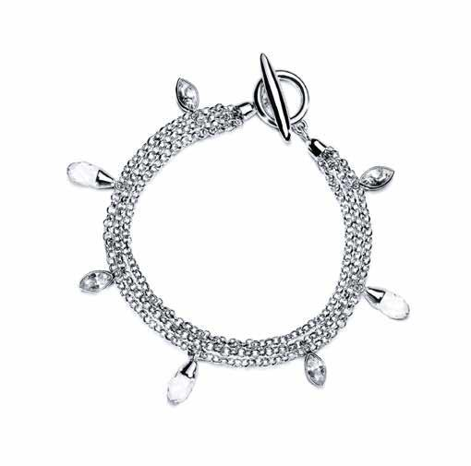
Picture | Item code | Description | Extra information | Restriction | Stock | Sales price EXW | Retail price | Barcode | Quantity PU | Quantity pallet | Pallet | Origin | Customs code | Item weight | Languages on package | Group
 | 19527 | Liora, Marquise Drop Earrings with Swarovski Elements | 1808019 |  | 13594 | 2.99 | 76 | 6955887502458 | 16 | 1792 | Europallet 120x80 | T | 7117190000 | 90 |  | Liora
 | 19524 | Liora, Black Cufflinks With Swarovski Elements | 1808016 |  | 11528 | 2.99 | 79.9 | 5023041289727 | 16 | 1792 | Europallet 120x80 | CN | 7117190000 | 116 |  | Liora
 | 19522 | Liora, Celestial Necklace with Swarovski Elements | 1807313 |  | 7307 | 3.49 | 99 | 5023041246126 | 16 | 1792 | Europallet 120x80 | T | 7117190000 | 121 |  | Liora
 | 19526 | Liora, Marquise Bracelet with Swarovski Elements | 1808018 |  | 4313 | 4.99 | 99 | 6955887502441 | 16 | 1792 | Europallet 120x80 | CN | 7117190000 | 148 |  | Liora

