Sheet1
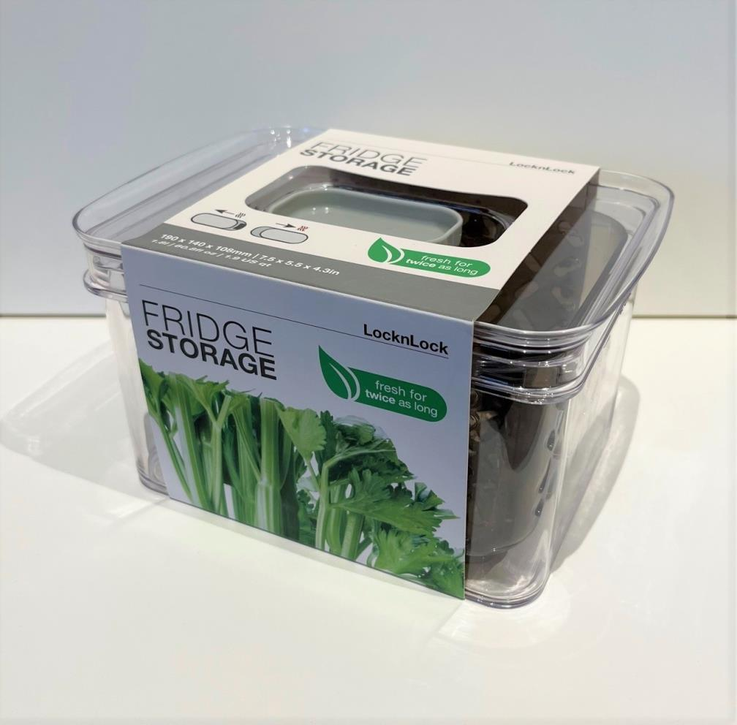
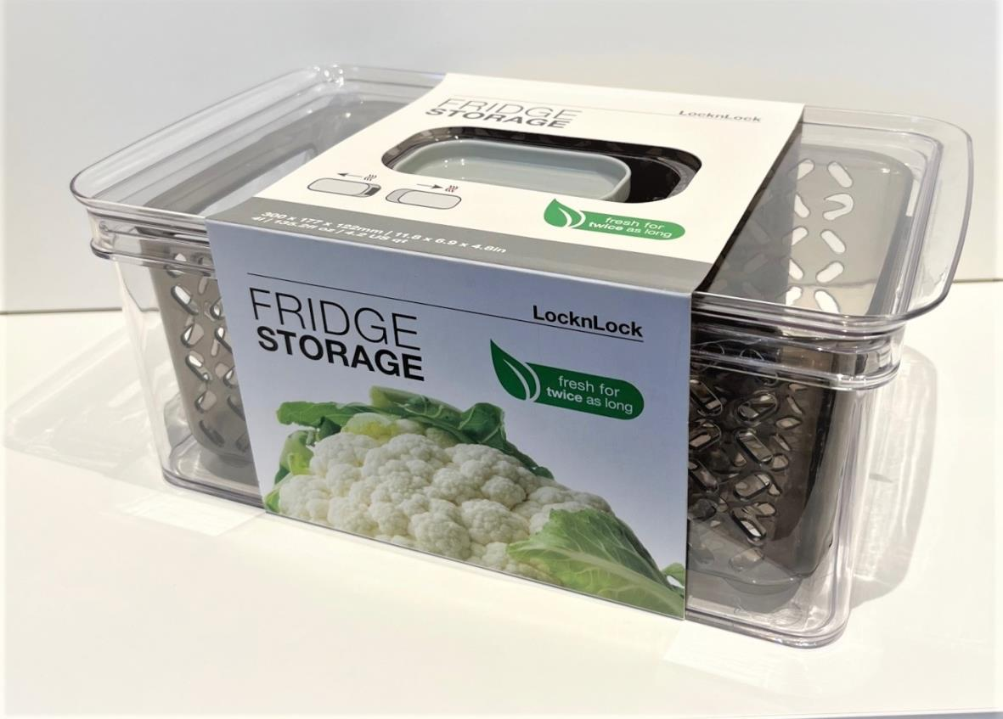
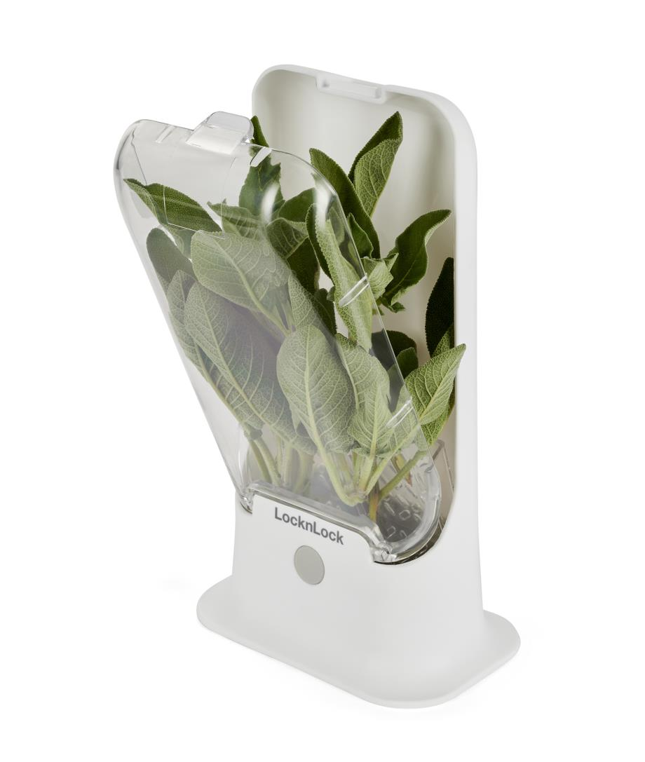
Picture | Item code | Description | Extra information | Restriction | Stock | Sales price EXW | Retail price | Barcode | Quantity PU | Quantity pallet | Pallet | Origin | Customs code | Item weight | Languages on package | Group
 | 21983 | Locknlock, Fridge Storage Tritan BPA free 1,8L 19x14x11cm | P508670 | Only Sales in EU, Except For Nordic Countries + No Use Of Brand or Logo in Any Form Of Advertisement, Promotion or Marketing or to TJ MAX | 26335 | 2.79 | 12.99 | 5054903849520 | 8 | 256 |  | CN | 3924100090 | 0 |  | Locknlock
 | 21984 | Locknlock, Fridge Storage Tritan BPA free 4L 30x18x13cm | P508671 | Only Sales in EU, Except For Nordic Countries + No Use Of Brand or Logo in Any Form Of Advertisement, Promotion or Marketing or to TJ MAX | 16880 | 3.79 | 18.99 | 5054903849568 | 4 | 96 |  | CN | 3924100090 | 0 |  | Locknlock
 | 21982 | Locknlock, Plastic Herb Keeper 15x9x25cm | P508669 | Only Sales in EU, Except For Nordic Countries + No Use Of Brand or Logo in Any Form Of Advertisement, Promotion or Marketing or to TJ MAX | 254 | 2.79 | 12.99 | 5054903849483 | 4 | 216 |  | CN | 3924100090 | 0 |  | Locknlock

