Sheet1
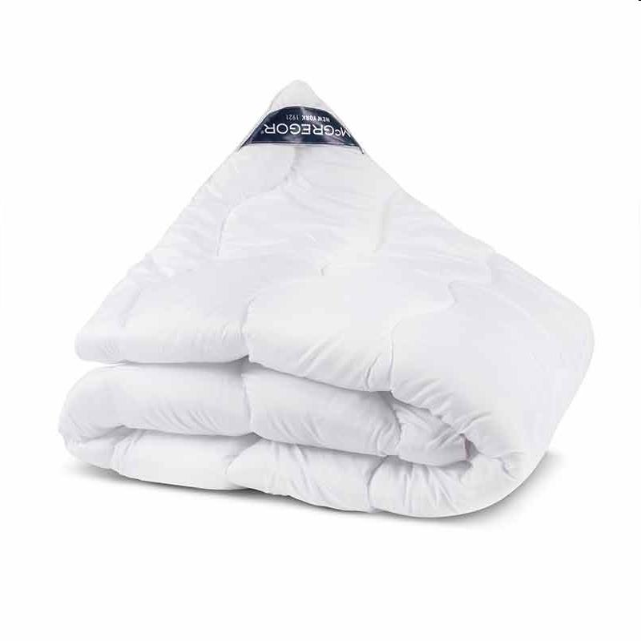
Picture | Item code | Description | Extra information | Restriction | Stock | Sales price EXW | Retail price | Barcode | Quantity PU | Quantity pallet | Pallet | Origin | Customs code | Item weight | Languages on package | Group
 | 21450 | McGregor, All Seasons Quilt 140x200cm |  | No Sales Online + No Sales In NL No advertising in any way. | 124 |  | 169 | 8719909399260 | 16 | 64 | Wegwerppallet 120x80 | PL | 6302310090 | 1800 |  | McGregor

