Sheet1
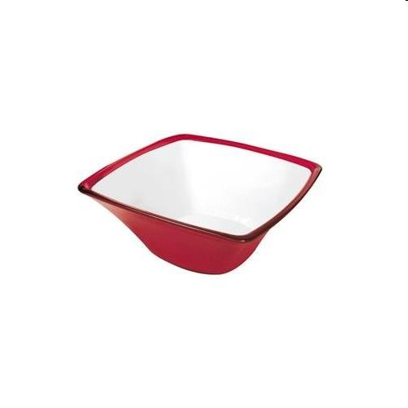
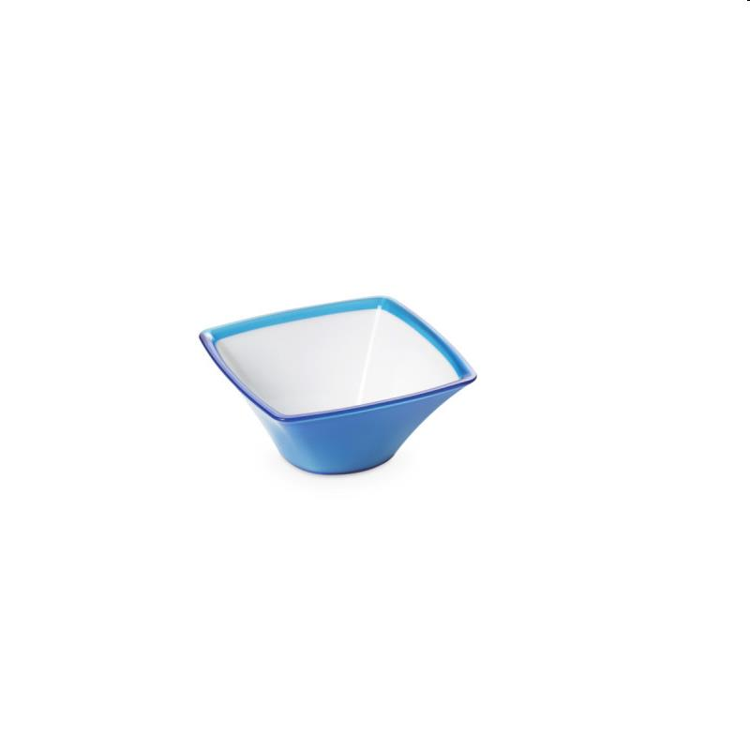
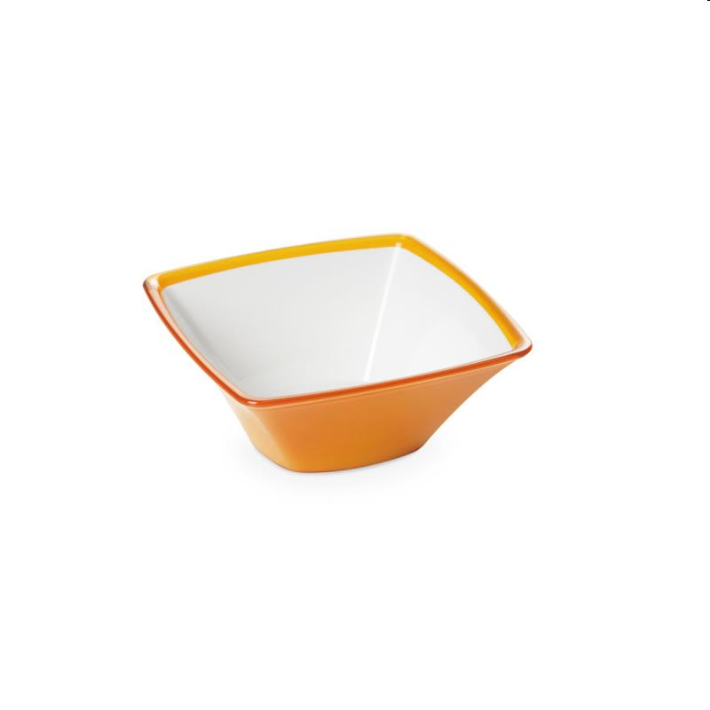
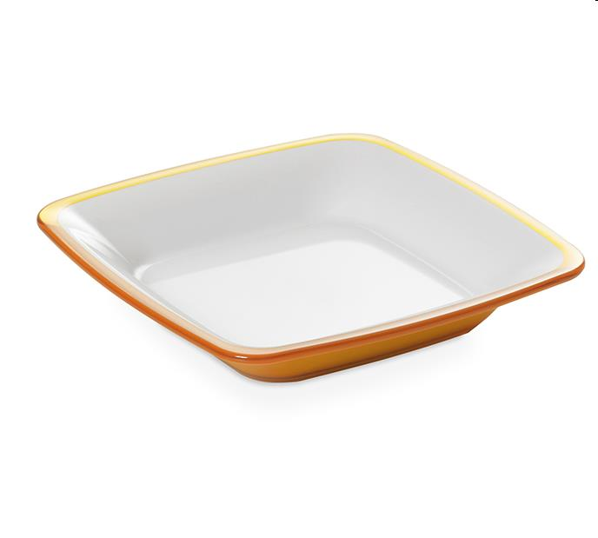
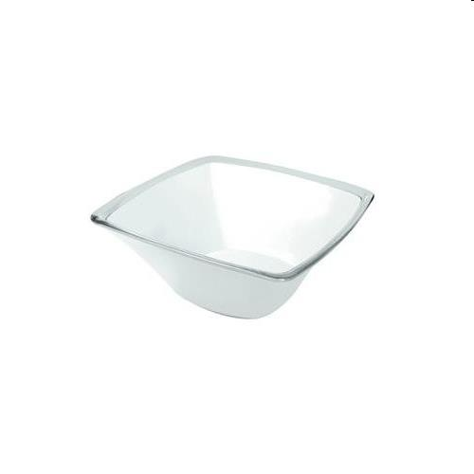
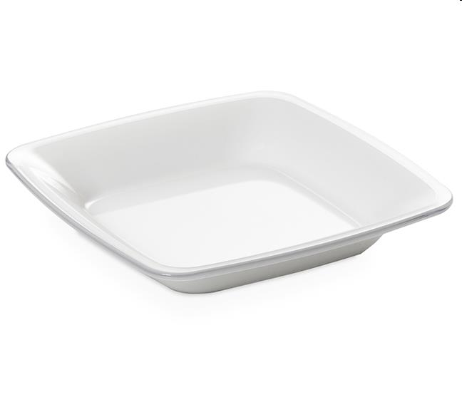
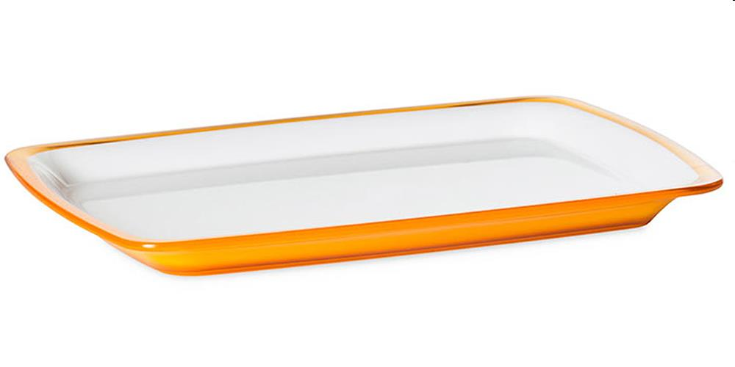
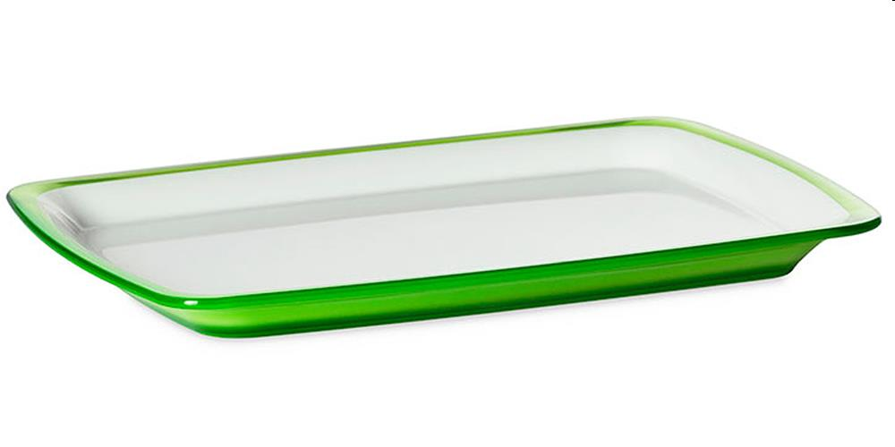
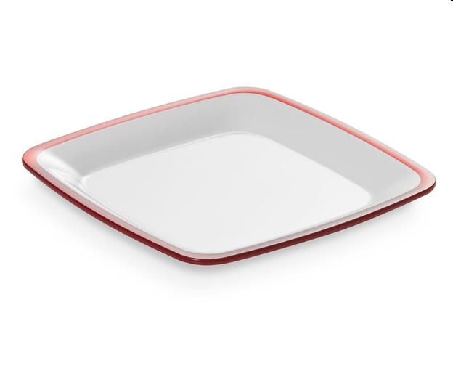
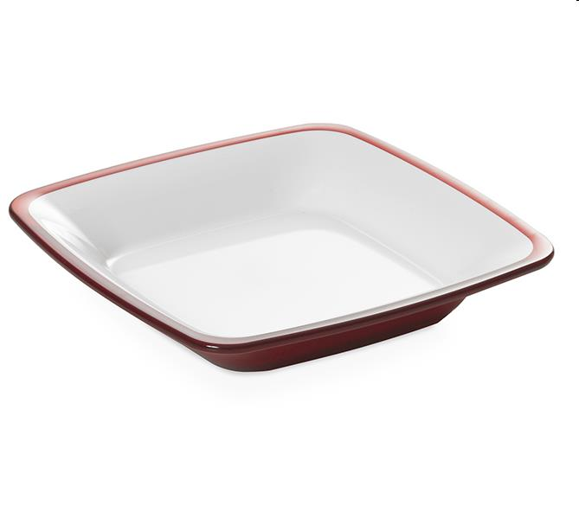
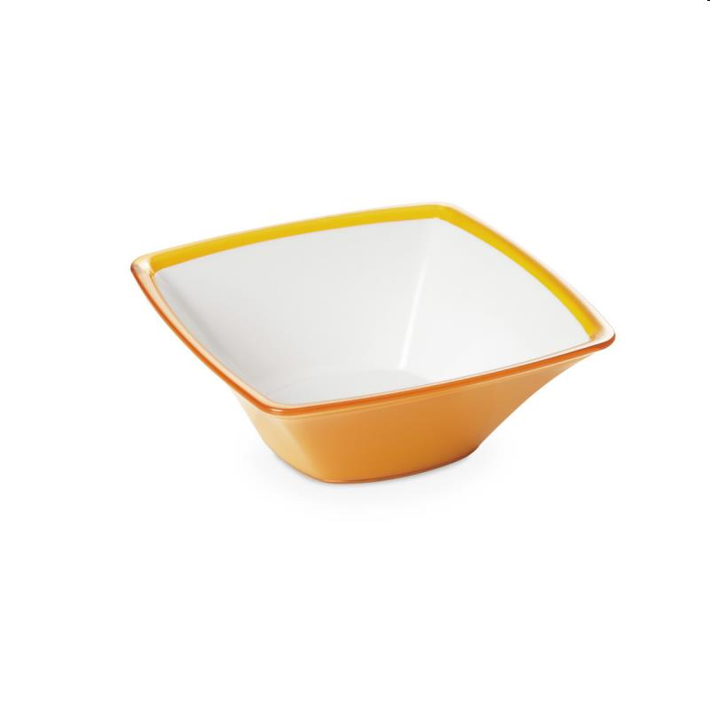
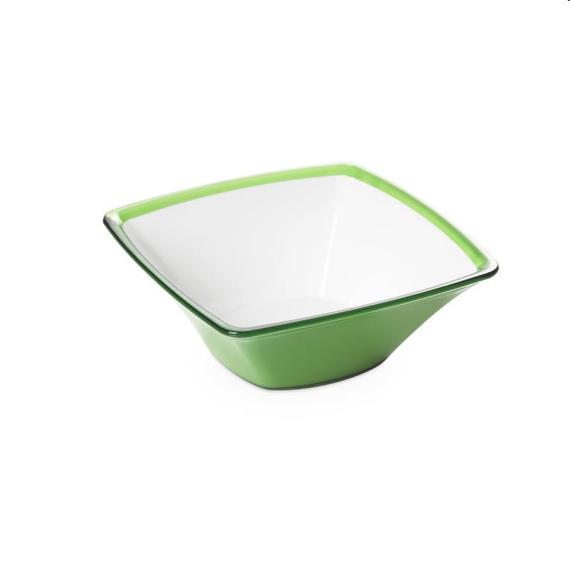
Picture | Item code | Description | Extra information | Restriction | Stock | Sales price EXW | Retail price | Barcode | Quantity PU | Quantity pallet | Pallet | Origin | Customs code | Item weight | Languages on package | Group
 | 20872 | Omada, Plastic Square Bowl 14x14x6cm Red 0,5L | M4500RR |  | 1070 | 0.99 | 4 | 8022365244082 | 94 | 4512 | Europallet 120x80 | I | 3924100000 | 100 |  | Omada
 | 20869 | Omada, Plastic Square Bowl 14x14x6cm Blue 0,5L | M4500TC |  | 1033 | 0.99 | 4 | 8022365244105 | 94 | 4512 | Europallet 120x80 | I | 3924100000 | 100 |  | Omada
 | 20875 | Omada, Plastic Square Salad Bowl 20x20x9cm Orange 1,3L | M4505GI |  | 502 | 1.69 | 9.8 | 8022365244181 | 30 | 1440 | Europallet 120x80 | I | 3924100000 | 200 |  | Omada
 | 20900 | Omada, Plastic Square Soup Plate 20x20x4cm Orange | M4522GI |  | 242 | 1.99 | 4.9 | 8022365294735 | 40 | 2520 | Europallet 120x80 | I | 3924100000 | 100 |  | Omada
 | 20868 | Omada, Plastic Square Bowl 14x14x6cm White 0,5L | M4500BI |  | 212 | 0.99 | 4 | 8022365244068 | 94 | 6016 | Europallet 120x80 | I | 3924100000 | 100 |  | Omada
 | 20898 | Omada, Plastic Square Soup Plate 20x20x4cm White | M4522BI |  | 208 | 1.99 | 4.9 | 8022365294711 | 40 | 2240 | Europallet 120x80 | I | 3924100000 | 100 |  | Omada
 | 20883 | Omada, Plastic Square Serving Dish 28x21x2cm Orange | M4515GI |  | 163 | 2.29 | 9.8 | 8022365244365 | 45 | 2880 | Europallet 120x80 | I | 3924100000 | 300 |  | Omada
 | 20884 | Omada, Plastic Square Serving Dish 28x21x2cm Green | M4515VP |  | 159 | 2.29 | 9.8 | 8022365244389 | 45 | 2160 | Europallet 120x80 | I | 3924100000 | 300 |  | Omada
 | 20897 | Omada, Plastic Square Dessert Plate 17x17x2cm Red | M4521RR |  | 136 | 0.79 | 3.9 | 8022365294704 | 74 | 4144 | Europallet 120x80 | I | 3924100000 | 100 |  | Omada
 | 20902 | Omada, Plastic Square Soup Plate 20x20x4cm Red | M4522RR |  | 128 | 1.99 | 4.9 | 8022365294759 | 40 | 2160 | Europallet 120x80 | I | 3924100000 | 100 |  | Omada
 | 20880 | Omada, Plastic Square Salad Bowl 25x25x9cm Orange 2,3L | M4510GI |  | 114 | 2.19 | 12.8 | 8022365244273 | 40 | 1200 | Europallet 120x80 | I | 3924100000 | 400 |  | Omada
 | 20917 | Omada, Plastic Square Salad Bowl 25x25x9cm Green 2,3L |  |  | 114 | 2.19 | 12.8 | 8022365244297 | 40 | 1120 | Europallet 120x80 | I | 3924100000 | 400 |  | Omada

