Sheet1
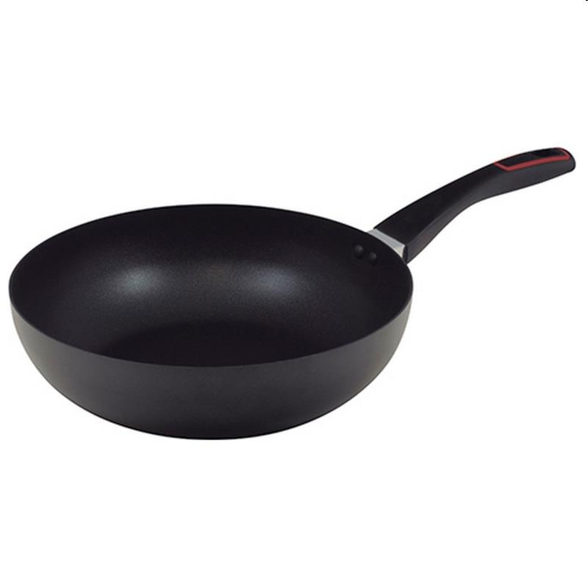
Picture | Item code | Description | Extra information | Restriction | Stock | Sales price EXW | Retail price | Barcode | Quantity PU | Quantity pallet | Pallet | Origin | Customs code | Item weight | Languages on package | Group
 | 20544 | Renberg, Wok 28x8cm Press Aluminium Induction Tasty | RB-1382 |  | 155 | 8.9 | 14.37 | 6941349525066 | 6 | 252 | Europallet 120x80 | CN | 7615108000 | 800 | fr de pt nl | Renberg

