Sheet1
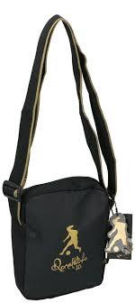
Picture | Item code | Description | Extra information | Restriction | Stock | Sales price EXW | Retail price | Barcode | Quantity PU | Quantity pallet | Pallet | Origin | Customs code | Item weight | Languages on package | Group
 | 18199 | Ronaldinho, Shoulder Bag | 3188904 |  | 575 | 1.49 | 7.75 | 8028716162135 | 48 | 864 | Wegwerppallet 120x80 | CN | 4202929190 | 0 | ru tr | Ronaldinho

