Sheet1
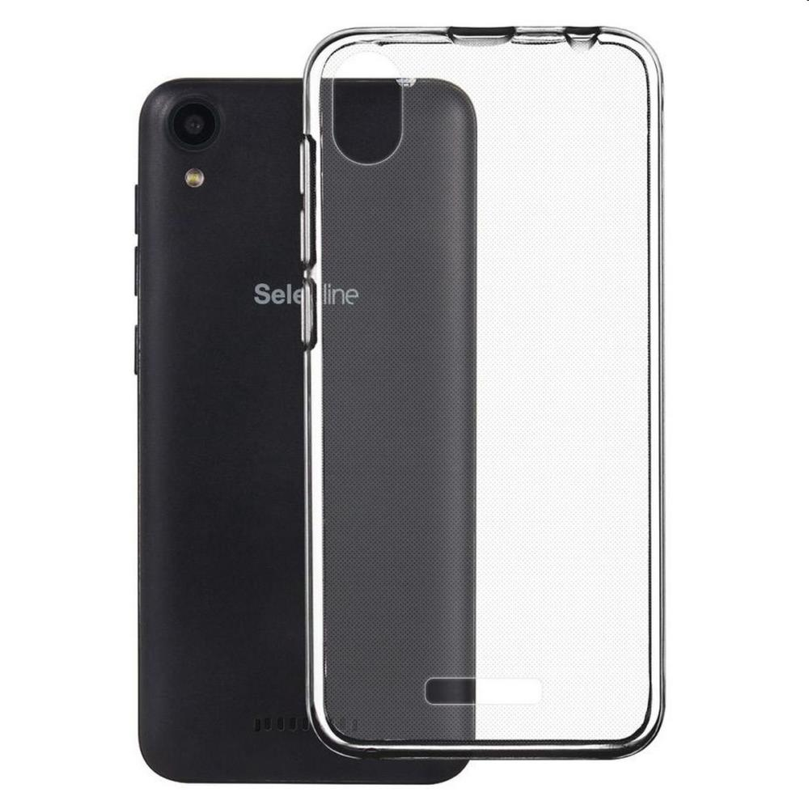
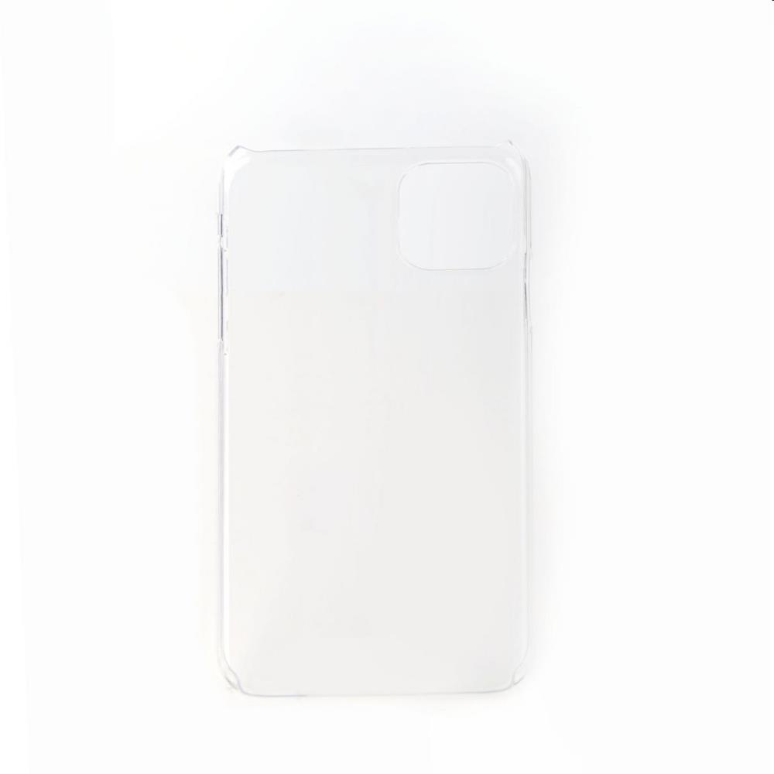
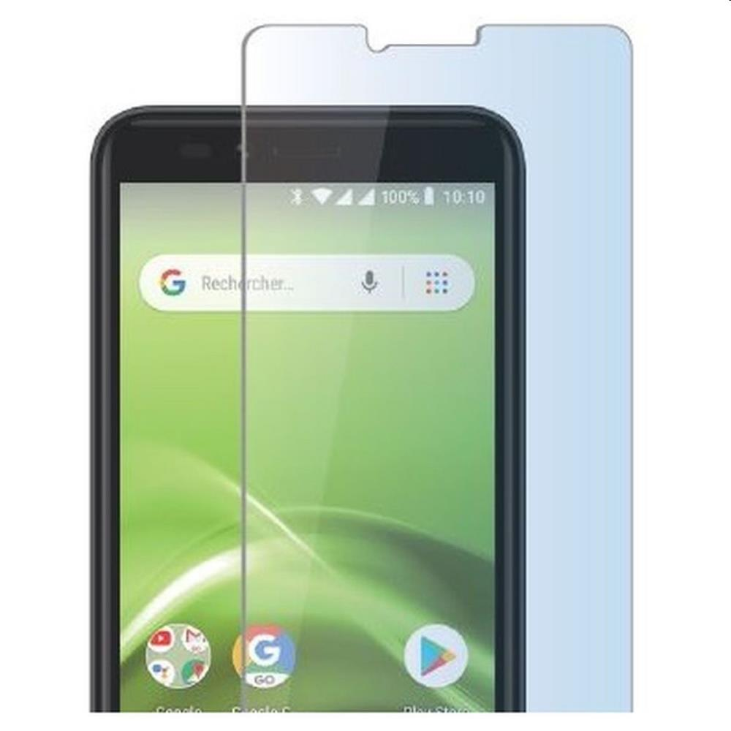
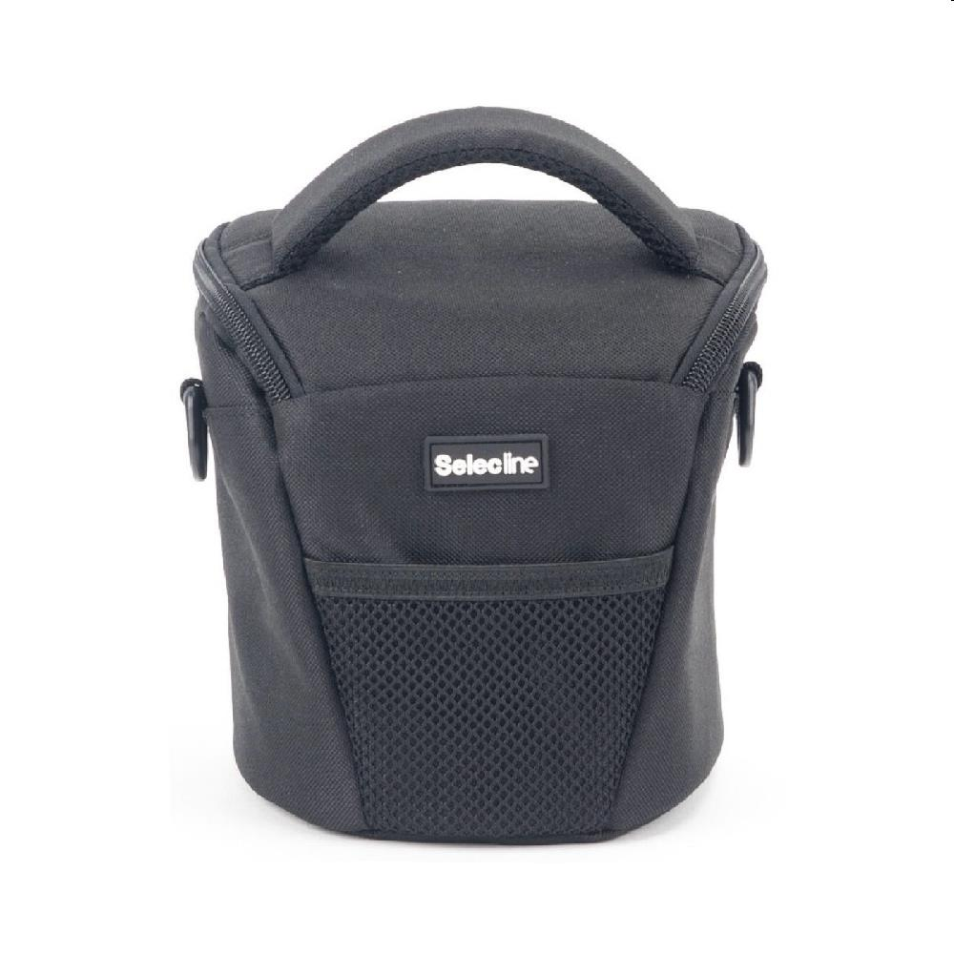
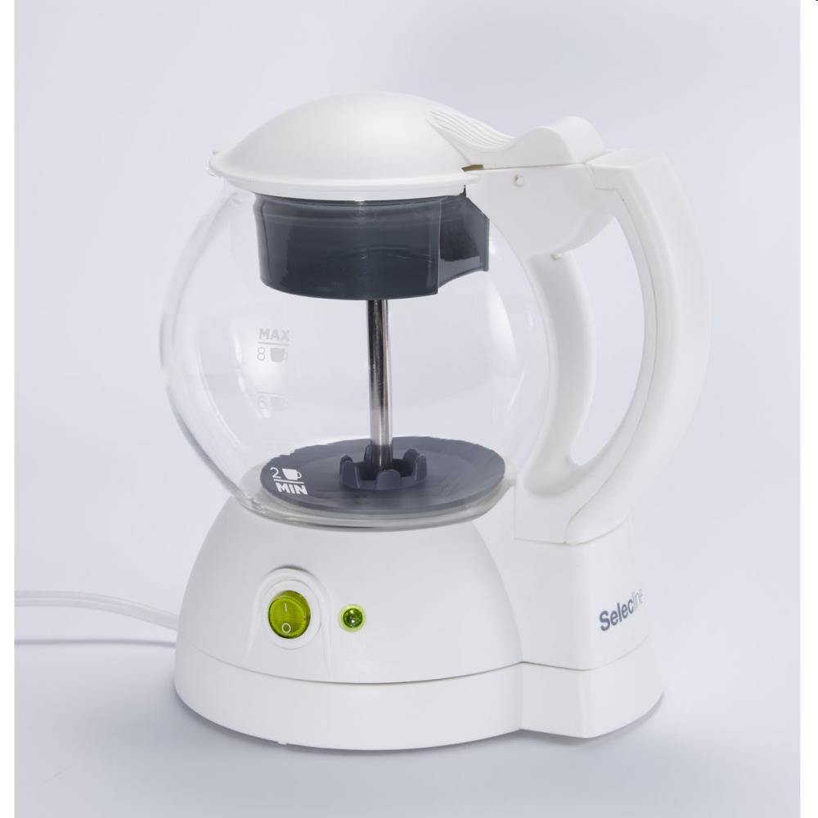
Picture | Item code | Description | Extra information | Restriction | Stock | Sales price EXW | Retail price | Barcode | Quantity PU | Quantity pallet | Pallet | Origin | Customs code | Item weight | Languages on package | Group
 | S-09309 | Selecline, transparent tpu back cover 5 S2-19 transparent | 66038867 |  | 2090 | 0.39 | 4.9 | 3665257040437 |  |  |  |  | 3926909790 | 0 |  | Selecline
 | S-09287 | Selecline, crystal rigid back cover Iphone 11 Pro 2019 | 151449 |  | 2058 | 0.39 | 4.9 | 3245676776201 |  |  |  |  | 3926909790 | 0 |  | Selecline
 | S-09311 | Selecline, tempered glass screen protector S2-19 transparent | 600039442 |  | 2014 | 0.29 | 4.9 | 3665257042493 |  |  |  |  | 3926909790 | 0 |  | Selecline
 | S-09255 | Selecline, pp camera bag medium size | 865020 |  | 1143 | 1.9 | 7.99 | 3245676158281 |  |  |  |  | 4202921900 | 0 |  | Selecline
 | S-09332 | Selecline, tea maker | 865104 |  | 133 | 6.9 | 19.99 | 3245676163490 |  |  |  |  | 8516710000 | 0 |  | Selecline

