Sheet1
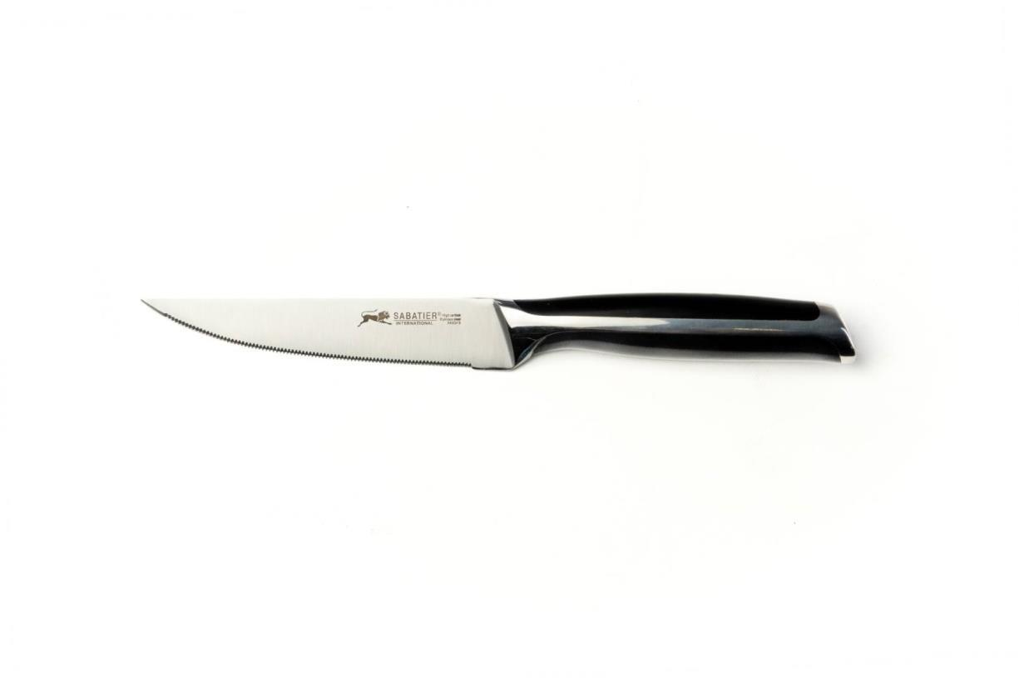
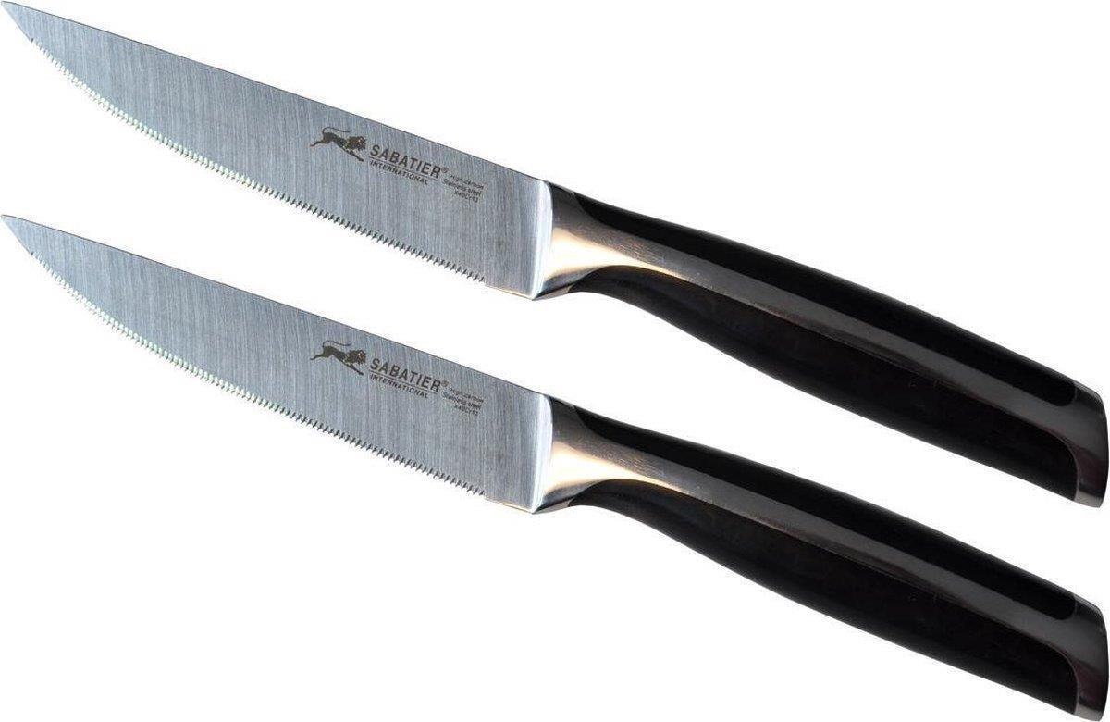
Picture | Item code | Description | Extra information | Restriction | Stock | Sales price EXW | Retail price | Barcode | Quantity PU | Quantity pallet | Pallet | Origin | Customs code | Item weight | Languages on package | Group
 | 20972 | Sabatier, Utility Knife | KN0552 | Only sales in AUS, SLO, RO, CZ, BA, BG, SRB, UA, LV, LT, BY, H, HR, PL, UK, IRL, GR, P, M, CY, J, NZ, ROK | 388 | 1.89 | 24.95 | 8718973074523 | 6 | 1428 |  | CN | 8211920000 | 130 | FR, EN | Sabatier
 | 21136 | Sabatier, Universal Knife | 144442 |  | 180 | 2.79 | 24.99 | 4016491101290 | 18 | 2016 | Europallet 120x80 | D | 8211920000 | 210 | de | Sabatier
 | 20623 | Sabatier, Steak Knife, Set of 2 pcs. | 20503a |  | 160 | 3.59 | 49.9 | 8055684140520 | 32 | 1792 | Wegwerppallet 120x80 | CN | 8211920000 | 266 | en fr | Sabatier

