Sheet1
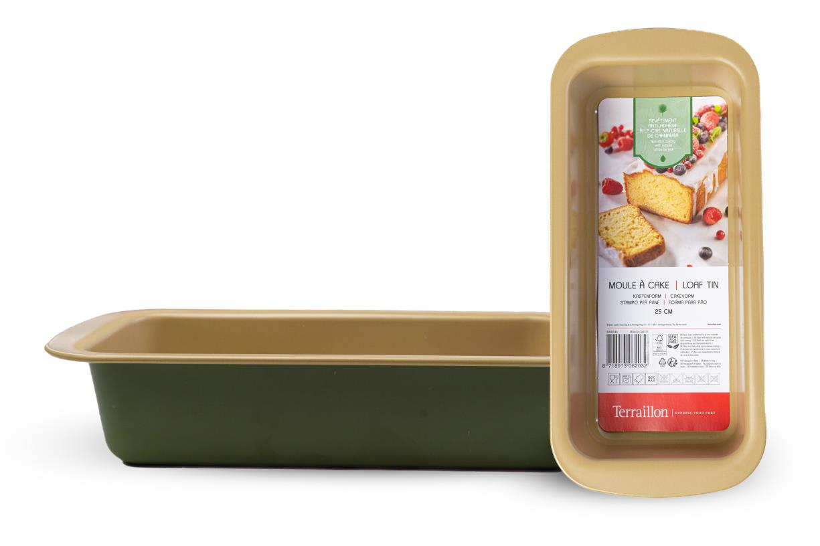
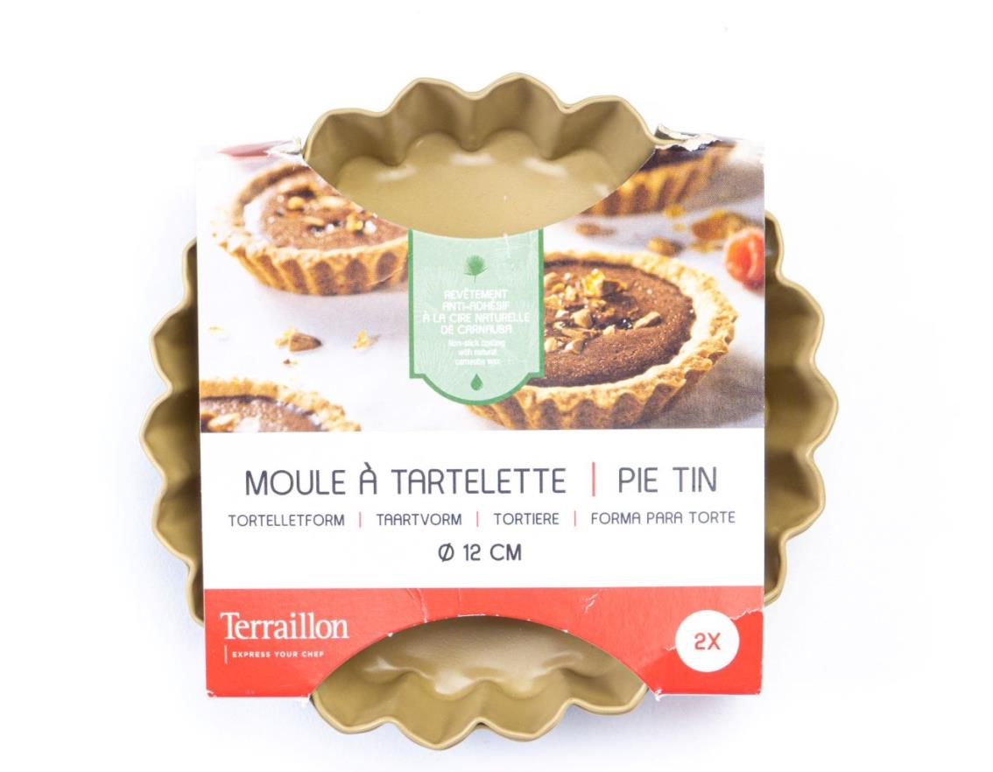


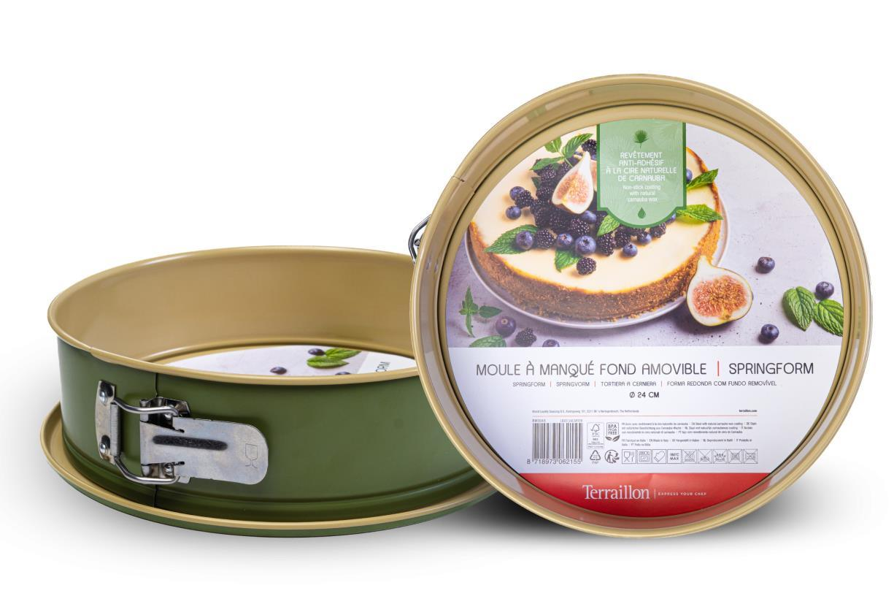
Picture | Item code | Description | Extra information | Restriction | Stock | Sales price EXW | Retail price | Barcode | Quantity PU | Quantity pallet | Pallet | Origin | Customs code | Item weight | Languages on package | Group
 | 20983 | Terraillon, Loaf Tin 25cm | BW0044 | No sales in FR, BE, CH & UK | 239322 | 1.39 | 0 | 8718973062032 | 6 | 2052 | Europallet 120x80 | I | 7323990000 | 220 | en it de | Terraillon
 | 20982 | Terraillon, Set of 2 Steel Tortelletforms | BW0043 | No sales in FR, BE, CH & UK | 154639 | 0.59 | 0 | 8718973062001 | 6 | 3240 | Europallet 120x80 | I | 6911100090 | 85 | fr en de nl it pt | Terraillon
 | S-10685 | Terraillon, Set of 2 Steel Tortelletforms | BW0043 | No sales in FR, BE, CH & UK1 | 704 |  |  | 8718973062001 | 6 | 3240 | Europallet 120x80 | I | 6911100090 | 85 | fr en de nl it pt | Terraillon
 | S-10686 | Terraillon, Loaf Tin 25cm | BW0044 | No sales in FR, BE, CH & UK | 372 |  |  | 8718973062032 | 6 | 2052 | Europallet 120x80 | I | 7323990000 | 220 | EN, IT, DE | Terraillon
 | S-10684 | Terraillon, Springform 24cm | BW0048 | No sales in FR, BE, CH & UK | 146 |  |  | 8718973062155 | 6 | 252 | Europallet 120x80 | I | 7615108090 | 330 | FR, EN, DE, NL, IT, PT | Terraillon

