Sheet1
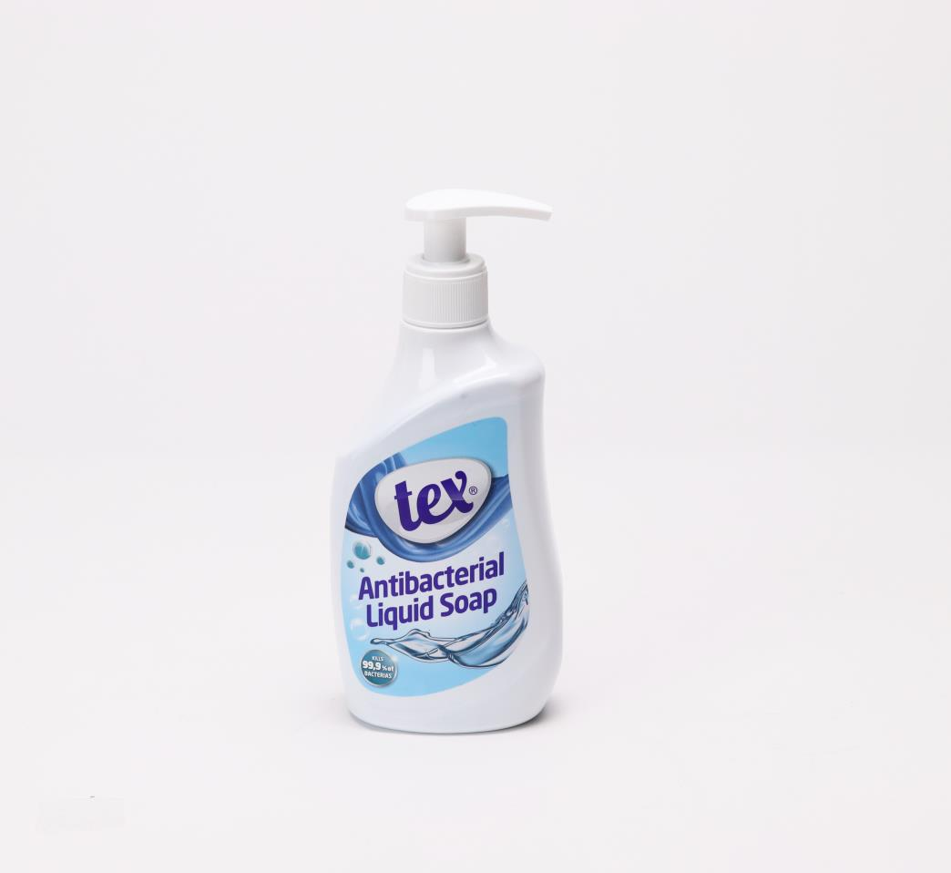
Picture | Item code | Description | Extra information | Restriction | Stock | Sales price EXW | Retail price | Barcode | Quantity PU | Quantity pallet | Pallet | Origin | Customs code | Item weight | Languages on package | Group
 | S-08375 | Tex, antibacterial liquid soap 400ml |  |  | 1794 | 0.59 | 2.99 | 8697427798430 | 12 | 1176 | Europallet 120x80 | TR | 3401209000 |  |  | Tex

