Sheet1
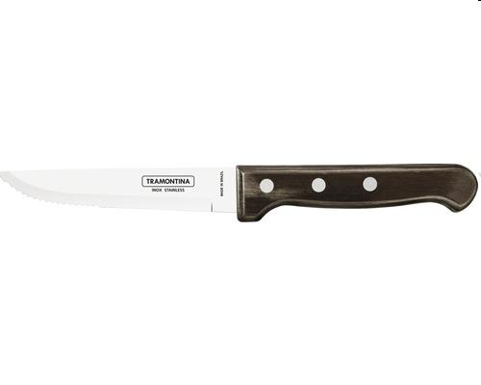
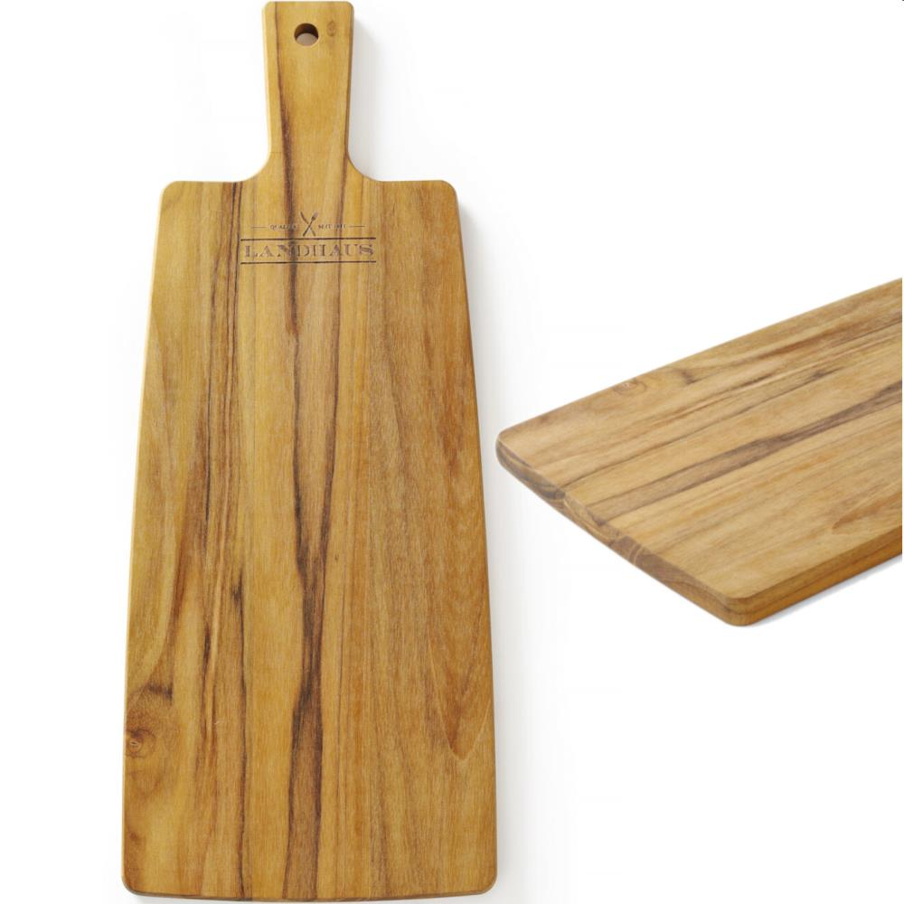
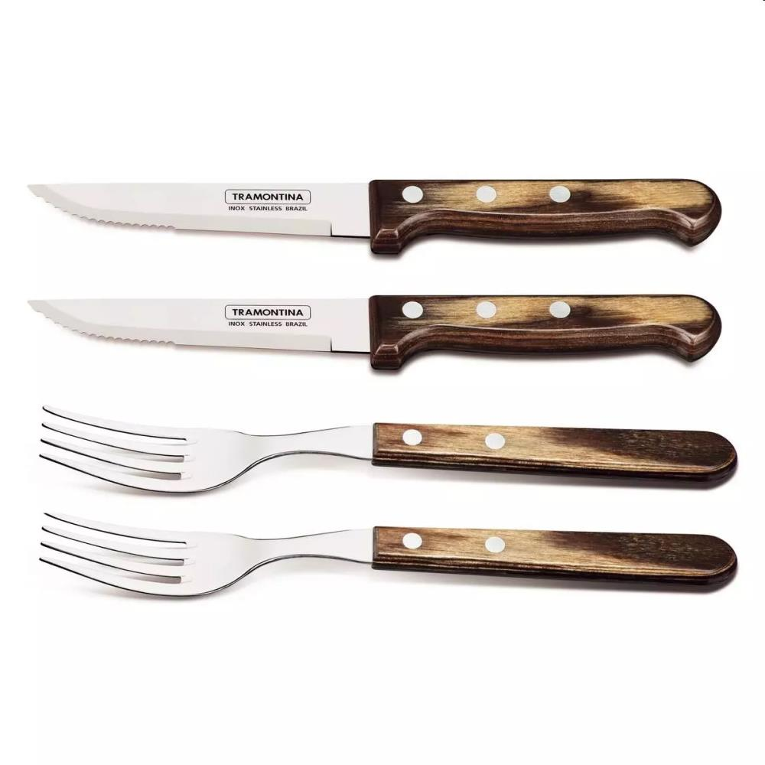
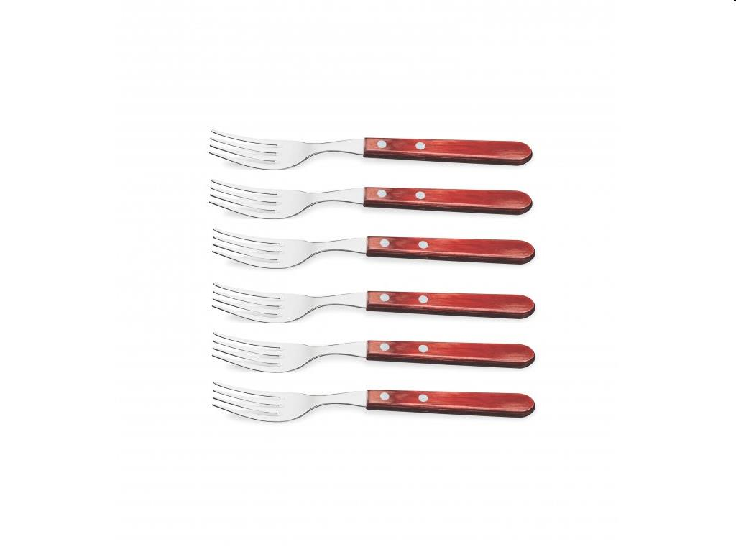
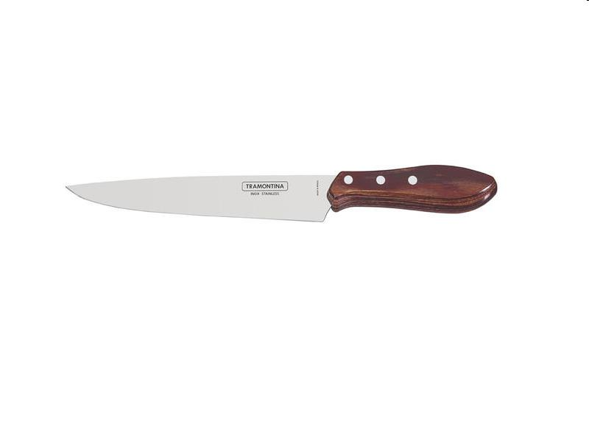
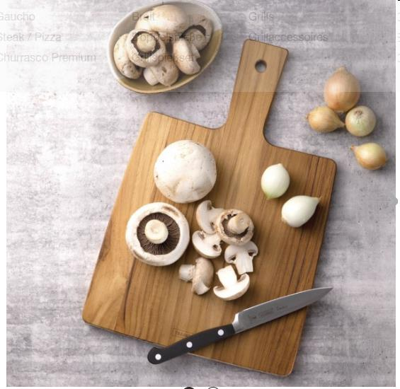
Picture | Item code | Description | Extra information | Restriction | Stock | Sales price EXW | Retail price | Barcode | Quantity PU | Quantity pallet | Pallet | Origin | Customs code | Item weight | Languages on package | Group
 | 22672 | Tramontina, Set of 2 Steak Knives With Brown Handle, Gaucho | 92000-004 |  | 7000 | 3.9 | 9.99 | 4260635241049 | 5 |  |  |  | 8211920000 | 0 |  | Tramontina
 | 22677 | Tramontina, Teak Serving/Cutting Board 48x19x2cm | 13998-039 |  | 2000 | 5.9 | 15.99 | 7896403792283 | 5 |  |  |  | 4407291000 | 0 |  | Tramontina
 | 22675 | Tramontina, Steak Cutlery Set (2 forks, 2 knives) With Brown Handle | 29899-312 |  | 1500 | 6.9 | 20.99 | 7891112250437 | 5 |  |  |  | 8211920000 | 0 |  | Tramontina
 | 22673 | Tramontina, Jumbo Steak Fork Set With Red Handle | 29899-166 |  | 500 | 13.9 | 34.99 | 7891112197732 | 5 |  |  |  | 8211920000 | 0 |  | Tramontina
 | 22663 | Tramontina, Patry Pallet With Red Handle, 20cm | 29810/400 |  | 232 | 2.9 | 8.49 | 7891112256057 | 12 |  |  |  | 8211920000 | 0 |  | Tramontina
 | 22664 | Tramontina, Cake/Pizza Shovel With Red Handle, 14cm | 29810/402 |  | 170 | 2.9 | 7.99 | 7891112256071 | 12 |  |  |  | 8211920000 | 0 |  | Tramontina
 | 22667 | Tramontina, Set of 4 Steak Knives With Red Handle, Pampas FSC | 29899/534 |  | 126 | 38.9 | 139 | 7891112246577 | 3 |  |  |  | 8211920000 | 0 |  | Tramontina
 | 22661 | Tramontina, Carving Knife With Red Handle, 20cm | 29810/079 |  | 118 | 5.9 | 13.99 | 7891112201408 | 5 |  |  |  | 8211920000 | 0 |  | Tramontina
 | 22676 | Tramontina, Teak Serving/Cutting Board 30x15x2cm | 13998-036 |  | 110 | 3.9 | 9.99 | 7896403792252 | 5 |  |  |  | 4407291000 | 0 |  | Tramontina

