Sheet1
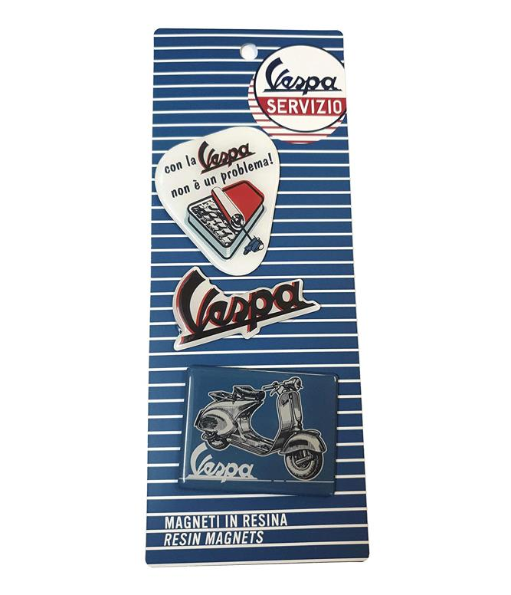
Picture | Item code | Description | Extra information | Restriction | Stock | Sales price EXW | Retail price | Barcode | Quantity PU | Quantity pallet | Pallet | Origin | Customs code | Item weight | Languages on package | Group
 | S-09871 | VESPA, resin magnets con la vespa | VPMT38 |  | 179 | 0.59 | 7.9 | 8028501264686 | 182 | 182 |  | CN | 85051990 | 35 |  | VESPA

