Sheet1
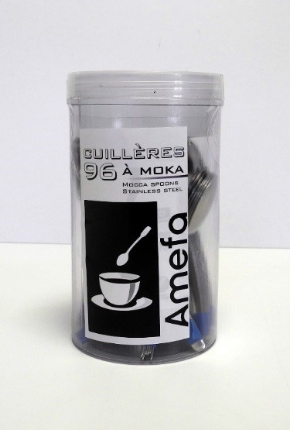
Picture | Item code | Description | Extra information | Restriction | Stock | Sales price EXW | Retail price | Barcode | Quantity PU | Quantity pallet | Pallet | Origin | Customs code | Item weight | Languages on package | Group
 | S-08366 | Amefa, mocca spoons 96pcs - stainless steel | 419804 - 026500T000AL5 |  | 172 | 7.9 | 16.3 | 3546694198045 | 12 | 672 |  | CN | 8215991000 | 0 |  | Amefa

