Sheet1
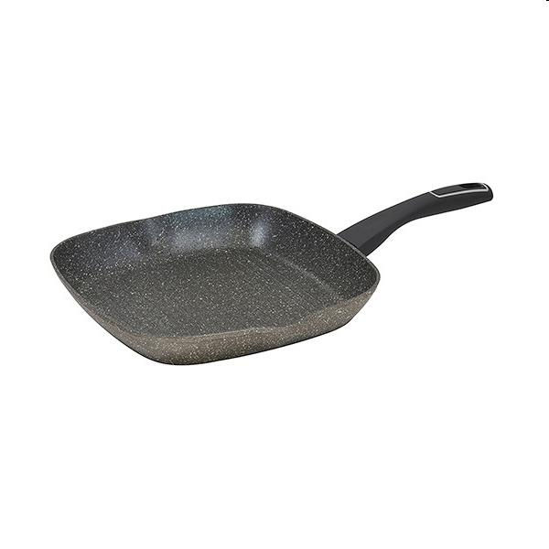
Picture | Item code | Description | Extra information | Restriction | Stock | Sales price EXW | Retail price | Barcode | Quantity PU | Quantity pallet | Pallet | Origin | Customs code | Item weight | Languages on package | Group
 | 20539 | Bergner, Grill Pan 28x28x4,5cm Aluminium Induction Mercury | BG-30547-MBG |  | 207 | 9.5 | 21.38 | 6941349507178 | 6 | 180 | Wegwerppallet 120x80 | CN | 7615108000 | 900 | es en it de sk ru | Bergner

