Sheet1
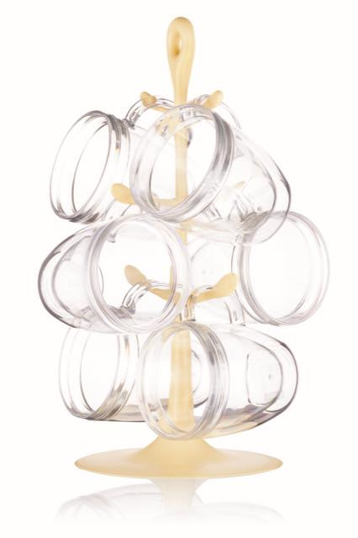
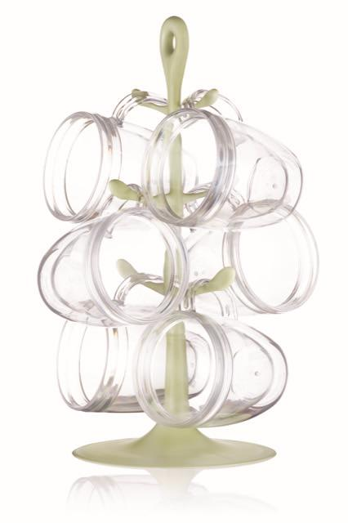
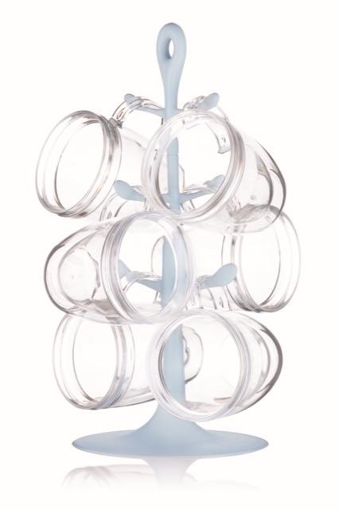
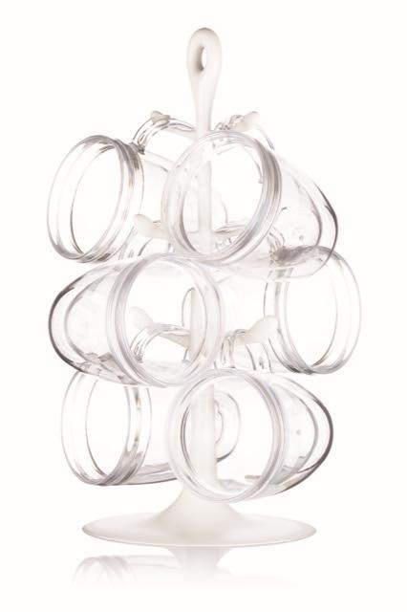
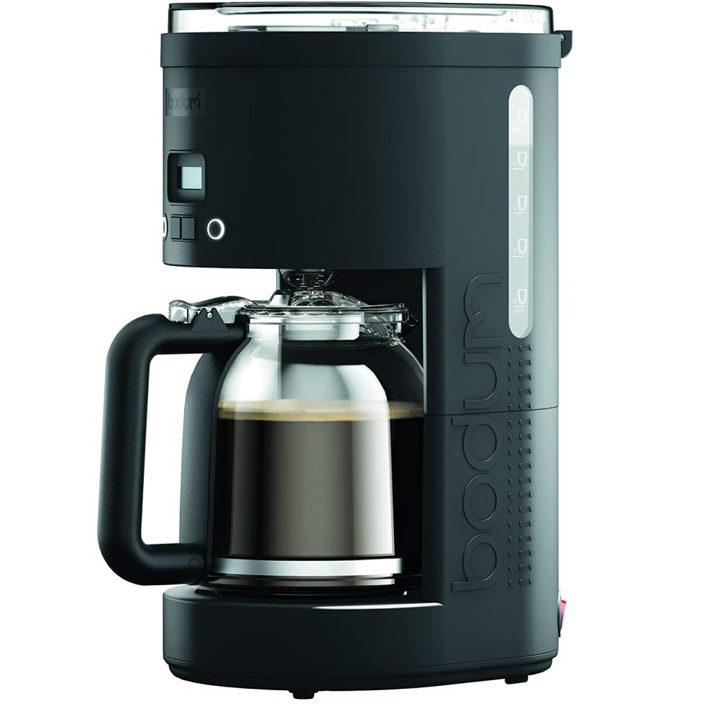
Picture | Item code | Description | Extra information | Restriction | Stock | Sales price EXW | Retail price | Barcode | Quantity PU | Quantity pallet | Pallet | Origin | Customs code | Item weight | Languages on package | Group
 | S-10034 | Bodum, mug tree with 6 durable plastic double wall mugs 0,34l Banana | K2110-341-10-Y19 |  | 1825 | 13.9 | 59.9 | 699965421137 | 6 | 120 |  | P | 39241000 | 0 | F; EN | Bodum
 | S-10033 | Bodum, mug tree with 6 durable plastic double wall mugs 0,34l Pistachio | K2110-339-10-Y19 |  | 1678 | 13.9 | 59.9 | 699965421090 | 6 | 120 |  | P | 39241000 | 0 | F; EN | Bodum
 | S-10032 | Bodum, mug tree with 6 durable plastic double wall mugs 0,34l Blue moon (unbreakable plastic) | K2110-338-10-Y19 |  | 1677 | 13.9 | 59.9 | 699965421076 | 6 | 120 |  | P | 39241000 | 0 | F; EN | Bodum
 | S-10035 | Bodum, mug tree with 6 durable plastic double wall mugs 0,34l Cream | K2110-913-10 |  | 1244 | 13.9 | 59.9 | 699965430726 | 6 | 120 |  | P | 39241000 | 0 | F; EN | Bodum
 | S-07430 | Bodum, Programmable Coffee maker BISTRO (permanent filter) 900W 12cups 1.5L black | 11754-01EURO |  | 170 | 36.9 | 74.9 | 699965356231 | 1 | 54 | Europallet 120x80 | CN | 85167100 | 2215 |  | Bodum

