Sheet1
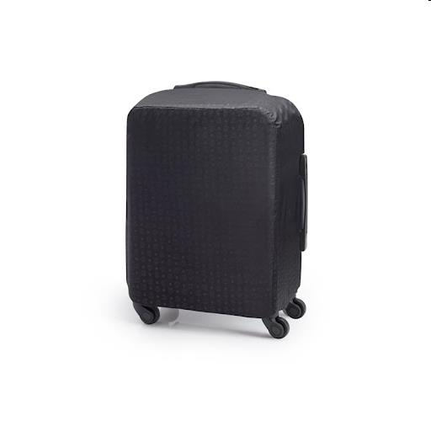
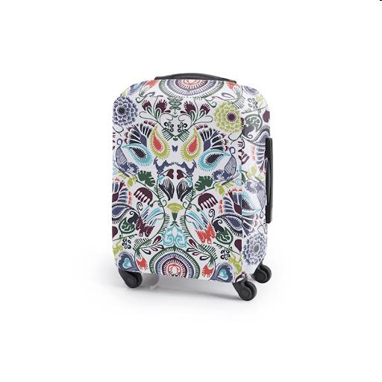
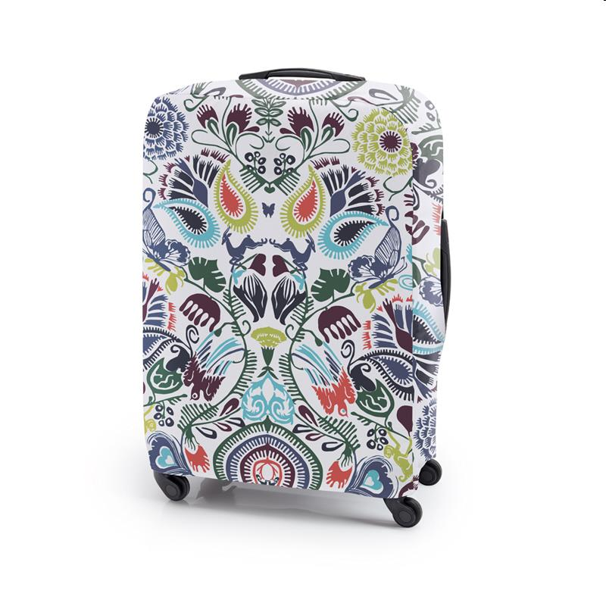
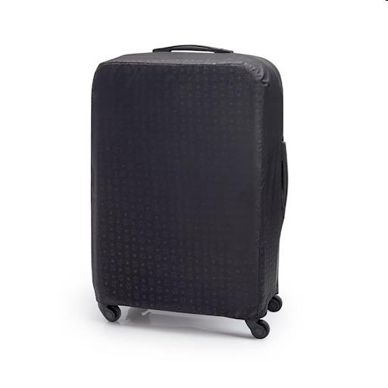
Picture | Item code | Description | Extra information | Restriction | Stock | Sales price EXW | Retail price | Barcode | Quantity PU | Quantity pallet | Pallet | Origin | Customs code | Item weight | Languages on package | Group
 | 18364 | CLX, Protective Cover For Suitcase (55cm), 36,5 x 21 x 46 cm, Black | 123-014/623-014 |  | 2028 | 1.89 | 20 | 5404014507367 | 72 | 2304 | Europallet 120x80 | CN | 6304920090 | 800 | eng fr | CLX
 | 18363 | CLX, Protective Cover For Suitcase (55cm), 36,5 x 21 x 46 cm, Multico | 123-013/623-013 |  | 984 | 1.89 | 20 | 5404014507343 | 12 | 12 | Europallet 120x80 | CN | 6304920090 | 0 |  | CLX
 | 18361 | CLX, Protective Cover For Suitcase (72cm), 45,5 x 26,5 x 64 cm, Multico | 123-011/623-011 |  | 743 | 1.89 | 20 | 5404014507329 | 9 | 9 | Europallet 120x80 | CN | 6304920090 | 0 |  | CLX
 | S-10514 | CLX, protective cover for suitcase (55cm), 36.5x21x46 cm black | 13-014/623-014 |  | 360 | 1.89 |  | 5404014507367 | 72 | 2304 | Europallet 120x80 | CN | 6304920090 |  |  | CLX
 | S-10515 | CLX, protective cover for suitcase (55cm) 36.5x21x46 cm, mutlico | 123-013/623-013 |  | 360 | 1.89 |  | 5404014507343 | 12 | 12 | Europallet 120x80 | CN | 6304920090 |  |  | CLX
 | S-10516 | CLX, protective cover for suitcase (72cm) 45.5x26.5x64 cm black | 123-012/623-012 |  | 360 | 1.89 |  | 5404014507336 | 72 | 3456 | Europallet 120x80 | CN | 6304920090 | 400 |  | CLX
 | S-10517 | CLX, protective cover for suitcase (72cm) 45.5x26.5x64 cm multico | 123-011/623-011 |  | 360 | 1.89 |  | 5404014507329 | 9 | 9 | Europallet 120x80 | CN | 6304920090 |  |  | CLX
 | 18362 | CLX, Protective Cover For Suitcase (72cm), 45,5 x 26,5 x 64 cm, Black | 123-012/623-012 |  | 242 | 1.89 | 20 | 5404014507336 | 72 | 3456 | Europallet 120x80 | CN | 6304920090 | 400 |  | CLX
 | S-10512 | CLX, shopping bag, 35x40 cm, Tropical Blue | 159-064/659-064 |  | 240 | 1.89 |  | 5404014504014 | 80 | 2400 | Europallet 120x80 | CN | 420231010 | 140 |  | CLX
 | S-10513 | CLX, shopping bag, 35x40 cm jungle | 159-063/659-063 |  | 240 | 1.89 |  | 5404014504007 | 80 | 2400 | Europallet 120x80 | CN | 4202310010 | 140 |  | CLX

