Sheet1
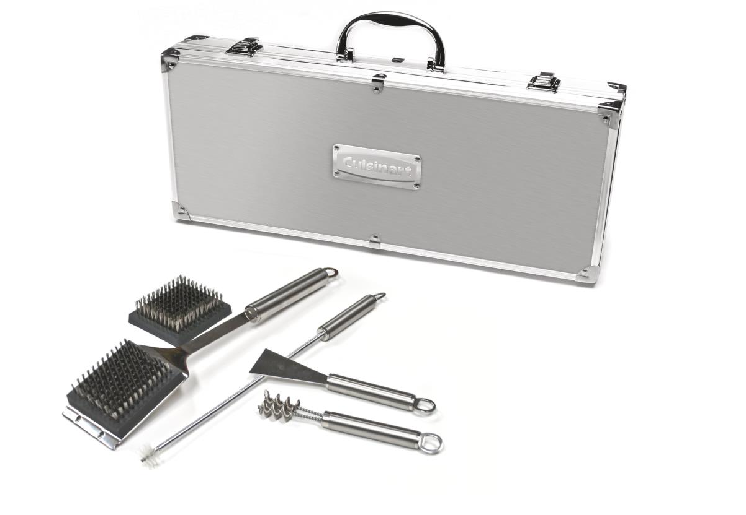
Picture | Item code | Description | Extra information | Restriction | Stock | Sales price EXW | Retail price | Barcode | Quantity PU | Quantity pallet | Pallet | Origin | Customs code | Item weight | Languages on package | Group
 | 20912 | Cuisinart, Set of 8 BBQ Cleaning Tools With Aluminum Case | SBQ02E |  | 885 | 10.9 | 53.68 | 3030050098600 | 3 | 126 | Europallet 120x80 | CN | 7615101090 | 1900 | f i nl uk d e | Cuisinart

