Sheet1
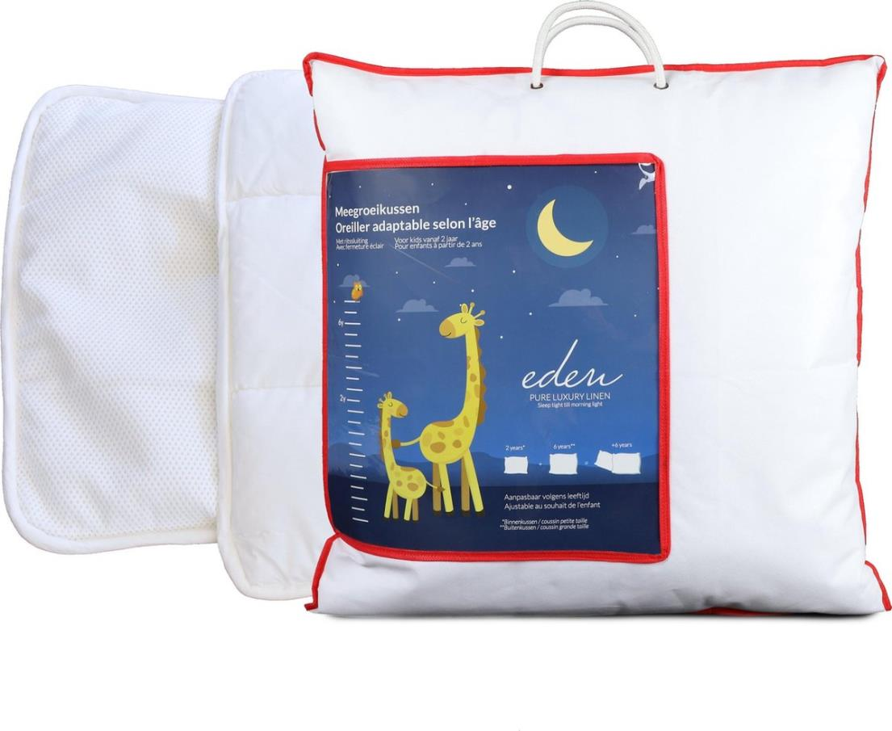
Picture | Item code | Description | Extra information | Restriction | Stock | Sales price EXW | Retail price | Barcode | Quantity PU | Quantity pallet | Pallet | Origin | Customs code | Item weight | Languages on package | Group
 | 19367 | Eden, Pillow Kids 60x60cm | L551000659 | No sales in Benelux | 783 | 5.9 | 36.99 | 5415252006598 | 6 | 48 | Europallet 120x80 | PK | 9404909000 | 750 | nl eng fr | Eden

