Sheet1
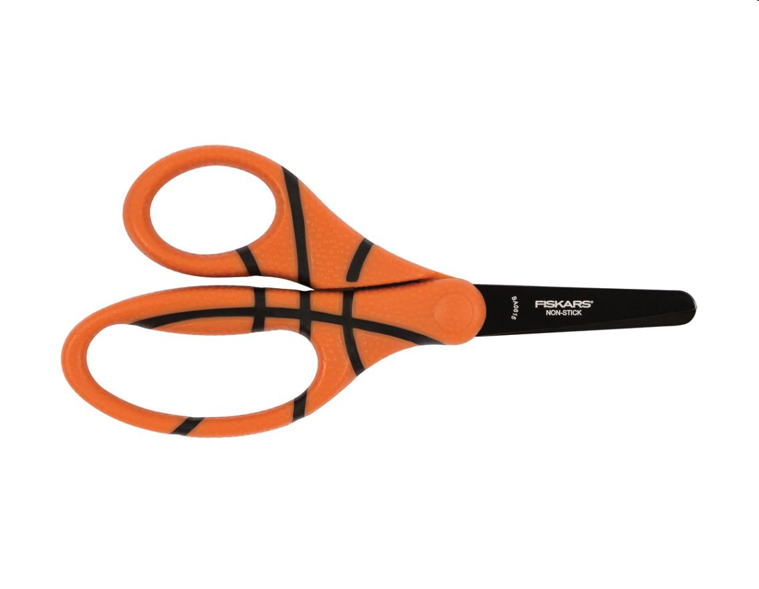
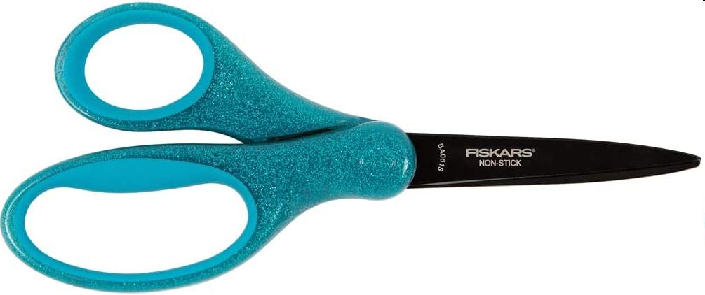
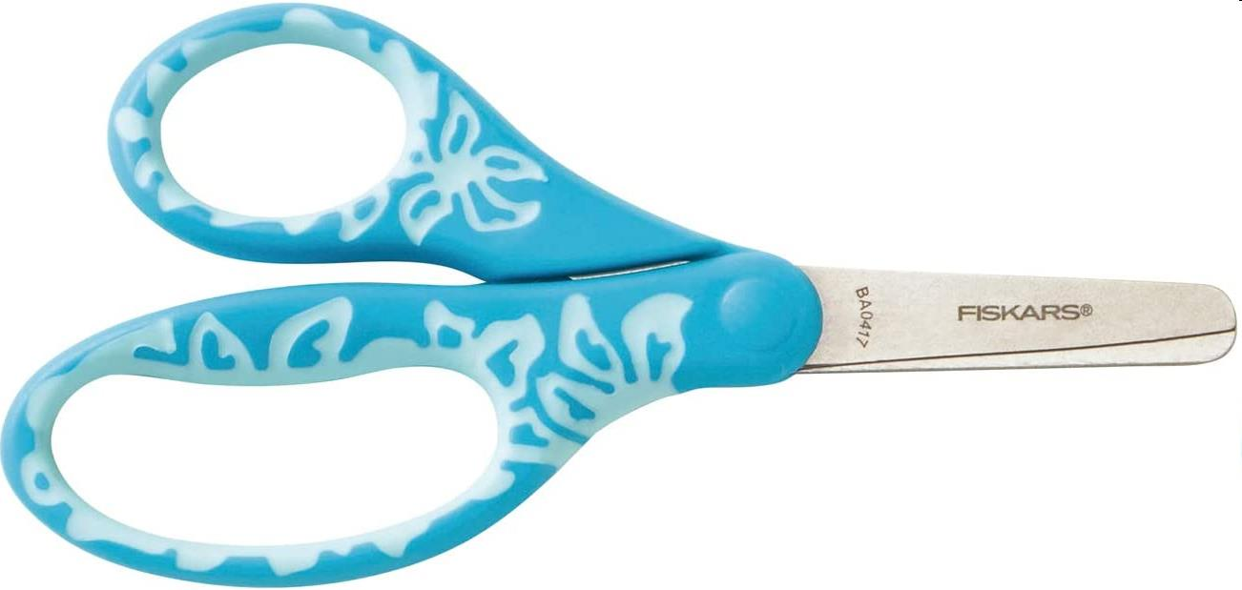
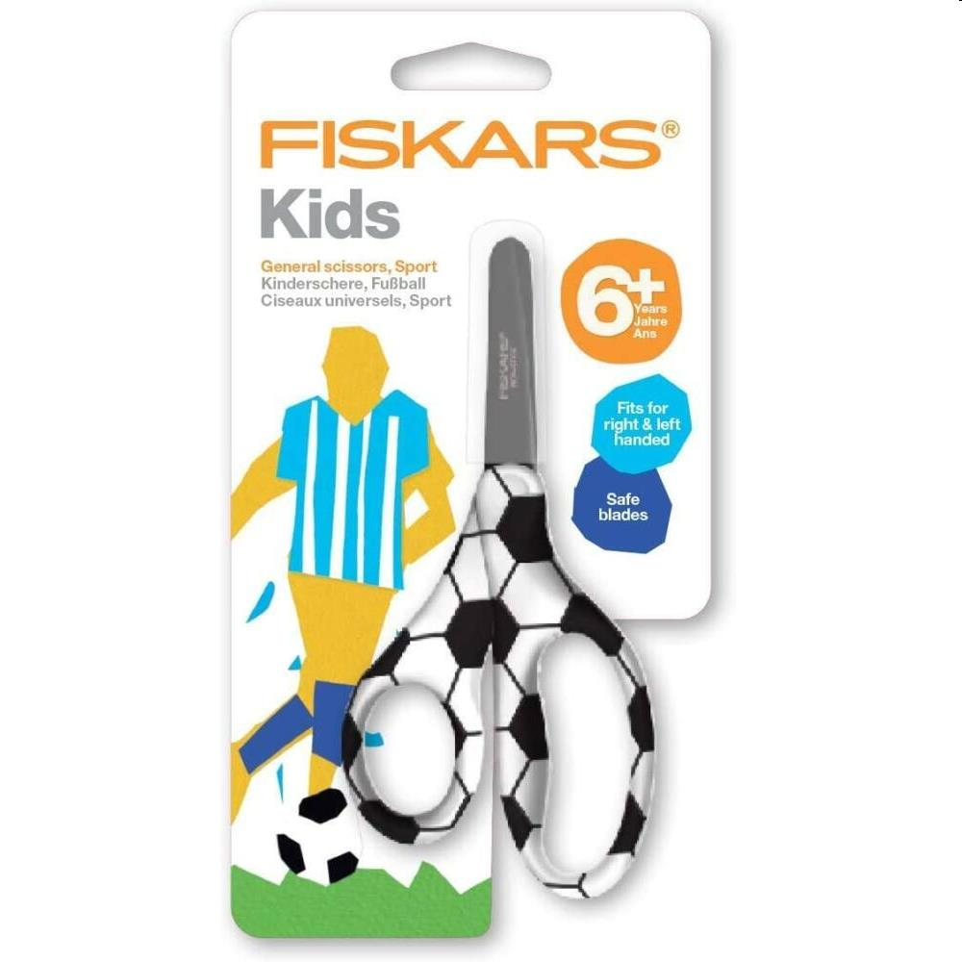

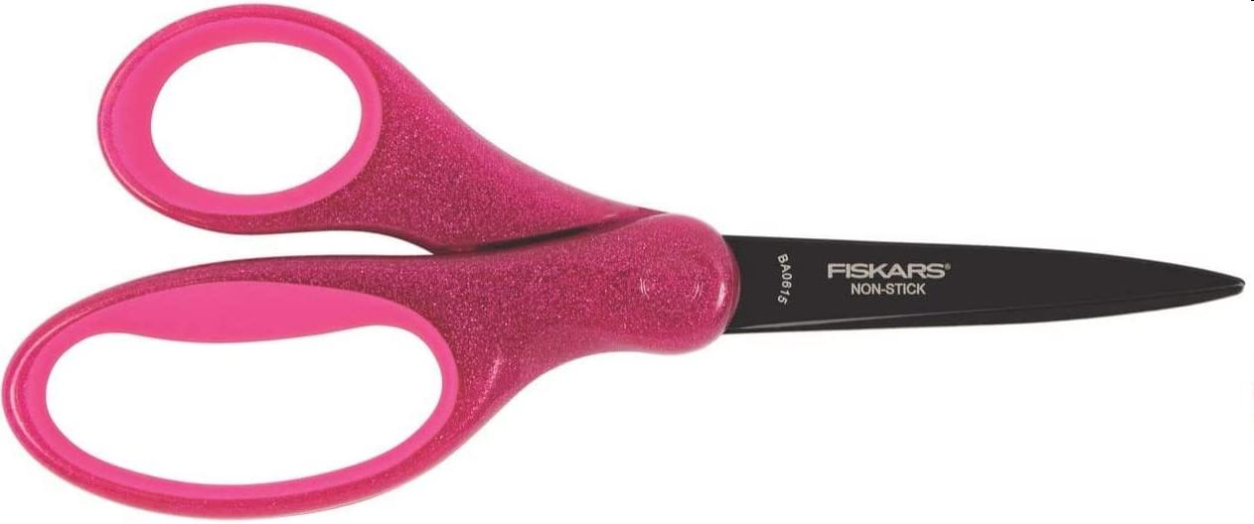
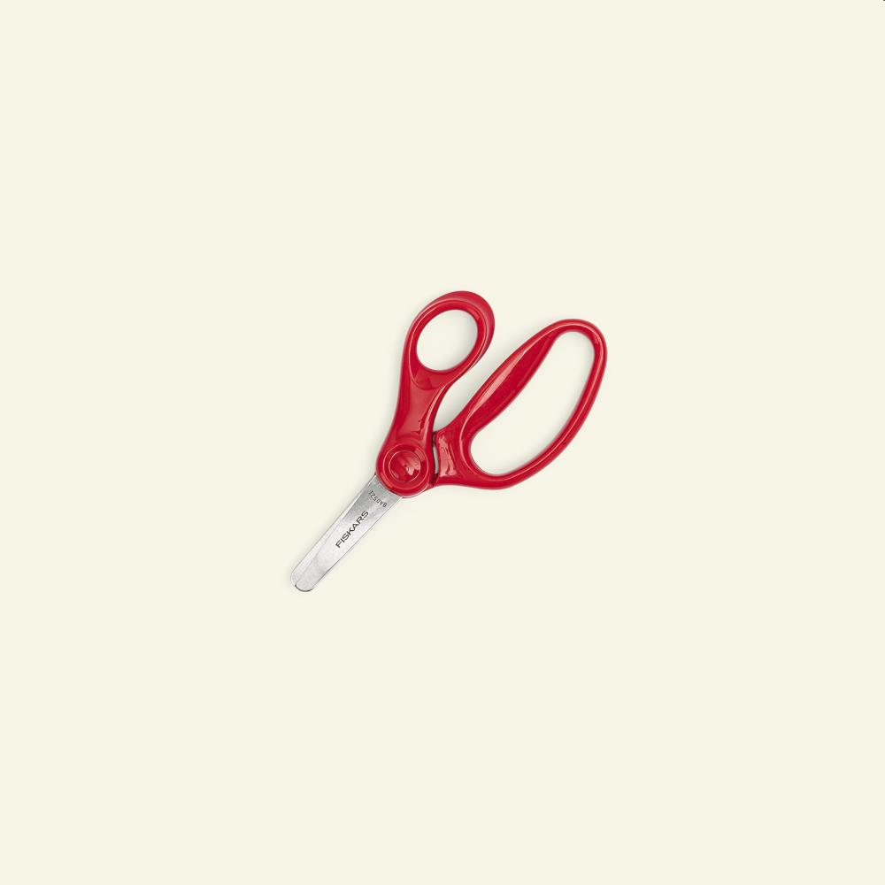

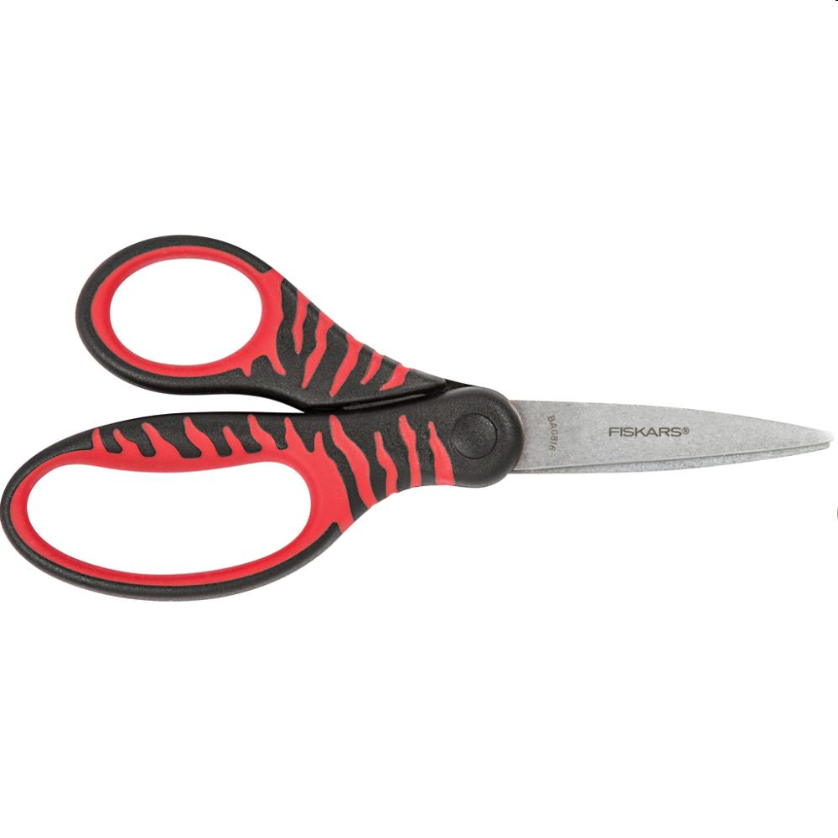
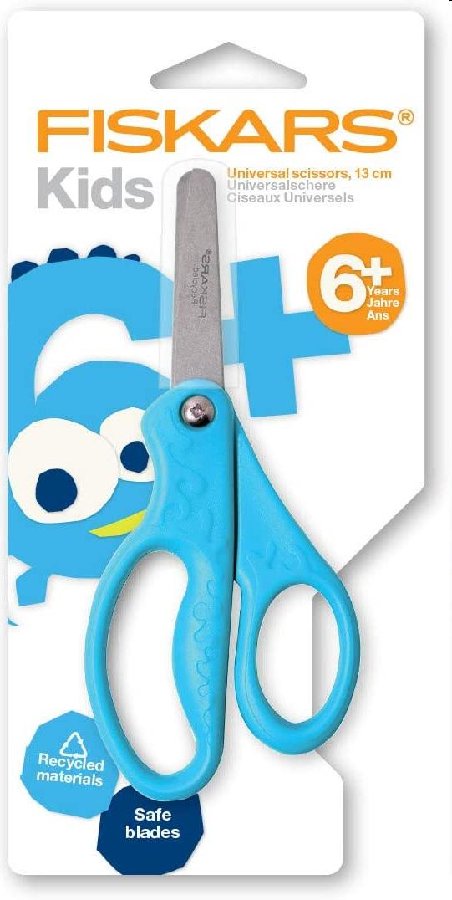
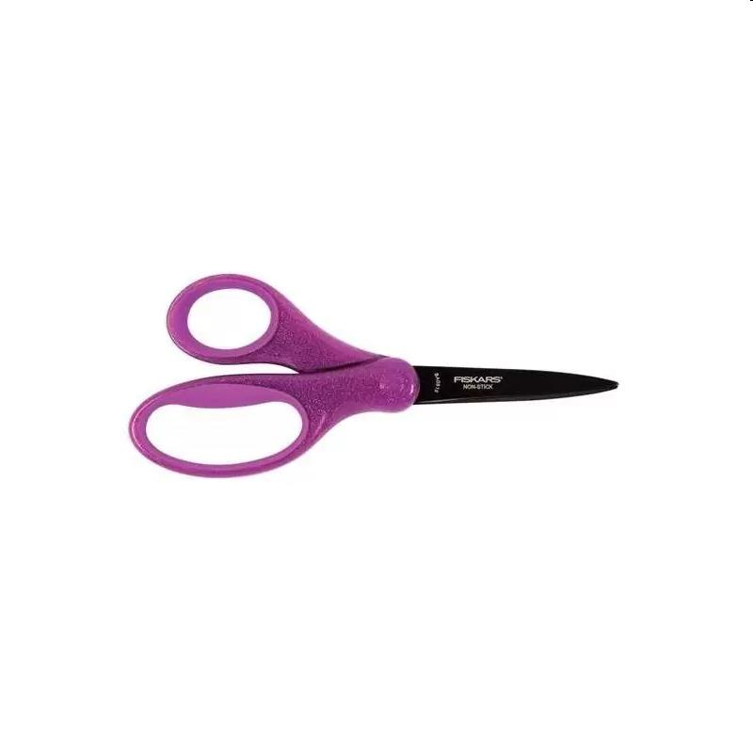
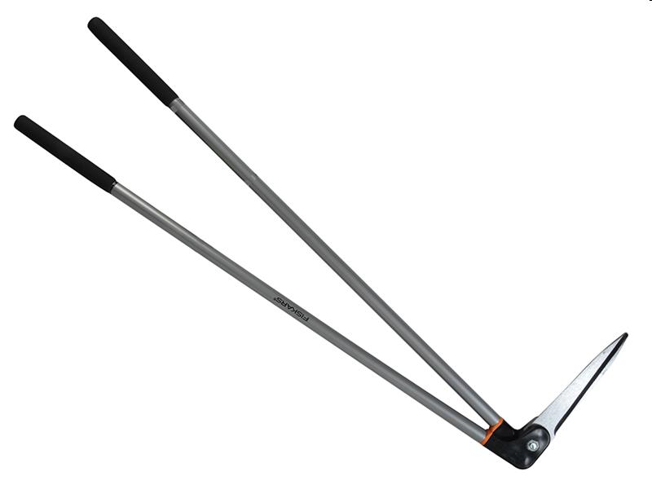
Picture | Item code | Description | Extra information | Restriction | Stock | Sales price EXW | Retail price | Barcode | Quantity PU | Quantity pallet | Pallet | Origin | Customs code | Item weight | Languages on package | Group
 | S-10596 | Fiskars, kids scissors +6y 13 cm basketball | 1023912 |  | 16836 | 1.39 | 7.9 | 6424002006701 | 30 | 3300 | Europallet 120x80 |  |  | 35 |  | Fiskars
 | S-10592 | Fiskars, kids scissors +10y 18cm glitter blue | 1023917 |  | 8647 | 1.79 | 6.94 | 6424002006756 | 30 | 3300 | Europallet 120x80 |  |  | 60 |  | Fiskars
 | S-10595 | Fiskars, kids scissors +6y 12 cm turquoise flow | 1027419 |  | 7520 | 1.39 | 3.68 | 6424002009764 | 10 | 4620 | Europallet 120x80 |  |  | 35 |  | Fiskars
 | S-10588 | Fiskars, kids scissors +6y 13cm football | 1023913 |  | 6082 | 1.39 | 5.9 | 6424002006718 | 10 | 3300 | Europallet 120x80 |  |  | 35 |  | Fiskars
 | S-10589 | Fiskars, kids scissors +6y 12 cm colour change | 1027418 |  | 4076 | 1.39 | 3.7 | 6424002009757 | 10 | 4400 | Europallet 120x80 |  |  | 35 |  | Fiskars
 | S-10593 | Fiskars, kids scissors +10y 18 cm glitter pink | 1023915 |  | 3887 | 1.79 | 12.75 | 6424002006732 | 30 | 3300 | Europallet 120x80 |  |  | 60 |  | Fiskars
 | S-10591 | Fiskars, kids general scissors +4y 13 cm red | 1003856 |  | 3111 | 1.39 | 5.55 | 0078484094167 | 72 | 3456 | Europallet 120x80 |  |  | 35 |  | Fiskars
 | S-10598 | Fiskars, kids scissors +8y 15 cl purple | 1027420 |  | 3066 | 1.49 | 4.9 | 642002009771 | 10 | 3300 | Europallet 120x80 |  |  | 35 |  | Fiskars
 | S-10597 | Fiskars, kids scissors +8y 15cm black and red soft | 1027423 |  | 3006 | 1.49 | 4.94 | 6424002009801 | 10 | 3510 | Europallet 120x80 |  |  | 50 |  | Fiskars
 | S-10590 | Fiskars, kids general scissors +4y 13 cm recycled | 1003760 |  | 2703 | 1.39 | 6.29 | 0020335034815 | 72 | 4400 | Europallet 120x80 |  |  | 40 |  | Fiskars
 | S-10594 | Fiskars, kids scissors +10y 18 cm glitter purple | 1023916 |  | 2297 | 1.79 | 6.9 | 6424002006749 | 30 | 3300 | Europallet 120x80 |  |  | 60 |  | Fiskars
 | 21195 | Fiskars, Long Handled Edgins Shear FSK113310 | 008299.01 |  | 1813 | 13.9 | 54.99 | 6411501133106 | 4 | 100 | Europallet 120x80 | RC | 8201500000 | 1760 | eng | Fiskars

