Sheet1
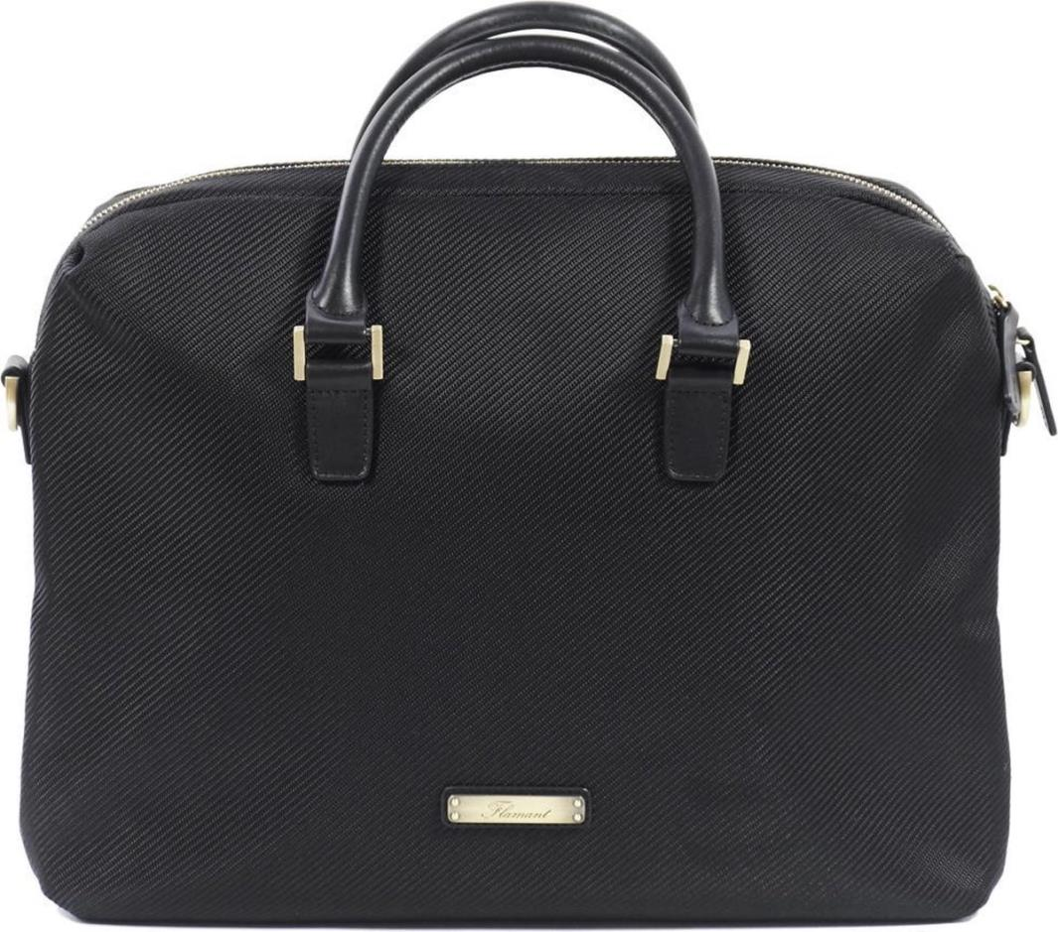
Picture | Item code | Description | Extra information | Restriction | Stock | Sales price EXW | Retail price | Barcode | Quantity PU | Quantity pallet | Pallet | Origin | Customs code | Item weight | Languages on package | Group
 | 19290 | Flamant, Business Bag Black | L080806021 |  | 678 | 15.9 | 284.99 | 5415252060217 | 4 | 64 | Europallet 120x80 | CN | 4202129000 | 1085 |  | Flamant

