Sheet1
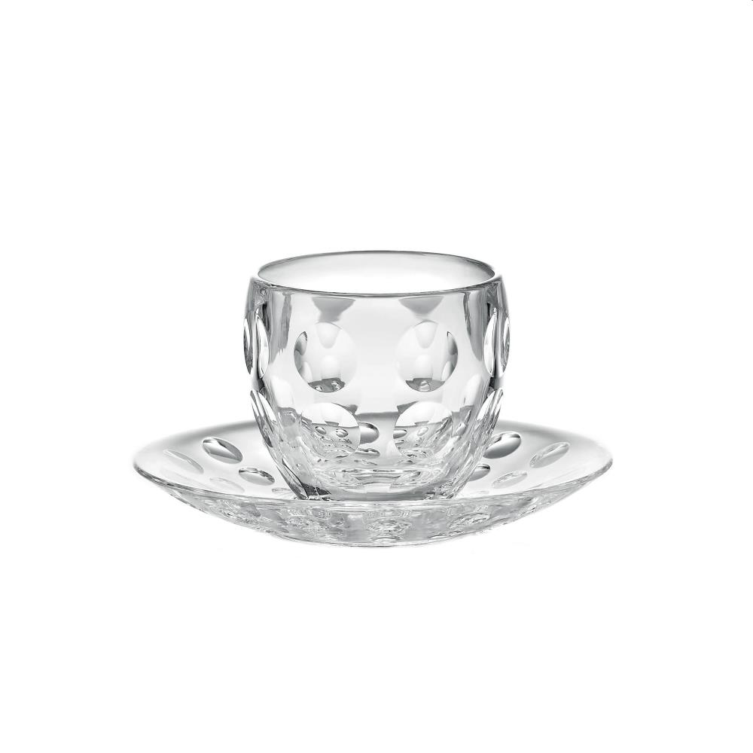
Picture | Item code | Description | Extra information | Restriction | Stock | Sales price EXW | Retail price | Barcode | Quantity PU | Quantity pallet | Pallet | Origin | Customs code | Item weight | Languages on package | Group
 | 20435 | Guzzini, Espresso Cup 110 ml (glass) & Saucer (plastic) Venice | 11045000-1 | No sales in France, Italy & Mexico | 637362 | 0.45 | 16.75 | 8008392280910 | 27 | 648 | Europallet 120x80 | I | 6911100090 | 0 | dui it | Guzzini

