Sheet1
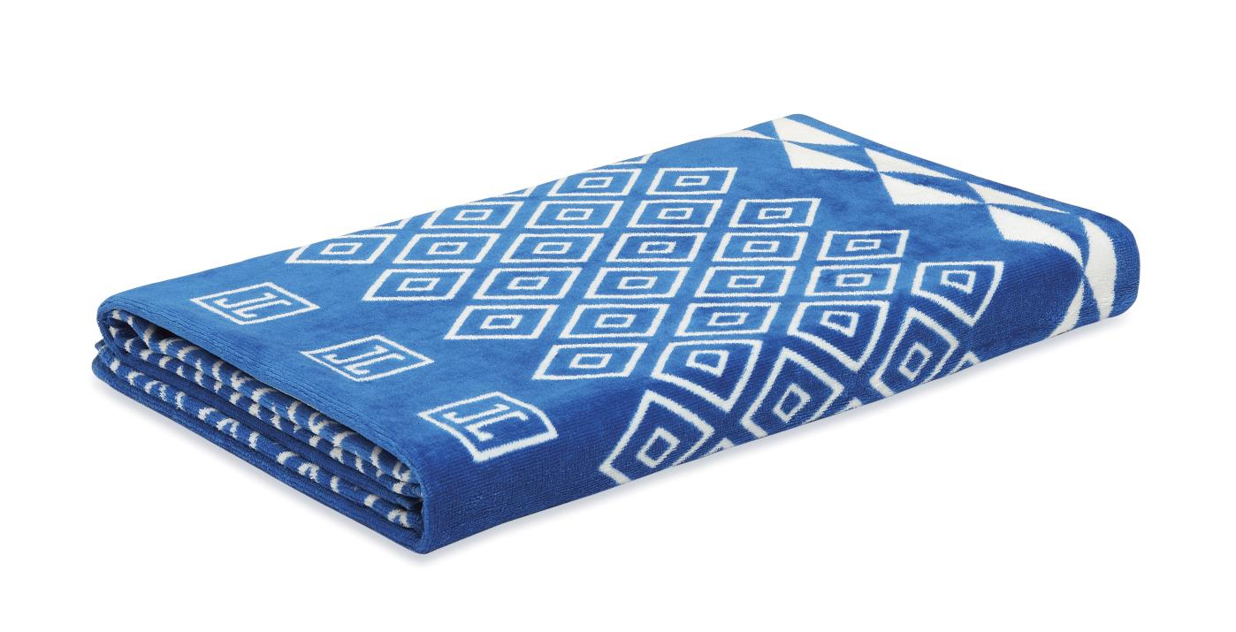
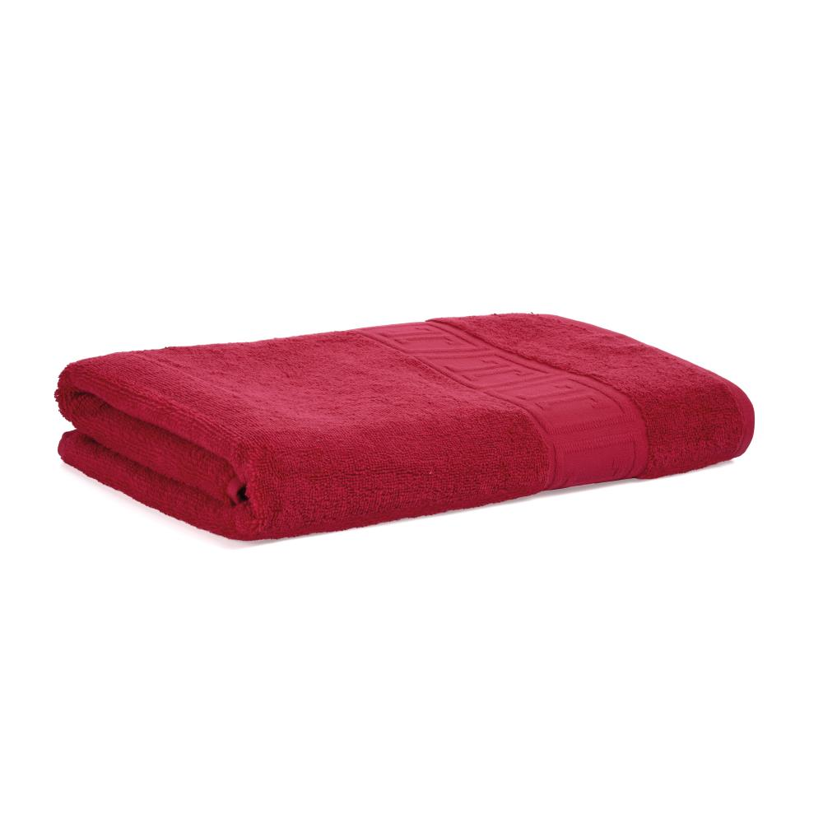
Picture | Item code | Description | Extra information | Restriction | Stock | Sales price EXW | Retail price | Barcode | Quantity PU | Quantity pallet | Pallet | Origin | Customs code | Item weight | Languages on package | Group
 | S-09950 | Jette, beach towel with zipper pocket 180*90cm Blue and White 375GSM 100% cotton OEKO TEX | P508354 | Sales only in Belgium, Czech Republic, Denmark, Finland, France, Iceland, Netherlands, Norway, Poland, Sweden, United Kingdom | 7429 | 4.29 |  | 5054903836889 | 5 | 125 | Europallet 120x80 | IND | 6302910090 | 755 | CN CZ DE EN DK ES FR GR HU IT NL PL PT RO RU SE SI SK | Jette
 | S-09945 | Jette, bath towel Raspberry 140*70cm 450GSM 100% cotton OEKO TEX | P508349 | Sales only in Belgium, Czech Republic, Denmark, Finland, France, Iceland, Netherlands, Norway, Poland, Sweden, United Kingdom | 545 | 2.59 | 21.5 | 5054903836681 | 6 | 216 | Europallet 120x80 | IND | 6302910090 | 530 | CN CZ DE EN DK ES FR GR HU IT NL PL PT RO RU SE SI SK | Jette

