Sheet1
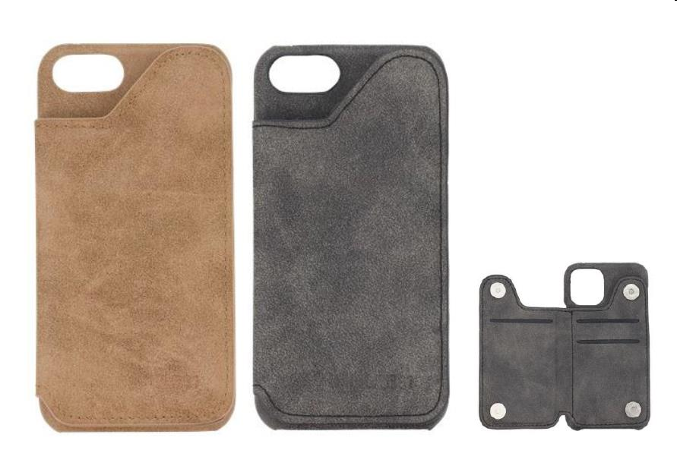
Picture | Item code | Description | Extra information | Restriction | Stock | Sales price EXW | Retail price | Barcode | Quantity PU | Quantity pallet | Pallet | Origin | Customs code | Item weight | Languages on package | Group
 | 21783 | Lab31, Bookstyle iPhone Covers, Assorted Colours (Grey & Brown) & Models (6/7/8, X/XS/11PRO, XR/11) | 2578766 |  | 3218 | 1.19 | 3.99 | 8720039717114 | 72 | 3024 | Europallet 120x80 |  | 3926909790 | 80 | en nl fr de pl cz sk it es dk | Lab31

