Sheet1
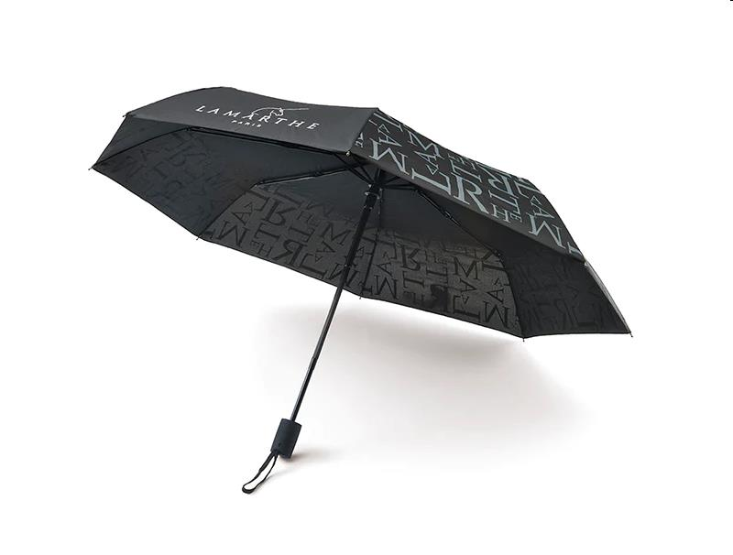
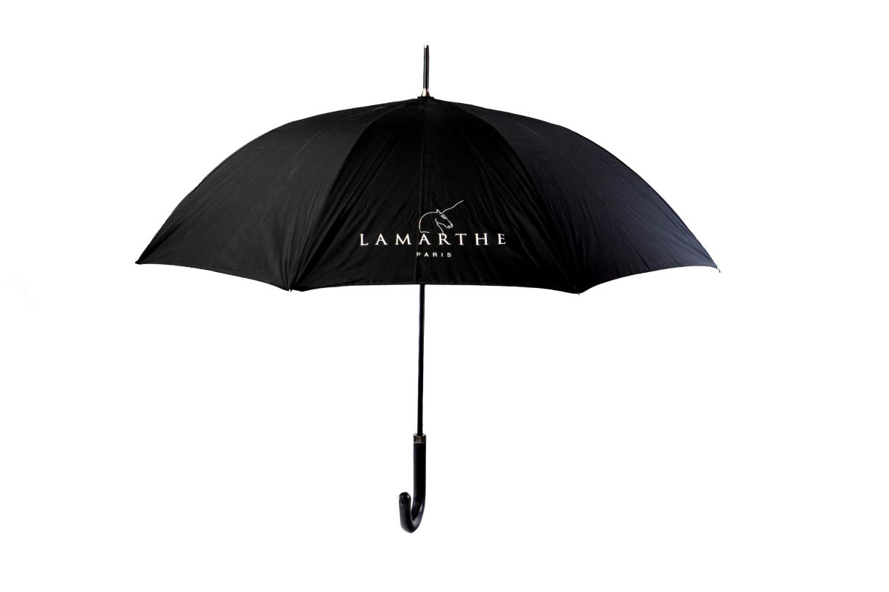
Picture | Item code | Description | Extra information | Restriction | Stock | Sales price EXW | Retail price | Barcode | Quantity PU | Quantity pallet | Pallet | Origin | Customs code | Item weight | Languages on package | Group
 | 21086 | Lamarthe, Umbrella | 164-033 |  | 10854 | 5.9 | 39 | 5404014502850 | 6 | 1440 | Europallet 120x80 | CN | 4203300010 | 400 |  | Lamarthe
 | 21078 | Lamarthe, Umbrella With Cain, Diameter 102cm | 153-026 |  | 880 | 7.9 | 49 | 5425038686760 | 6 | 720 | Europallet 120x80 | CN | 4203300010 | 200 |  | Lamarthe

