Sheet1
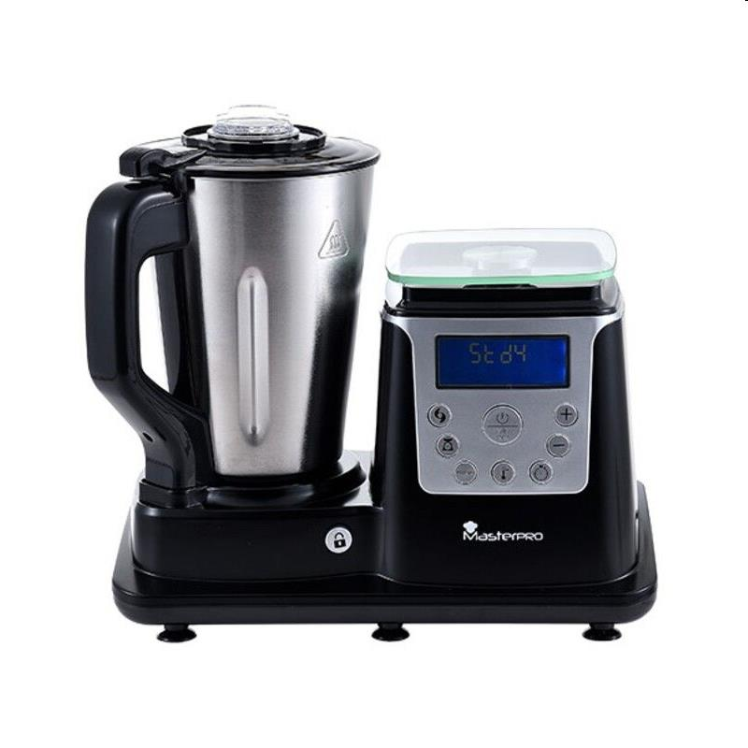
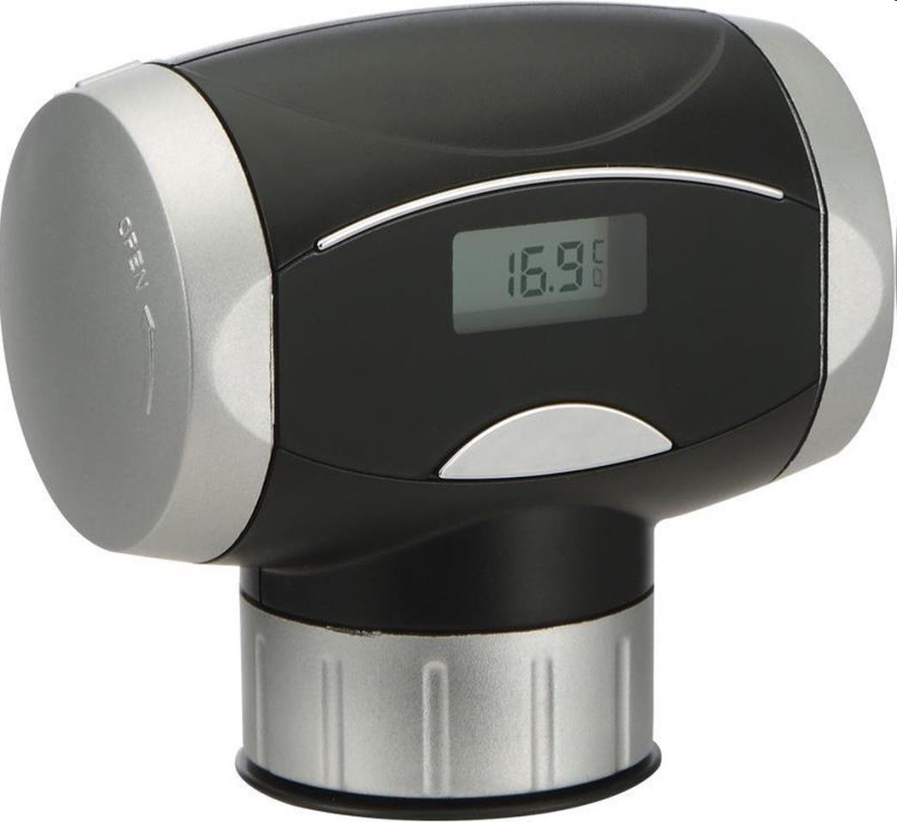
Picture | Item code | Description | Extra information | Restriction | Stock | Sales price EXW | Retail price | Barcode | Quantity PU | Quantity pallet | Pallet | Origin | Customs code | Item weight | Languages on package | Group
 | 20449 | Masterpro, Multicooker Food Processor 1,5L | BGMP-9127 |  | 149 | 64.9 | 226.99 | 6941349571001 | 2 | 24 | Wegwerppallet 120x80 | CN | 8516400000 | 49571000 | es en de fr pt nl | Masterpro
 | 20531 | Masterpro, Automatic Wine Preserver With Thermometer | BGMP-9121 |  | 138 | 13.9 | 35.49 | 6941349517832 | 49 |  |  | CN | 8414108900 | 0 |  | Masterpro

