Sheet1

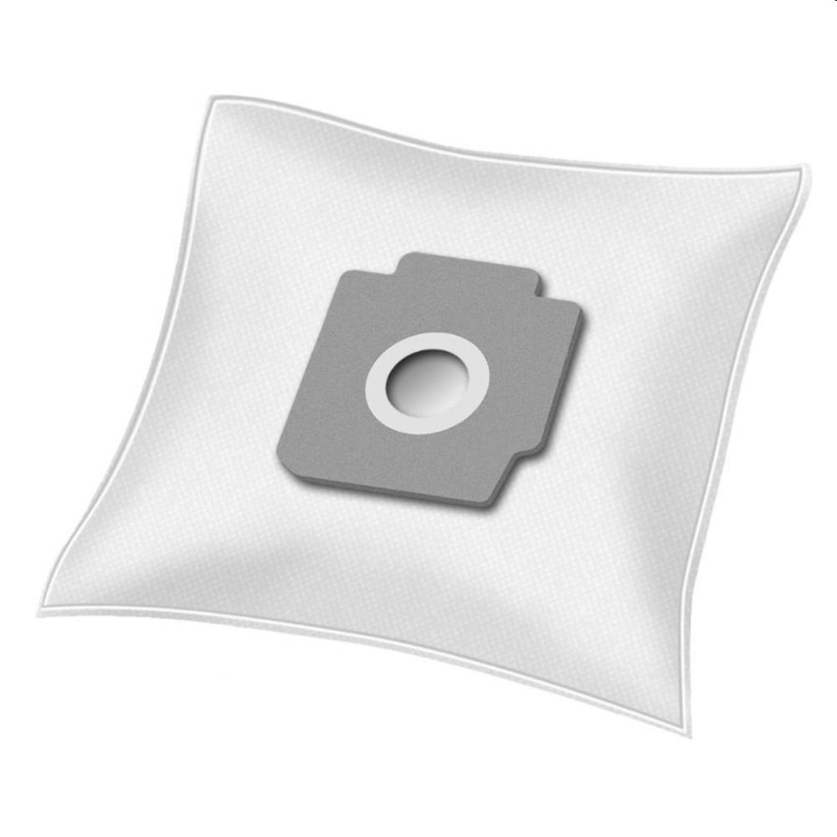
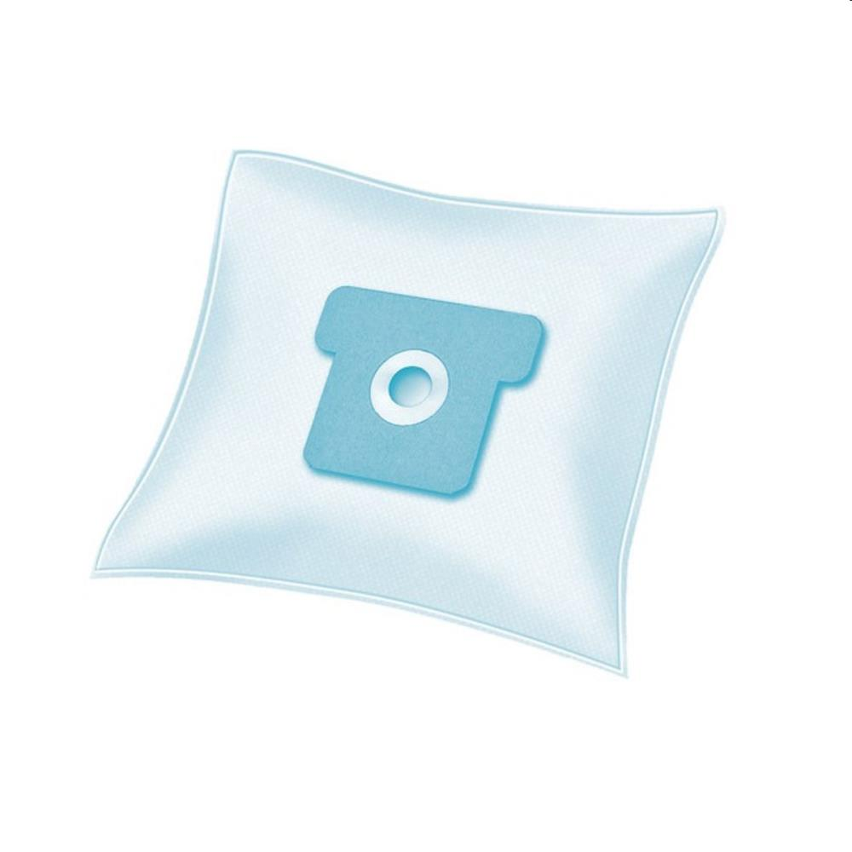
Picture | Item code | Description | Extra information | Restriction | Stock | Sales price EXW | Retail price | Barcode | Quantity PU | Quantity pallet | Pallet | Origin | Customs code | Item weight | Languages on package | Group
 | S-09329 | Pouce, vacuum bag pp 122 x5 for Philips HR 693 | 694857 |  | 465 |  | 4.99 | 3245672886188 |  |  |  |  | 4819400000 | 0 |  | Pouce
 | S-09327 | Pouce, vacuum bag pp 124 x5 for Tornado sup air | 694853 |  | 405 |  | 4.99 | 3245672886225 |  |  |  |  | 4819400000 | 0 |  | Pouce
 | S-09330 | Pouce, vacuum bag pp 103 x5 for Electrolux Z355 | 694858 |  | 247 |  | 4.99 | 3245672886195 |  |  |  |  | 4819400000 | 0 |  | Pouce

