Sheet1
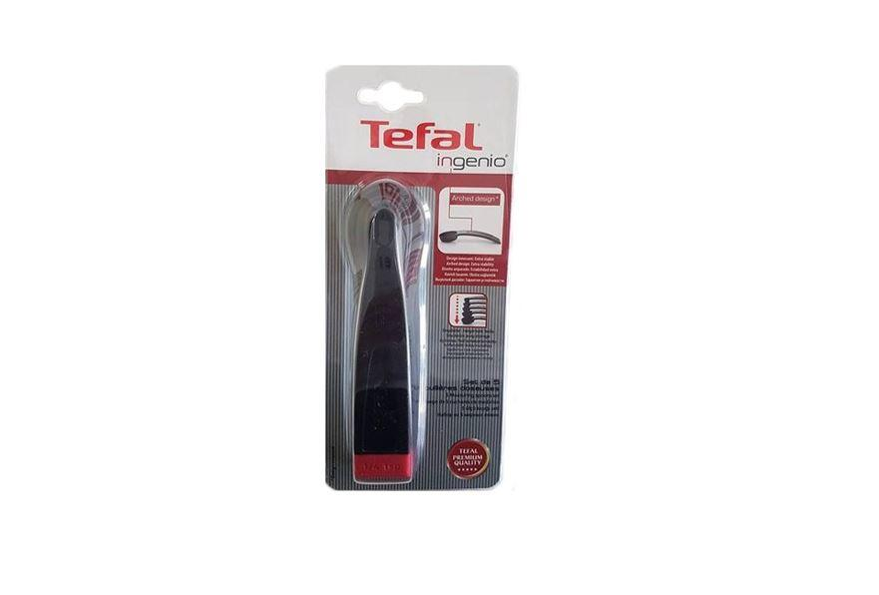
Picture | Item code | Description | Extra information | Restriction | Stock | Sales price EXW | Retail price | Barcode | Quantity PU | Quantity pallet | Pallet | Origin | Customs code | Item weight | Languages on package | Group
 | S-04437 | Tefal, set of 5 measuring spoons Ingernio | K2073814 |  | 510 | 2.79 | 12.45 | 3168430249981 | 6 | 432 |  | CN | 39241000 | 90 |  | Tefal

