Sheet1
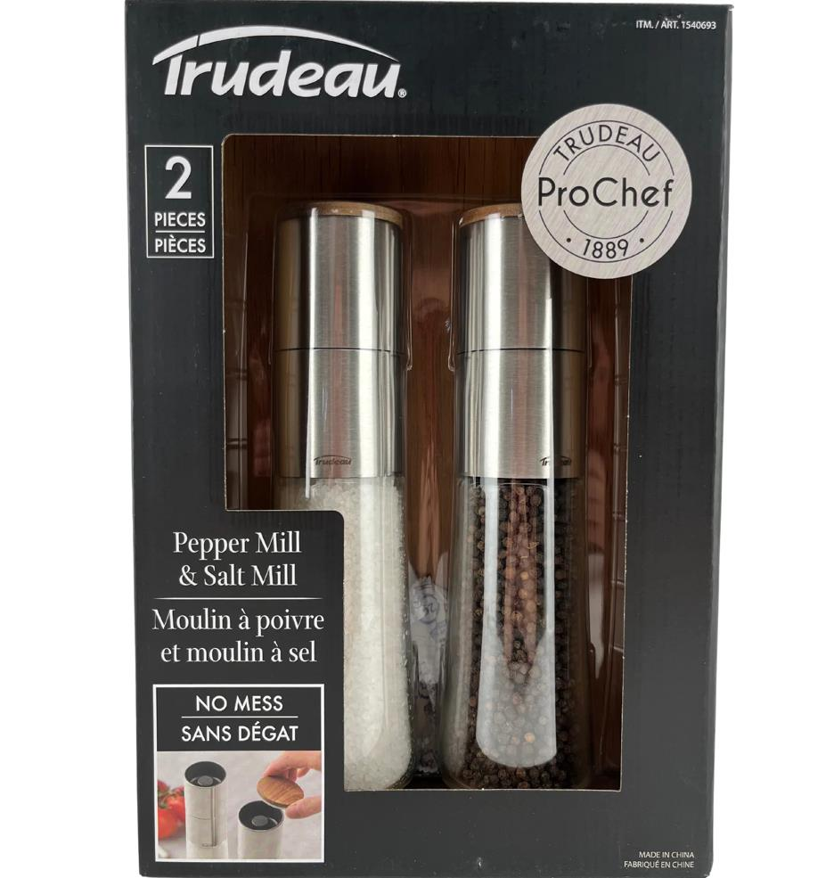
Picture | Item code | Description | Extra information | Restriction | Stock | Sales price EXW | Retail price | Barcode | Quantity PU | Quantity pallet | Pallet | Origin | Customs code | Item weight | Languages on package | Group
 | S-10717 | Trudeau, pepper and salt mills | 1540693 |  | 3237 | 11.9 |  | 063562685122 | 1 | 150 |  | CN | 82100000 | 1700 | FR; EN | Trudeau

